AgeDeviations
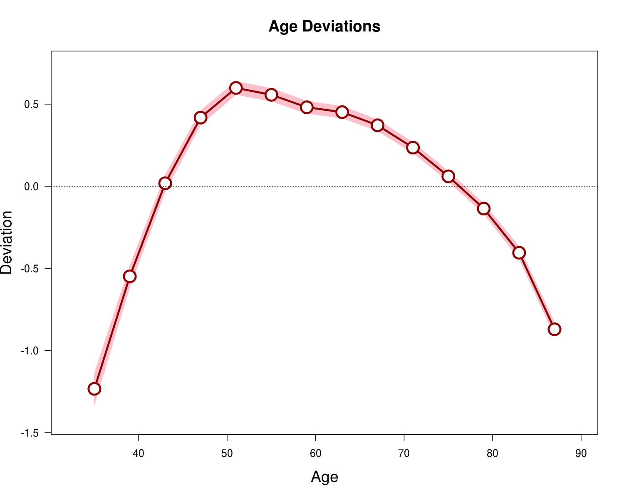
Age | Deviation | CI.Lo | CI.Hi
35 | -1.233 | -1.326 | -1.14
39 | -0.548 | -0.611 | -0.486
43 | 0.018 | -0.03 | 0.067
47 | 0.418 | 0.375 | 0.461
51 | 0.599 | 0.559 | 0.639
55 | 0.557 | 0.518 | 0.595
59 | 0.481 | 0.444 | 0.518
63 | 0.451 | 0.416 | 0.487
67 | 0.371 | 0.338 | 0.405
71 | 0.235 | 0.203 | 0.267
75 | 0.06 | 0.03 | 0.091
79 | -0.136 | -0.166 | -0.105
83 | -0.405 | -0.44 | -0.369
87 | -0.87 | -0.91 | -0.831

PerDeviations
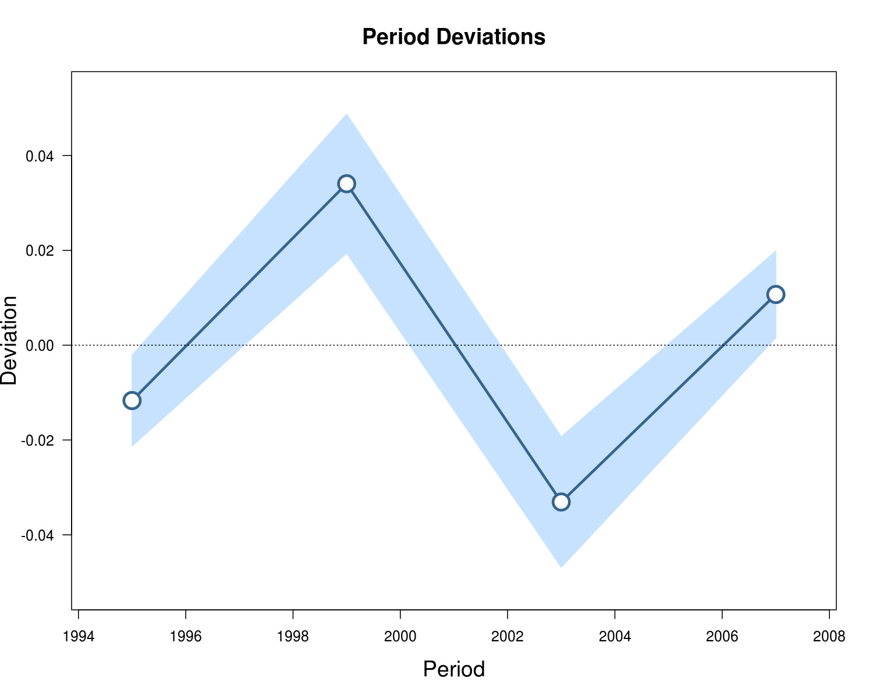
Period | Deviation | CI.Lo | CI.Hi
1995 | -0.012 | -0.021 | -0.002
1999 | 0.034 | 0.019 | 0.049
2003 | -0.033 | -0.047 | -0.019
2007 | 0.011 | 0.002 | 0.02

CohDeviations
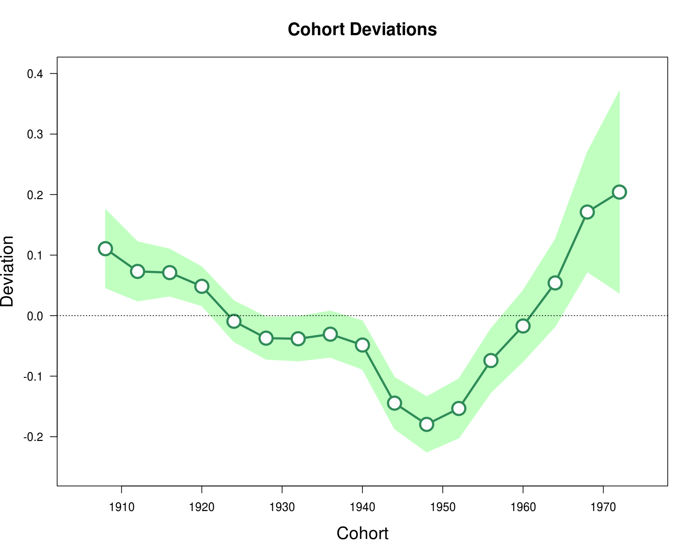
Cohort | Deviation | CI.Lo | CI.Hi
1908 | 0.111 | 0.046 | 0.175
1912 | 0.073 | 0.024 | 0.122
1916 | 0.071 | 0.032 | 0.11
1920 | 0.048 | 0.016 | 0.081
1924 | -0.009 | -0.043 | 0.025
1928 | -0.037 | -0.072 | -0.002
1932 | -0.038 | -0.075 | -0.002
1936 | -0.031 | -0.069 | 0.008
1940 | -0.049 | -0.089 | -0.008
1944 | -0.145 | -0.187 | -0.102
1948 | -0.18 | -0.225 | -0.134
1952 | -0.153 | -0.202 | -0.104
1956 | -0.074 | -0.127 | -0.021
1960 | -0.017 | -0.076 | 0.042
1964 | 0.054 | -0.018 | 0.126
1968 | 0.171 | 0.072 | 0.27
1972 | 0.204 | 0.037 | 0.371

LongAge
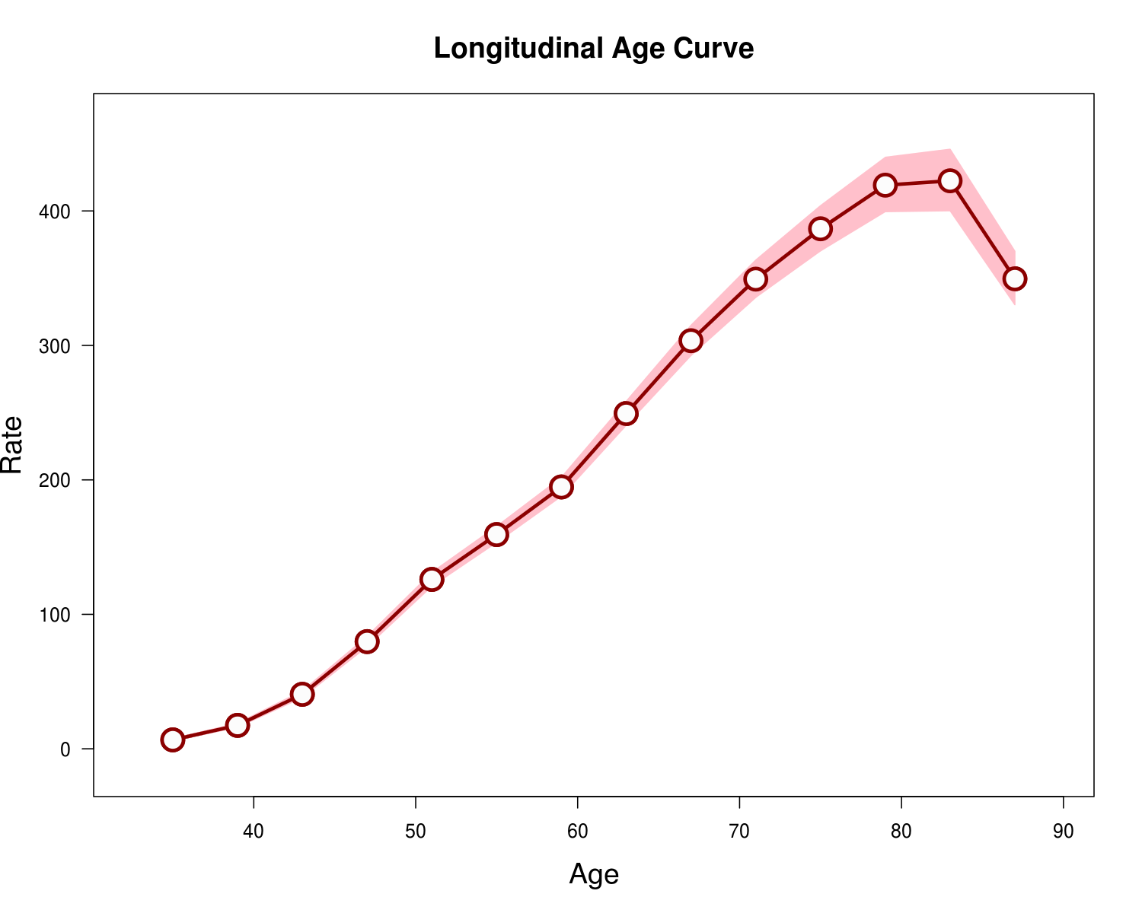
Age | Rate | CILo | CIHi
35 | 6.673 | 5.855 | 7.604
39 | 17.45 | 16.026 | 19.001
43 | 40.556 | 38.163 | 43.099
47 | 79.748 | 76.027 | 83.652
51 | 125.992 | 120.957 | 131.237
55 | 159.348 | 153.473 | 165.448
59 | 194.765 | 187.855 | 201.929
63 | 249.346 | 240.616 | 258.392
67 | 303.511 | 292.526 | 314.908
71 | 349.311 | 335.719 | 363.453
75 | 386.745 | 370.31 | 403.91
79 | 419.186 | 399.483 | 439.861
83 | 422.43 | 400.171 | 445.927
87 | 349.565 | 330.222 | 370.041

CrossAge
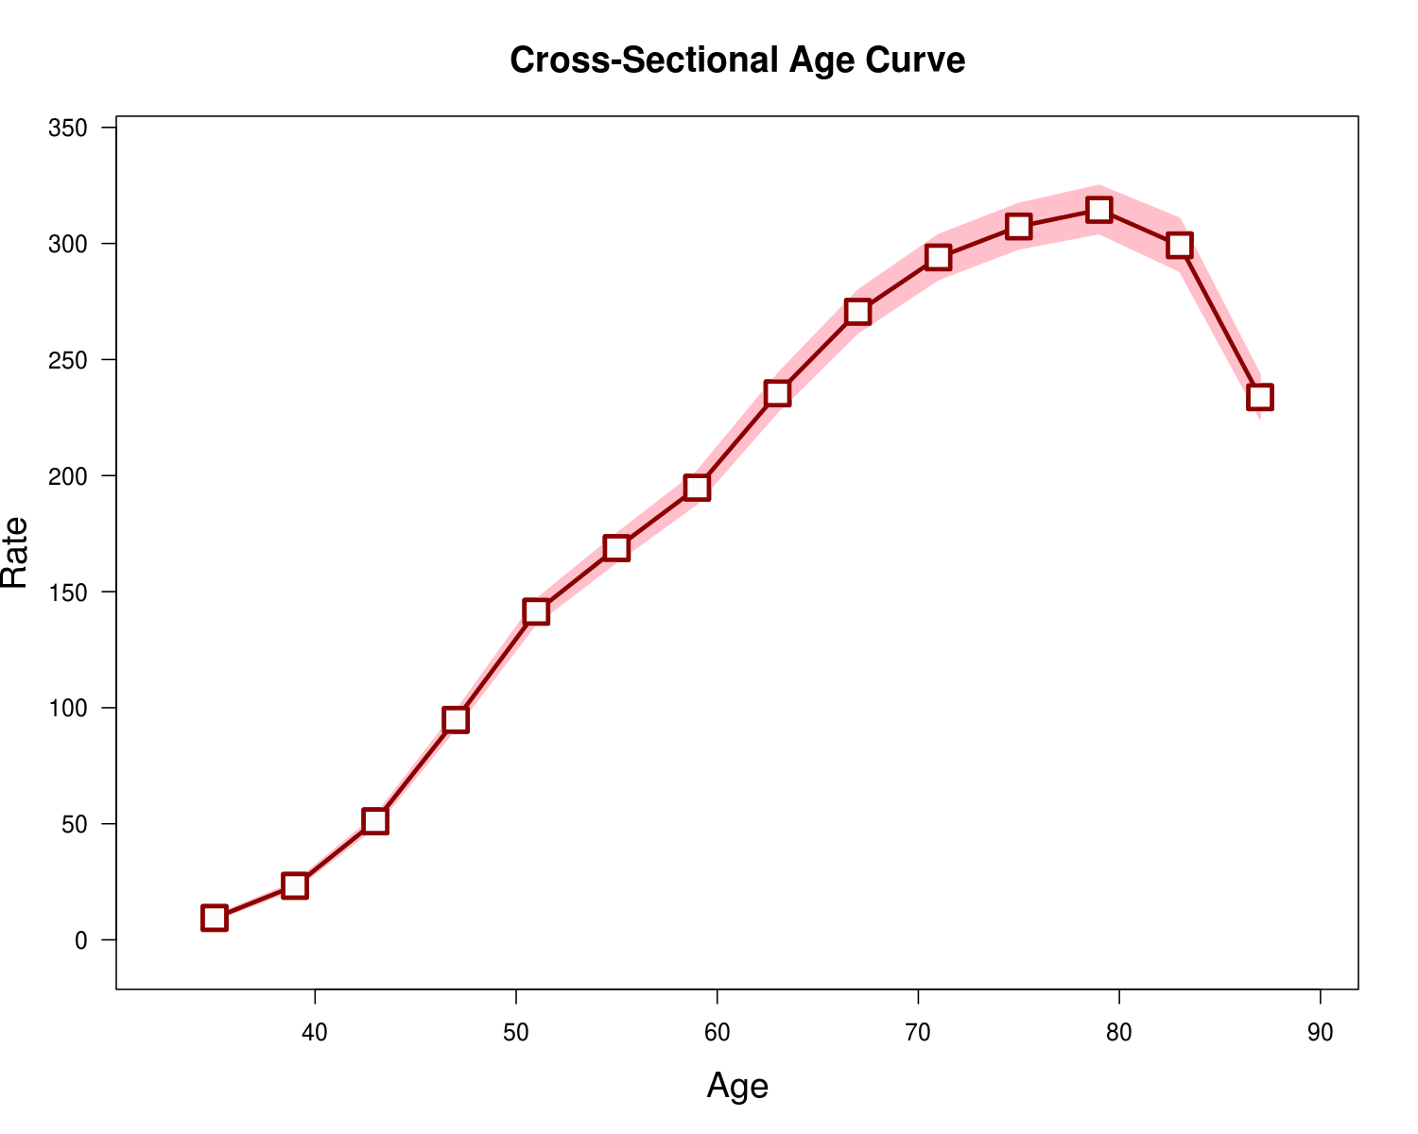
Age | Rate | CILo | CIHi
35 | 9.421 | 8.417 | 10.545
39 | 23.261 | 21.699 | 24.935
43 | 51.041 | 48.59 | 53.615
47 | 94.759 | 91.005 | 98.668
51 | 141.343 | 136.168 | 146.715
55 | 168.777 | 162.71 | 175.07
59 | 194.765 | 187.855 | 201.929
63 | 235.416 | 227.3 | 243.821
67 | 270.547 | 261.502 | 279.905
71 | 293.978 | 284.453 | 303.821
75 | 307.299 | 297.656 | 317.255
79 | 314.469 | 304.227 | 325.055
83 | 299.198 | 287.98 | 310.854
87 | 233.758 | 224.425 | 243.479

Long2CrossRR
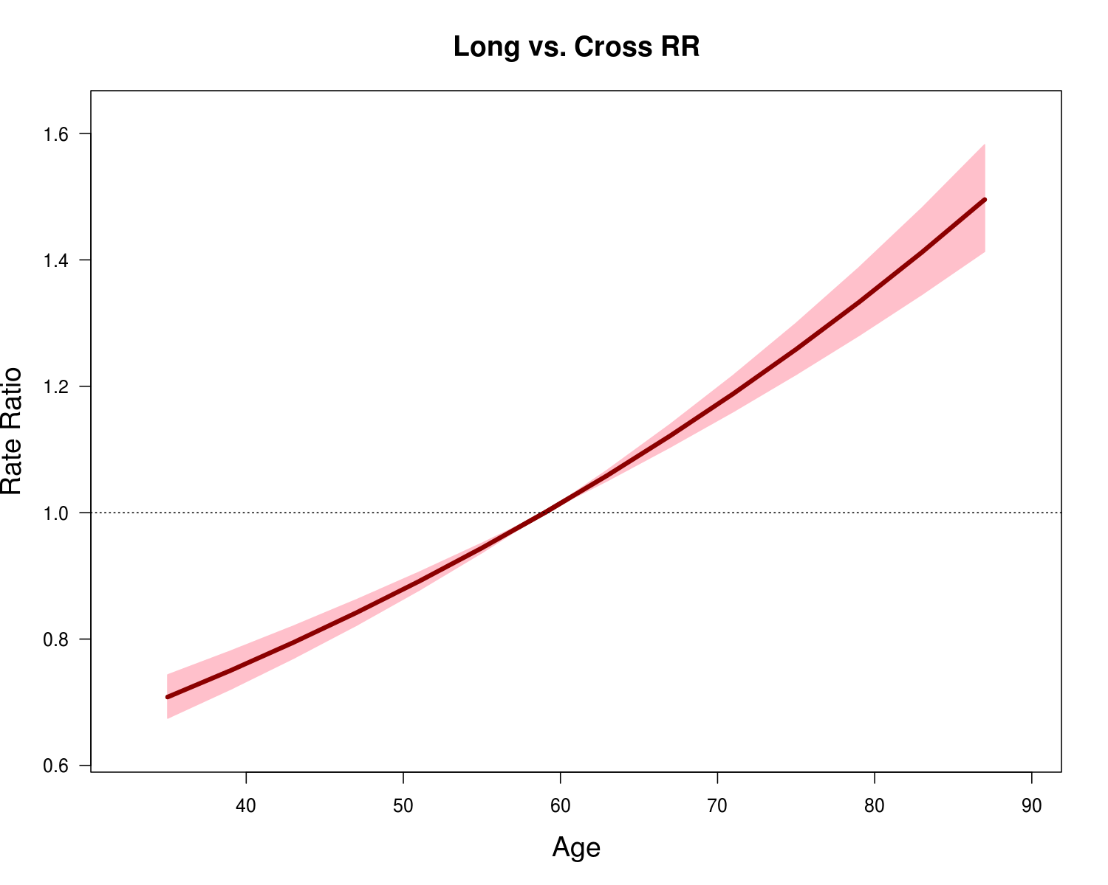
Age | Rate.Ratio | CILo | CIHi
35 | 0.708 | 0.675 | 0.743
39 | 0.75 | 0.72 | 0.781
43 | 0.795 | 0.769 | 0.821
47 | 0.842 | 0.821 | 0.862
51 | 0.891 | 0.877 | 0.906
55 | 0.944 | 0.937 | 0.952
59 | 1 | 1 | 1
63 | 1.059 | 1.051 | 1.068
67 | 1.122 | 1.104 | 1.14
71 | 1.188 | 1.16 | 1.217
75 | 1.259 | 1.219 | 1.3
79 | 1.333 | 1.28 | 1.388
83 | 1.412 | 1.345 | 1.482
87 | 1.495 | 1.413 | 1.582

FittedTemporalTrends
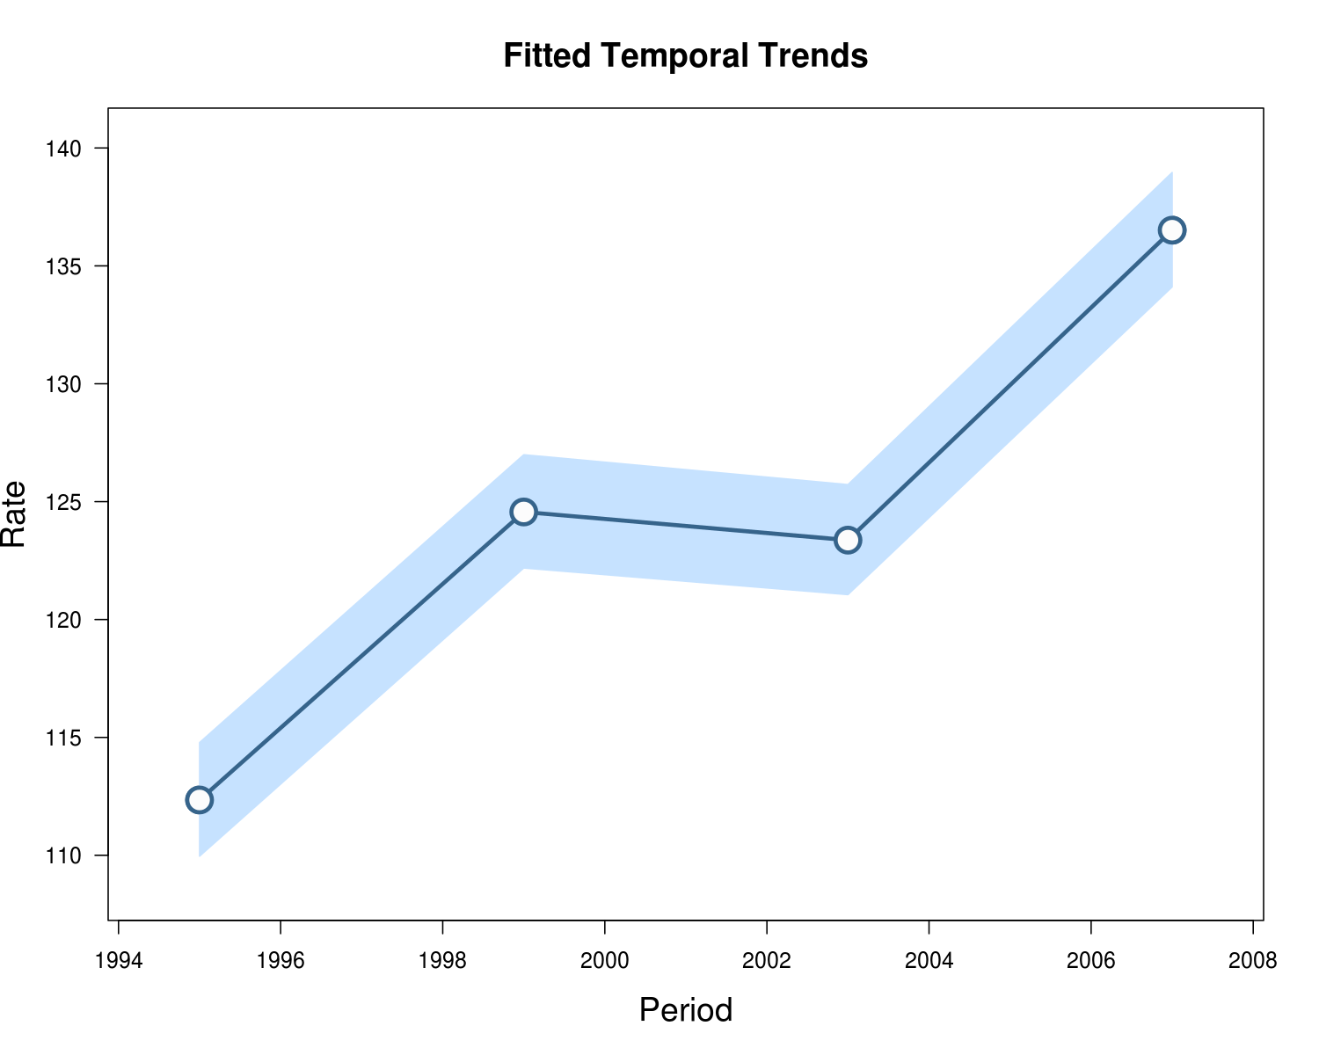
Period | Rate | CILo | CIHi
1995 | 112.347 | 109.963 | 114.784
1999 | 124.563 | 122.182 | 126.991
2003 | 123.369 | 121.057 | 125.725
2007 | 136.514 | 134.107 | 138.965

PeriodRR
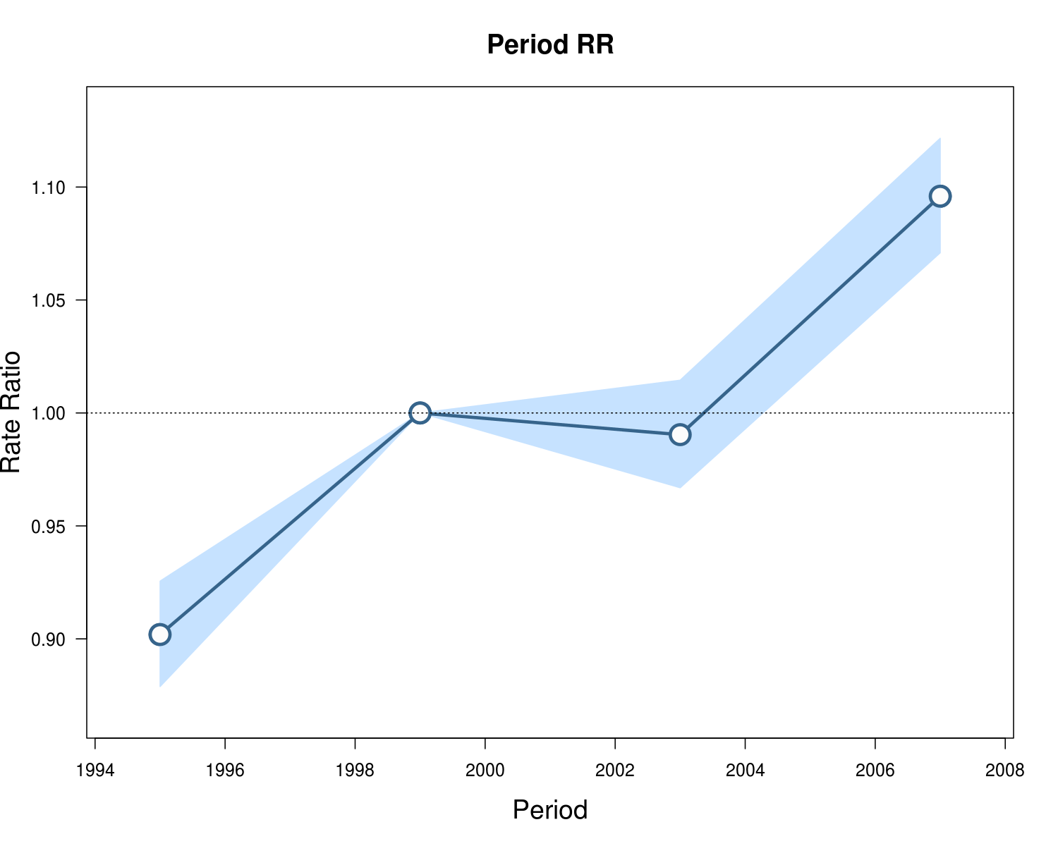
Period | Rate.Ratio | CILo | CIHi
1995 | 0.902 | 0.879 | 0.926
1999 | 1 | 1 | 1
2003 | 0.99 | 0.967 | 1.015
2007 | 1.096 | 1.071 | 1.122

CohortRR
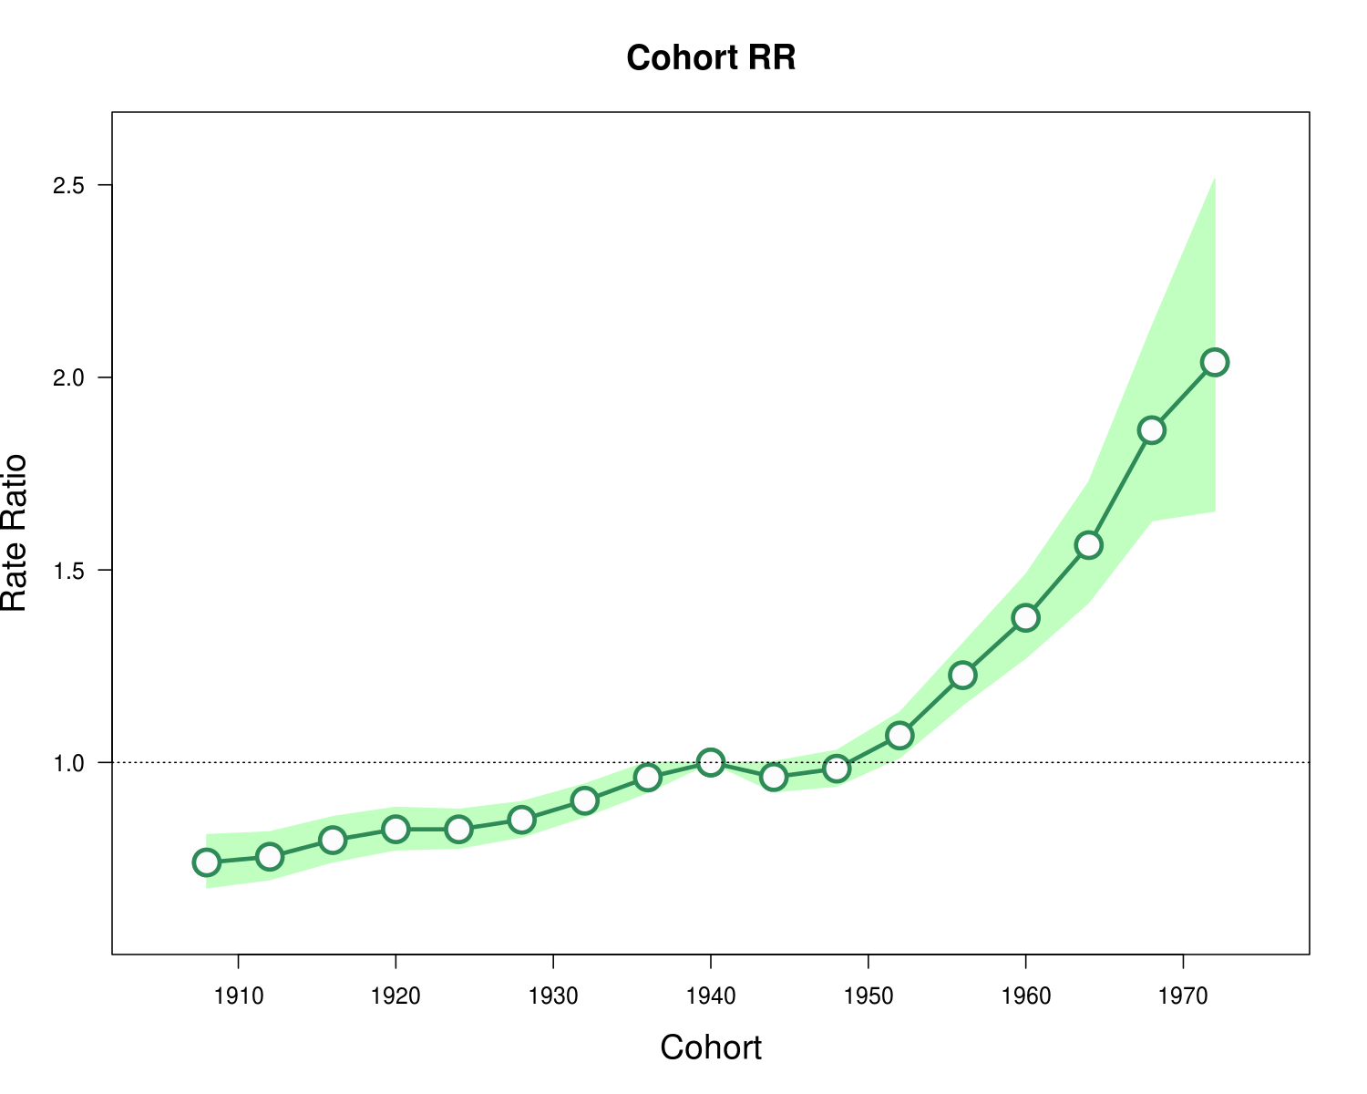
Cohort | Rate.Ratio | CILo | CIHi
1908 | 0.74 | 0.674 | 0.813
1912 | 0.755 | 0.696 | 0.82
1916 | 0.798 | 0.742 | 0.859
1920 | 0.827 | 0.773 | 0.884
1924 | 0.826 | 0.777 | 0.878
1928 | 0.851 | 0.807 | 0.898
1932 | 0.901 | 0.859 | 0.944
1936 | 0.961 | 0.922 | 1.002
1940 | 1 | 1 | 1
1944 | 0.962 | 0.924 | 1.002
1948 | 0.984 | 0.939 | 1.031
1952 | 1.07 | 1.013 | 1.13
1956 | 1.227 | 1.15 | 1.309
1960 | 1.376 | 1.271 | 1.488
1964 | 1.564 | 1.416 | 1.728
1968 | 1.863 | 1.628 | 2.132
1972 | 2.039 | 1.653 | 2.516

LocalDrifts
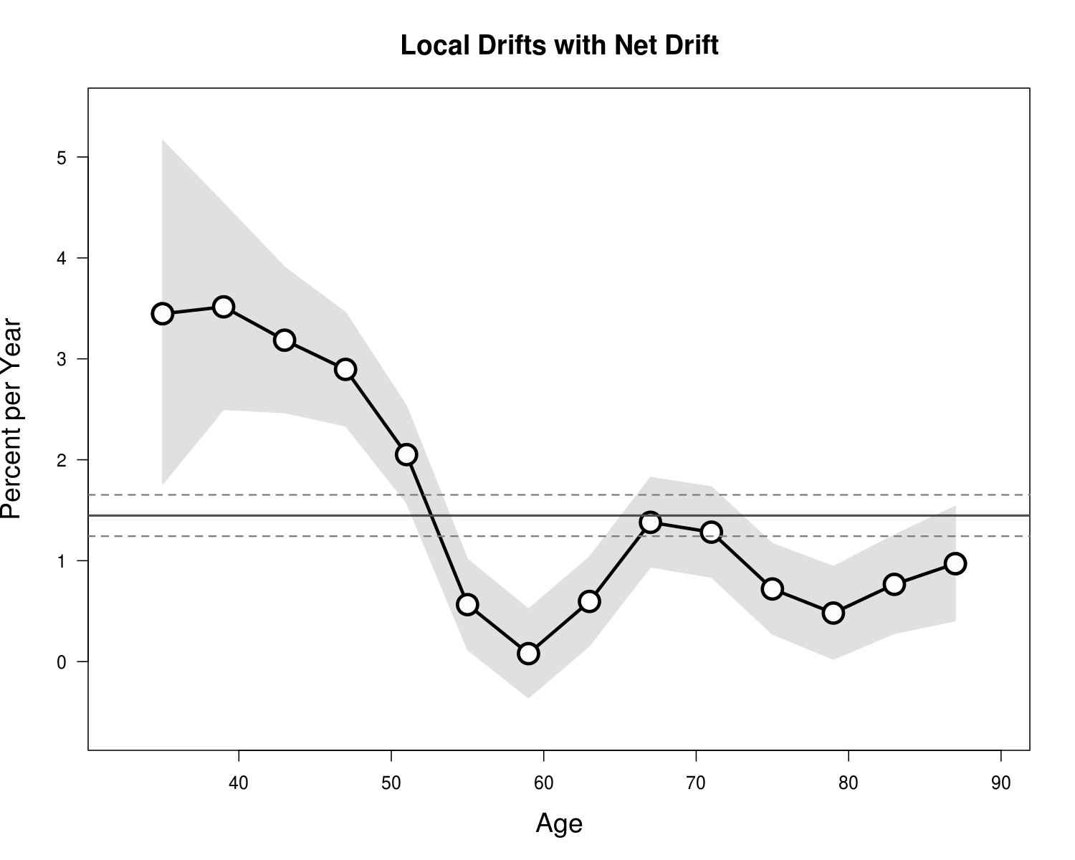
Age | Percent.per.Year | CILo | CIHi
35 | 3.447 | 1.759 | 5.163
39 | 3.516 | 2.499 | 4.542
43 | 3.185 | 2.466 | 3.909
47 | 2.896 | 2.335 | 3.46
51 | 2.051 | 1.573 | 2.532
55 | 0.565 | 0.118 | 1.014
59 | 0.08 | -0.36 | 0.521
63 | 0.597 | 0.158 | 1.037
67 | 1.38 | 0.938 | 1.825
71 | 1.283 | 0.836 | 1.732
75 | 0.72 | 0.273 | 1.17
79 | 0.482 | 0.023 | 0.942
83 | 0.766 | 0.279 | 1.255
87 | 0.971 | 0.404 | 1.54

