EMFO
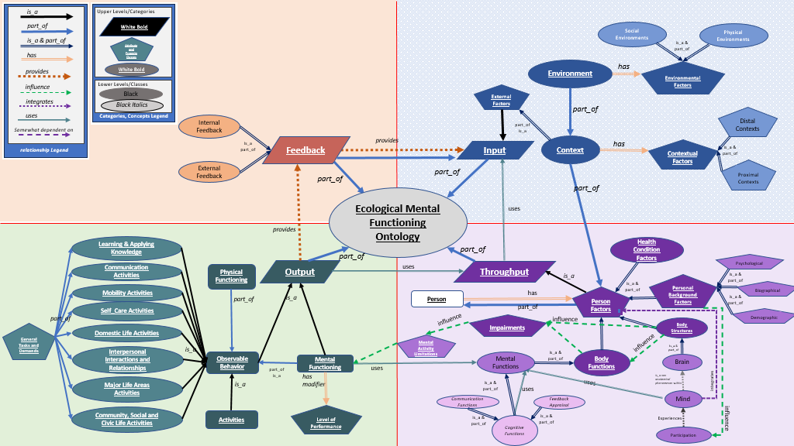

Guy - maybe Level of perfomance shold be a qualifier to observable behavior. This way both the physcial functioning and the mental functioning have this modifier.

updated 6/24/24
TTD: Update

