EMFO
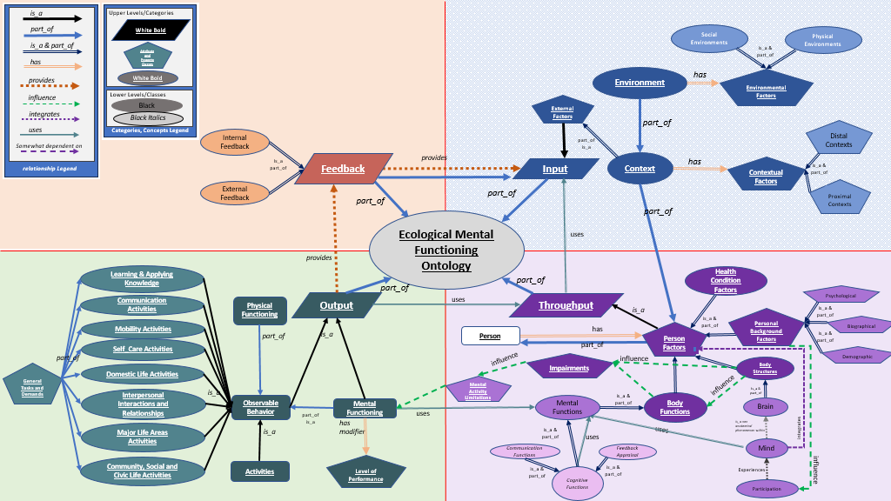

Guy - maybe Level of perfomance shold be a qualifier to observable behavior. This way both the physcial functioning and the mental functioning have this modifier.

updated 6/24/24

ttd - change has-modifier to mental functioning, to has-attribute to level of performance
ttd make relationship between observalbe behavior to level of performance as

