Instructions


Please select the sheet taking into account the publication that you want to disseminate

Please complete the form(s) with the relevant metadata fields
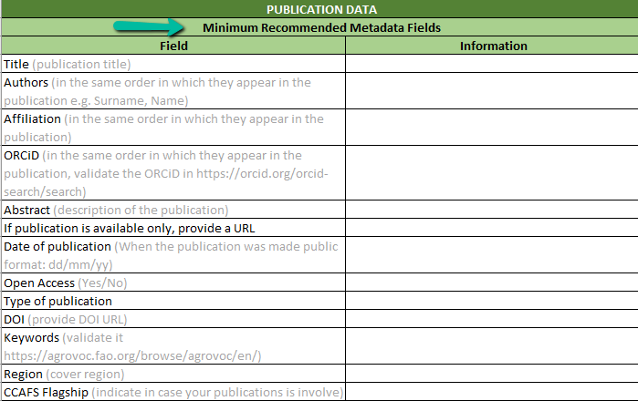

Remember to attached the template and the PDF file of the publication to the email

Publications
Select from the dropdown list
PUBLICATION DATA
Minimum Recommended Metadata Fields
Field | Information
Who is the cluster owner of this publication?
Title (publication title)
Authors (in the same order in which they appear in the publication e.g. Surname, Name)
Affiliation (in the same order in which they appear in the publication)
ORCiD (in the same order in which they appear in the publication, validate the ORCiD in https://orcid.org/orcid-search/search)
Abstract (description of the publication)
If publication is available only, provide a URL
Date of publication (When the publication was made public format: dd/mm/yy)
Open Access (Yes/No)
Type of publication
DOI (provide DOI URL)
Keywords (validate it https://agrovoc.fao.org/browse/agrovoc/en/)
Region (cover region)
Does this publication is shared with other cluster? (if is more than one please use the rows below)
Does this publication is shared with other cluster?
Does this publication is shared with other cluster?
Which component this publication is contributing to?

Datasets
DATASET DATA
Minimum Recommended Metadata Fields
Field | Information
Title (publication title)
Authors (in the same order in which they appear in the publication e.g. Surname, Name)
Affiliation (in the same order in which they appear in the publication)
ORCiD (in the same order in which they appear in the publication, validate the ORCiD in https://orcid.org/orcid-search/search)
Keywords (validate it https://agrovoc.fao.org/browse/agrovoc/en/)
Region (cover region)
Abstract (description of the publication)
Producer (The producer is the organization or person with the financial or administrative responsibility over this Dataset)
Production date (Date when the data collection or other materials were produced (not distributed, published or archived) format: YYY/MM/DD)
Distributor (This is the organization designated by the author or producer to generate copies of the study including any necessary editions or revisions)
Related publications (Publications that use the data from this Dataset)
Related materials (Any related material)
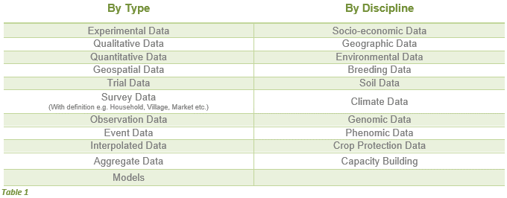
Related datasets (Any Datasets that are related to this Dataset, such as previous research on this subject)
Time period covered - start (Start date which reflects the time period covered by the data, not the dates of coding or making documents machine-readable or the dates the data were collected. Also known as span)
Time period covered - End (End date which reflects the time period covered by the data, not the dates of coding or making documents machine-readable or the dates the data were collected. Also known as span)
Date of collection - start (Starting Date when the data were collected)
Date of collection - end (Ending Date when the data were collected)
Geographic unit (Information on the geographic unit of the data – e.g. country, state, etc.)
Kind of data by type (select from the table)
Kind of data by discipline (select from the table)
Notes
Open Access (Yes/No)
Who is the cluster owner of this publication?
Does this publication is shared with other cluster? (if is more than one please use the rows below)
Does this publication is shared with other cluster?
Does this publication is shared with other cluster?
Which component this publication is contributing to?

