Venny 2.1 results
Supplemental table 4 D: Venny 2.1 results
 | Loeb et al. | Hart et al. | Diener et al.
 | MPEG1 | BORCS7 | MS4A7
 | IRF2BP2 | ZBTB44 | THBD
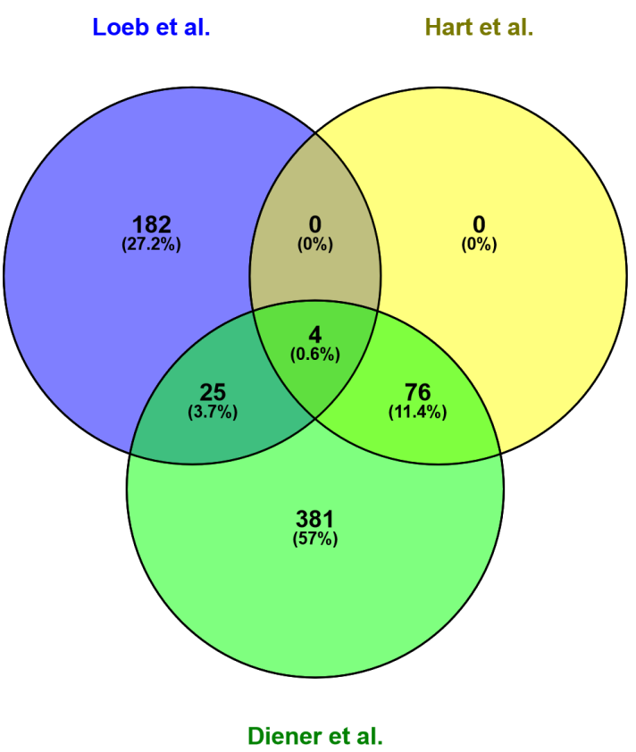
 | ARNTL | POLDIP3 | IRS2
 | GNAS | MPEG1 | C16orf54
 | FOSL2 | ULK2 | ARRDC2
 | DUSP11 | ARRDC2 | OLFM4
 | PANK3 | NSG2 | SMAD7
 | ASH1L | IRF2BP2 | MPEG1
 | RCN2 | SNX1 | KLHL24
 | RCOR1 | CCR9 | GLIPR1
 | MOBKL3 | IL6R | FGL2
 | RC3H2 | GALT | VSIG1
 | ZDHHC21 | EN2 | VCAN
 | MAF | ZNF83 | ARG1
 | SFMBT1 | H3F3A | VIPR1
 | AFF4 | CCNJL | LILRB1
 | MCM2 | RAPGEF6 | ZFP36L2
 | BACH1 | MPP7 | FBXO32
 | E2F2 | PTPN12 | LPAR6
 | P2RY10 | CCPG1 | GABARAPL1
 | MAP3K14 | ATP6V1G1 | OXNAD1
 | DDI2 | CDS1 | KLF3
 | ARL5B | OLFM4 | ARL4C
 | ITK | MYO1E | PDCD4
 | TSPAN14 | KLF3 | BCL11A
 | 2700078E11RIK | SARAF | TCF4
 | ARHGAP18 | SACM1L | PTPN22
 | 8430406I07RIK | ASAP2 | CCR9
 | SPRED1 | ARNTL | ZHX2
 | MLL5 | MARF1 | SSH2
 | NF1 | IRS2 | PLXDC1
 | SRP68 | ARL6IP5 | ESYT2
 | INPP5D | ACTA1 | AMT
 | LMBRD1 | SLC19A3 | CNOT6L
 | ZFP518A | PF4V1 | MEF2C
 | CCDC130 | DIPK2A | PLEKHA2
 | NECAP1 | COMMD6 | NR3C2
 | ZFP831 | PCSK5 | EEPD1
 | JARID2 | SLC49A4 | PID1
 | ADAM10 | IGJ | IL16
 | RREB1 | TNS3 | COBLL1
 | TCF4 | ZNF451 | RCBTB2
 | NUMB | DELE1 | RNF166
 | PAX3 | GLIPR1 | ZSWIM6
 | WDR26 | RPRD2 | CA6
 | MALT1 | RCHY1 | ZNF83
 | RNF4 | CDKL2 | NLRP1
 | MTPN | MTURN | BTLA
 | NSD1 | SNRPN | TCP11L2
 | FAM168A | REPS2 | AMIGO1
 | ATXN7L3B | MS4A7 | CLN8
 | CBFB | NECAB1 | MPP7
 | TAOK3 | LATS2 | GAB2
 | A230046K03RIK | DOK2 | LHFPL2
 | NR3C1 | FCHO2 | MS4A3
 | AHR | NRCAM | IGF1R
 | SYVN1 | ADAM23 | SORT1
 | SH3KBP1 | RANBP10 | PCSK5
 | MAP3K2 | PFN2 | ANKH
 | NEDD4 | TOMM7 | CTSC
 | 0610011L14RIK | KRCC1 | MGAT4A
 | HAT1 | LILRB1 | IRF2BP2
 | CSNK1G2 | ANKRD12 | JHDM1D
 | PIGM | MTR | CAMK4
 | JHDM1D | ZNF12 | C1orf21
 | LGALS8 | GNAS | CYLD
 | A930001N09RIK | NUFIP2 | TRIB2
 | AP4E1 | VAMP3 | CCDC96
 | CLPX | GNG2 | PHF21A
 | USP14 | GFRA2 | PTPN12
 | PRPF4 | IL16 | ZC3H6
 | 2810407C02RIK | INPP5A | PDE7A
 | CHD8 | VPS4B | GNAS
 | NDUFS1 | KAT6A | LRRC70
 | REST | NFATC2IP | SYTL2
 | GRHPR | SMOC1 | GFRA2
 | SFPQ | THBD | RCOR1
 | SFT2D2 | ZSCAN18 | CYFIP2
 | KDM2A | LILRA1 | CA5B
 | DMTF1 | KLHL24 | MGP
 | 5730455P16RIK |  | FDX1
 | ATG3 |  | DOK2
 | CPD |  | PHF20L1
 | 1110067D22RIK |  | ACSL6
 | SIKE1 |  | AKT3
 | ZFP654 |  | ZNF10
 | DERL1 |  | S1PR3
 | GTF2H2 |  | IGJ
 | ACBD5 |  | FTH1
 | LPIN1 |  | SESN3
 | RPS6KA3 |  | ATF7IP2
 | TNRC6B |  | PAG1
 | HDHD2 |  | PLAG1
 | RC3H1 |  | GNG2
 | SMAD5 |  | SNURF
 | PAPOLA |  | PELI1
 | ARL2BP |  | GATA3
 | MCM4 |  | CDKN1B
 | LIN7C |  | MIDN
 | PTP4A1 |  | MTURN
 | UPF2 |  | ENTPD1
 | TNFSF9 |  | F13A1
 | HIAT1 |  | GPR174
 | SLC25A44 |  | SLC12A6
 | C230081A13RIK |  | ARHGEF6
 | MEF2C |  | SARAF
 | POU2F1 |  | ARHGEF7
 | GPR174 |  | S1PR1
 | MLYCD |  | FGD4
 | D5ERTD579E |  | PITPNC1
 | PLEKHA3 |  | BRD1
 | RUFY2 |  | SNRPN
 | ROD1 |  | CEP68
 | 9930021J03RIK |  | SLC8A1
 | UBLCP1 |  | CSNK1G2
 | ZFP652 |  | TNRC6B
 | PSMB6 |  | PHC3
 | ATP8B4 |  | SNX1
 | GM4944 |  | GLCCI1
 | ZFP187 |  | C22orf29
 | JMJD1C |  | ARAP3
 | RNF6 |  | ZADH2
 | MIER3 |  | TGFBR2
 | FAM46C |  | LILRA1
 | TAB2 |  | KBTBD11
 | B630005N14RIK |  | PTPN4
 | DIABLO |  | MYB
 | PSKH1 |  | YTHDC1
 | CDT1 |  | VAV3
 | AI316807 |  | PF4V1
 | SSH2 |  | FAM8A1
 | SLC38A2 |  | NR1D2
 | SOS1 |  | EPS8
 | RHEB |  | HYI
 | TCEANC |  | RAB11FIP4
 | WDR45L |  | SGTB
 | RBL1 |  | TNS3
 | LRRC42 |  | SMAD3
 | E130308A19RIK |  | KLHDC1
 | GPM6B |  | CYB561D1
 | TNRC6C |  | ANKRD44
 | TBC1D9B |  | KAT6A
 | ENTPD6 |  | TRPS1
 | MEF2A |  | ZMYM2
 | ETS1 |  | SEMA5A
 | MED14 |  | DYRK2
 | SKI |  | TBC1D4
 | EFHA2 |  | IL6R
 | ICOS |  | GNA13
 | ATXN1L |  | SERINC1
 | SS18 |  | ABI2
 | KBTBD7 |  | MARCH1
 | CLTA |  | ANTXR2
 | 1700081L11RIK |  | FZD1
 | ZMYM2 |  | PRKCA
 | CD274 |  | LRRC8C
 | CD47 |  | LEPROTL1
 | KCTD9 |  | NPTX2
 | BTLA |  | NIN
 | ALDOC |  | ULK2
 | RCBTB1 |  | ZNF318
 | MED13L |  | PHF3
 | D15ERTD621E |  | FAM134C
 | PELI1 |  | FBXO11
 | CNIH |  | NKTR
 | IRGM2 |  | ZSCAN18
 | ATP8A1 |  | FRYL
 | CD226 |  | PIK3CA
 | PHC3 |  | WDFY3
 | PRKCA |  | PLEKHA1
 | NELF |  | GALNT12
 | PICALM |  | RAPGEF6
 | RP2H |  | DRAM2
 | BRWD3 |  | CBFA2T2
 | BMPR1A |  | ZNF792
 | TRPS1 |  | EHD1
 | KAT2B |  | USP9X
 | ZFP260 |  | UBASH3B
 | FBXO11 |  | ZNF33B
 | ZFP664 |  | MYO1E
 | G3BP2 |  | ZNF185
 | RBM33 |  | PRKX
 | WBSCR22 |  | SLC26A11
 | KBTBD2 |  | SLC49A4
 | IL7R |  | FAM129A
 | GM15800 |  | HECA
 | MED21 |  | ICOSLG
 | TMEM209 |  | AAK1
 | LPGAT1 |  | IER5
 | PKN2 |  | CCPG1
 | PTEN |  | ACVR1C
 | ZFP236 |  | ZEB2
 | TRIB1 |  | DCAF16
 | PURA |  | ZNF793
 | YIPF5 |  | ZXDB
 | ELK3 |  | ATP6V1G1
 | TRIM35 |  | HELZ
 | CEBPB |  | OSBPL8
 | ATP2B1 |  | UBN2
 | DHFR |  | SNTB2
 | HIF1A |  | SGK3
 | ZNRF3 |  | LATS2
 | STK38 |  | OSBPL3
 | ZFP277 |  | SLC35E2B
 | GBP8 |  | CACNA2D2
 | TRP53INP1 |  | ZNF528
 | WEE1 |  | CHURC1
 | TMEM64 |  | UBE2Q2
 | KRAS |  | RICTOR
 | PMAIP1 |  | ZNF880
 | GFI1 |  | ABCA9
 |  |  | PPP1R17
 |  |  | MCTP1
 |  |  | BRWD1
 |  |  | CCNJL
 |  |  | PMP22
 |  |  | LEMD3
 |  |  | LDLRAD2
 |  |  | ST8SIA4
 |  |  | PLXNC1
 |  |  | RGPD5
 |  |  | DIP2A
 |  |  | ZNF445
 |  |  | ZC3H12B
 |  |  | SNX29
 |  |  | NRCAM
 |  |  | YAF2
 |  |  | FAM117B
 |  |  | RPS14
 |  |  | ZNF721
 |  |  | ZNF577
 |  |  | C9orf170 LcodingRNA
 |  |  | TMF1
 |  |  | GLUL
 |  |  | TMEM170B
 |  |  | PLEKHG2
 |  |  | FOXP1
 |  |  | COMMD6
 |  |  | WNK1
 |  |  | SLU7
 |  |  | SLC4A4
 |  |  | SERTAD2
 |  |  | C1orf63
 |  |  | FGF9
 |  |  | SERINC3
 |  |  | SLC9A8
 |  |  | KIFC2
 |  |  | FBXO9
 |  |  | PAPPA
 |  |  | ZNF12
 |  |  | ZDHHC2
 |  |  | GATAD2B
 |  |  | CNST
 |  |  | C9orf78
 |  |  | ZNF226
 |  |  | SIRT1
 |  |  | PARP15
 |  |  | ELF1
 |  |  | TTC14
 |  |  | TBC1D15
 |  |  | PTPRJ
 |  |  | SPIN2B
 |  |  | PHF17
 |  |  | ABCA5
 |  |  | FMO5
 |  |  | TRAPPC10
 |  |  | PJA2
 |  |  | ANKRD12
 |  |  | PTPRC
 |  |  | PLEKHF2
 |  |  | KIAA1468
 |  |  | NDFIP1
 |  |  | S100PBP
 |  |  | CDS1
 |  |  | ZFAND6
 |  |  | CHD9
 |  |  | ARL2BP
 |  |  | INADL
 |  |  | KPNA1
 |  |  | ZNF211
 |  |  | KIAA2022
 |  |  | F11R
 |  |  | PTCD3
 |  |  | STIM2
 |  |  | ZNF85
 |  |  | FCHO2
 |  |  | IPO9
 |  |  | ARNTL
 |  |  | SLC10A2
 |  |  | ZBTB38
 |  |  | CATSPER2
 |  |  | SLC25A36
 |  |  | EN2
 |  |  | IL1RAP
 |  |  | DNAJB14
 |  |  | TBC1D23
 |  |  | SATB1
 |  |  | RANBP10
 |  |  | ATP2B1
 |  |  | C8orf44-SGK3
 |  |  | SHROOM4
 |  |  | HAPLN2
 |  |  | EGLN3
 |  |  | MARF1
 |  |  | BCL2L2
 |  |  | CARS2
 |  |  | ATAD2B
 |  |  | RELL1
 |  |  | MARCH6
 |  |  | RPRD2
 |  |  | LPCAT2
 |  |  | GPR107
 |  |  | C19orf77
 |  |  | ACVR2A
 |  |  | C2orf68
 |  |  | CUX1
 |  |  | MED13L
 |  |  | TOMM7
 |  |  | VEZF1
 |  |  | FNIP1
 |  |  | CPA3
 |  |  | NFATC2IP
 |  |  | PRKAB2
 |  |  | ZNF675
 |  |  | RPS6KA3
 |  |  | TMEM144
 |  |  | ZXDC
 |  |  | TULP4
 |  |  | GALT
 |  |  | MBNL2
 |  |  | SUPT7L
 |  |  | SVIL
 |  |  | IL6ST
 |  |  | PDS5A
 |  |  | ZNF516
 |  |  | LGALSL
 |  |  | DOCK5
 |  |  | FAM76A
 |  |  | ARL6IP5
 |  |  | ZNF148
 |  |  | STOX2
 |  |  | ZNF25
 |  |  | STYX
 |  |  | BTN3A1
 |  |  | FAM105A
 |  |  | H3F3A
 |  |  | UBE2R2
 |  |  | DDX43
 |  |  | DMTF1
 |  |  | ZBTB10
 |  |  | DENND5A
 |  |  | UQCRB
 |  |  | MBTD1
 |  |  | SNED1
 |  |  | AMZ1
 |  |  | SMC1A
 |  |  | C16orf52
 |  |  | SACM1L
 |  |  | FAM160B1
 |  |  | TGFBR1
 |  |  | NBPF3
 |  |  | YTHDC2
 |  |  | CDC42SE2
 |  |  | MTR
 |  |  | FAM76B
 |  |  | DNAJC27
 |  |  | HMBOX1
 |  |  | RPS3
 |  |  | TRIM2
 |  |  | PFN2
 |  |  | G3BP2
 |  |  | ZNF644
 |  |  | CCDC144A
 |  |  | RFX7
 |  |  | METTL9
 |  |  | DELE1
 |  |  | ARHGAP32
 |  |  | SESTD1
 |  |  | GNAL
 |  |  | KHNYN
 |  |  | OSBPL2
 |  |  | ACTA1
 |  |  | TSC1
 |  |  | UFL1
 |  |  | DENND5B
 |  |  | CTNND1
 |  |  | FCRL1
 |  |  | ADAM23
 |  |  | TMEM123
 |  |  | PPM1A
 |  |  | WTAP
 |  |  | FAM104A
 |  |  | DRP2
 |  |  | INPP5A
 |  |  | FAM133B
 |  |  | SPIN1
 |  |  | PPIG
 |  |  | AFF4
 |  |  | ZNF248
 |  |  | NUFIP2
 |  |  | ADRB1
 |  |  | ZNF33A
 |  |  | DCP2
 |  |  | MAPK1
 |  |  | SYPL1
 |  |  | DIPK2A
 |  |  | ERP44
 |  |  | PRR15
 |  |  | PSKH1
 |  |  | ENTPD4
 |  |  | ZNF135
 |  |  | WDR33
 |  |  | ASAP2
 |  |  | PTBP2
 |  |  | ZKSCAN1
 |  |  | PLXNA4
 |  |  | COL4A4
 |  |  | SH3D19
 |  |  | TNKS
 |  |  | ADNP
 |  |  | RNPC3
 |  |  | ZNF709
 |  |  | KRCC1
 |  |  | BAG5
 |  |  | CCDC39
 |  |  | NFYA
 |  |  | ATXN1L
 |  |  | PRPF38B
 |  |  | NIPSNAP3A
 |  |  | BORCS7
 |  |  | BCL2L15
 |  |  | NUAK1
 |  |  | FUT4
 |  |  | SLC9A4
 |  |  | ZBTB41
 |  |  | USP15
 |  |  | UST
 |  |  | ACTR10
 |  |  | VAMP3
 |  |  | CNOT6
 |  |  | N6AMT1
 |  |  | RCHY1
 |  |  | ZNF493
 |  |  | ZNF845
 |  |  | RAP1B
 |  |  | CUL3
 |  |  | ZNF714
 |  |  | CASTOR3
 |  |  | FBLN1
 |  |  | HERC4
 |  |  | CNTN4
 |  |  | HBS1L
 |  |  | RHOQ
 |  |  | REPS2
 |  |  | ZNF236
 |  |  | ZNF786
 |  |  | USP43
 |  |  | CNNM1
 |  |  | WDR82
 |  |  | VPS4B
 |  |  | ARMC8
 |  |  | ZNF808
 |  |  | SF3B1
 |  |  | CPEB4
 |  |  | RC3H1
 |  |  | CDC14B
 |  |  | VGLL3
 |  |  | SLC19A3
 |  |  | ZNF451
 |  |  | INO80D
 |  |  | PARK2
 |  |  | MITF
 |  |  | GATS
 |  |  | SH3BP4
 |  |  | SAP30L
 |  |  | ZBTB44
 |  |  | HMP19
 |  |  | TOMM20
 |  |  | SGCD
 |  |  | SMOC1
 |  |  | POLDIP3
 |  |  | CDKL2
 |  |  | NECAB1
 |  |  | NSG2

