Script & Requirements
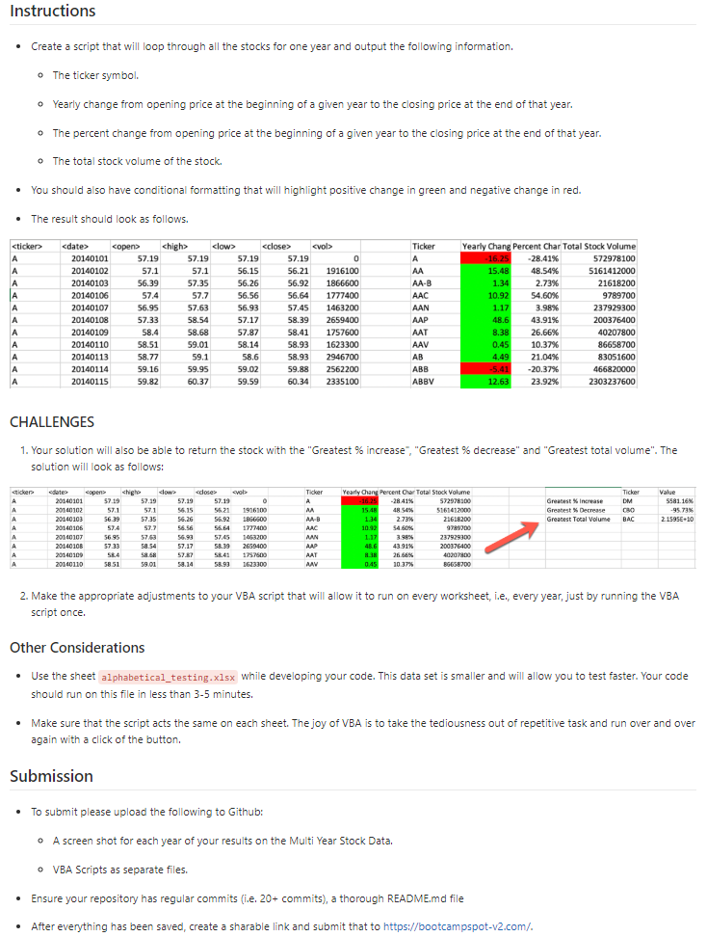
Click on "Developer" tab to run script (F5)
(script pasted below)

Sub stock_summary()
'Set pointer to first workbook, top-left, for content deletion warning
Sheets(1).Select
Application.Goto Range("A1"), 1
'Warn client columns H thru Q will be cleared of both formatting and content to make room for report
If MsgBox("Warning: for " & Application.ThisWorkbook.Name & "'s Worksheets, columns H thru Q will be cleared - continue?", vbYesNo) = vbNo Then Exit Sub
Dim Year_Tab As Worksheet
'Step through each worksheet within the workbook
For Each Year_Tab In Worksheets
Year_Tab.Select
Application.Goto Range("A1"), 1
'Define variables
Dim Ticker_Name As String
Dim Year As Integer
Dim First_Record As Boolean
Dim Year_Open_Price As Double
Dim Summary_Table_Row As Integer
Dim Year_Stock_Volume As Double
Dim Greatest_Stock_Value_Volume As Double
'Clear and set width and formating columns H thru Q for report
Columns("I:Q").Clear
Columns("H:Q").ColumnWidth = 12
Columns("I:I").HorizontalAlignment = xlLeft
Columns("I:I").ColumnWidth = 7
Columns("J:L").HorizontalAlignment = xlRight
Columns("K:L").ColumnWidth = 15
Columns("J:J").NumberFormat = "#.##"
Columns("N:P").HorizontalAlignment = xlLeft
Columns("K:K").NumberFormat = "#.##%"
Columns("I:P").Font.Bold = False
'Setup Column headers, title and format, for report
Range("I" & 1).Value = "Ticker"
Range("I" & 1).Font.Bold = True
Range("I" & 1).Interior.ColorIndex = 15
Range("J" & 1).Value = "Year Change"
Range("J" & 1).Font.Bold = True
Range("J" & 1).Interior.ColorIndex = 15
Range("K" & 1).Value = "Year % Change"
Range("K" & 1).Font.Bold = True
Range("K" & 1).Interior.ColorIndex = 15
Range("L" & 1).Value = "Year Volume"
Range("L" & 1).Font.Bold = True
Range("L" & 1).Interior.ColorIndex = 15
'Define counter and sum variables before looping throu records
First_Record = True
Greatest_Stock_Value_Perc_Yr_Inc = 0
Greatest_Stock_Value_Perc_Yr_Dec = 0
Greatest_Stock_Value_Volume = 0
'Set summary table row to 2nd row (after title)
Summary_Table_Row = 2
Year_Open_Price = Cells(2, 3).Value
Year_Stock_Volume = Cells(2, 7).Value
'Loop through all data rows
For i = 2 To Cells(Rows.Count, 1).End(xlUp).Row
If Year_Open_Price > 0 Then
'Check for last record within an individual ticker
If Cells(i + 1, 1).Value <> Cells(i, 1).Value Then
'Since last record, start writing to summary table
Range("I" & Summary_Table_Row).Value = Cells(i, 1).Value
Range("J" & Summary_Table_Row).Value = Cells(i, 6).Value - Year_Open_Price
'If year's open price is lower(negative) than close price, set cell format to Red(3), otherwise (positive) Green(4)
If Cells(i, 6).Value - Year_Open_Price < 0 Then
Range("J" & Summary_Table_Row).Interior.ColorIndex = 3
Else
Range("J" & Summary_Table_Row).Interior.ColorIndex = 4
End If
'Calculate %price change between year's open and close price
Range("K" & Summary_Table_Row).Value = (Cells(i, 6).Value - Year_Open_Price) / Year_Open_Price
'Year's stock volume
Range("L" & Summary_Table_Row).Value = Year_Stock_Volume + Cells(i, 7).Value
'Check if greatest stock value increase for the year
If (Cells(i, 6).Value - Year_Open_Price) / Year_Open_Price > Greatest_Stock_Value_Perc_Yr_Inc Then
Greatest_Stock_Value_Perc_Yr_Inc = (Cells(i, 6).Value - Year_Open_Price) / Year_Open_Price
Greatest_Stock_Perc_Yr_Inc = Cells(i, 1).Value
End If
'Check if greatest stock value decrease for the year
If (Cells(i, 6).Value - Year_Open_Price) / Year_Open_Price < Greatest_Stock_Value_Perc_Yr_Dec Then
Greatest_Stock_Value_Perc_Yr_Dec = (Cells(i, 6).Value - Year_Open_Price) / Year_Open_Price
Greatest_Stock_Perc_Yr_Dec = Cells(i, 1).Value
End If
'Check if greatest stock volume for the year
If (Year_Stock_Volume + Cells(i, 7).Value) > Greatest_Stock_Value_Year_Volume Then
Greatest_Stock_Value_Year_Volume = Year_Stock_Volume + Cells(i, 7).Value
Greatest_Stock_Year_Volume = Cells(i, 1).Value
End If
'Move the Summary table row-pointer down 1 row
Summary_Table_Row = Summary_Table_Row + 1
First_Record = True
Else
'If first record of an individual ticker - set year open price and reset stock-volume sum to first record
If First_Record = True Then
Year_Open_Price = Cells(i, 3).Value
First_Record = False
Year_Stock_Volume = Cells(i, 7).Value
Else
'Not first record of an individual ticker
Year_Stock_Volume = Year_Stock_Volume + Cells(i, 7).Value
'Reset year's stock volume
End If
End If
End If
Next i
'Set formating for Summary
Columns("N:N").ColumnWidth = 20
Columns("O:O").ColumnWidth = 7
Range("N" & 1).Value = Left(Cells(2, 2).Value, 4) + " Year"
Range("N" & 1).Font.Bold = True
Range("N" & 1).Interior.ColorIndex = 15
Range("O" & 1).Value = "Ticker"
Range("O" & 1).Font.Bold = True
Range("O" & 1).Interior.ColorIndex = 15
Range("P" & 1).Value = "Value"
Range("P" & 1).Font.Bold = True
Range("P" & 1).Interior.ColorIndex = 15
Range("N" & 2).Value = "Greatest % Increase"
'Write out stored values
Range("O" & 2).Value = Greatest_Stock_Perc_Yr_Inc
Range("P" & 2).Value = Greatest_Stock_Value_Perc_Yr_Inc
Range("P" & 2).NumberFormat = "#.##%"
Range("N" & 3).Value = "Greatest % Decrease"
Range("O" & 3).Value = Greatest_Stock_Perc_Yr_Dec
Range("P" & 3).Value = Greatest_Stock_Value_Perc_Yr_Dec
Range("P" & 3).NumberFormat = "#.##%"
Range("N" & 4).Value = "Greatest Total Volume"
Range("O" & 4).Value = Greatest_Stock_Year_Volume
Range("P" & 4).Value = Greatest_Stock_Value_Year_Volume
Next
End Sub

2016 Top Results
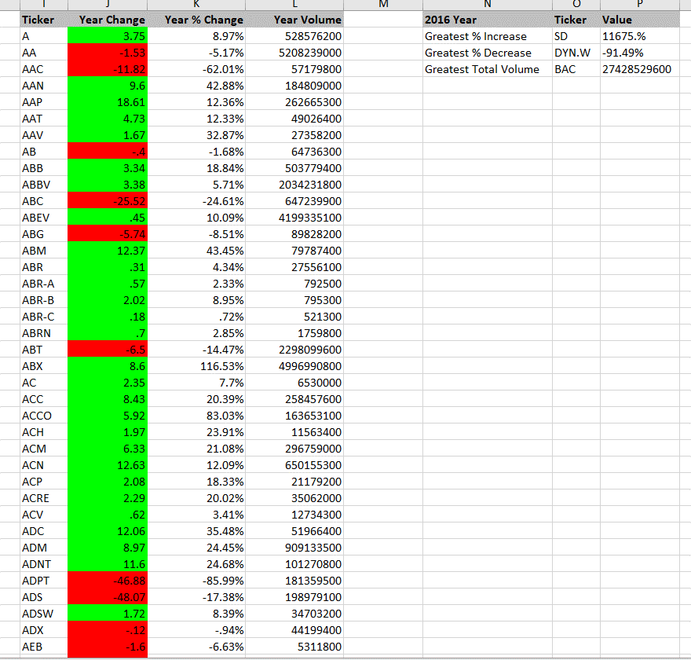

2015 Top Results
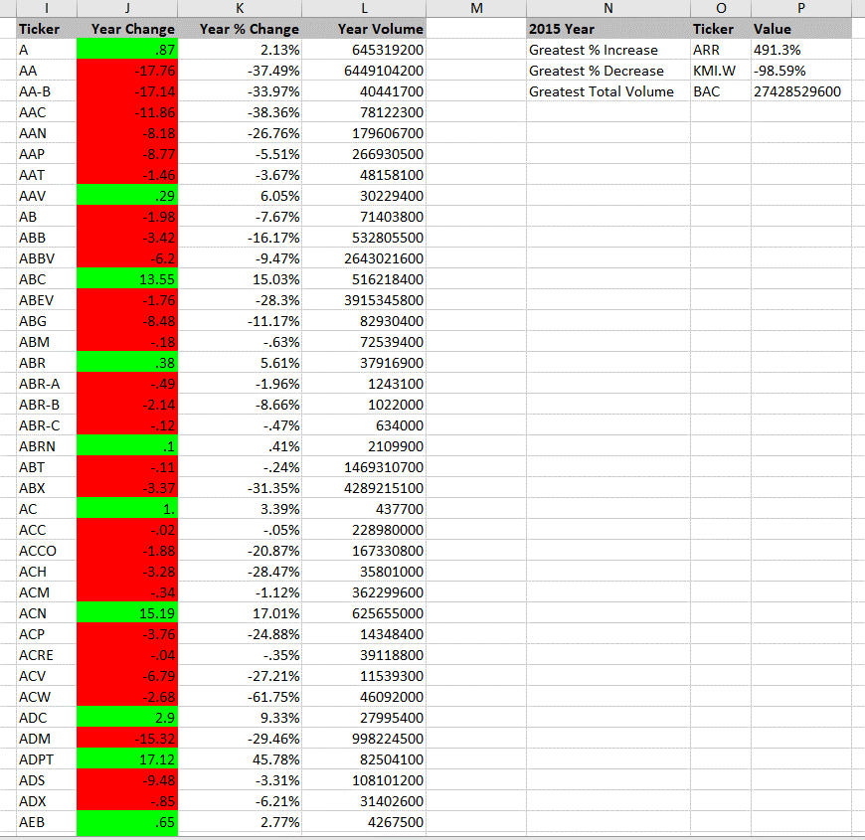

2014 Top Results
