Test Outline Summary
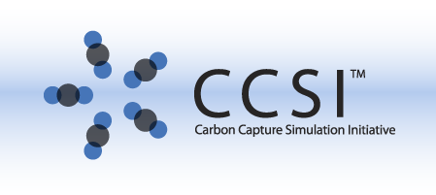
CCSI Software Test Outline for Bubbling Fluidized Bed Reactor Model
Test Outline Author: | Jeffrey Gray <jgray@lbl.gov> |  | Version: | 0.5
Product: | Bubbling Fluidized Bed Reactor Model |  | Version: | v0.10.c2
Development Lead: | Debangsu Battacharyya
OS: | Windows XP/7 |  | OS Version:
Guest Vbox: |  |  | Snapshot:
User Manual: | https://svn.acceleratecarboncapture.org/trac/browser/svn/pt5_process/solid_sorbent/bfb_reactor/trunk/BFB_USER_MANUAL.docx
Dependencies: | Aspen Custom Modeler® (ACM, Aspen Technology, Inc.) v. 7.3
SVN Location: | /svn/pt5_process/solid_sorbent/bfb_reactor/trunk/
JIRA Product: | Bubbling Fluidized Bed Reactor Model |  | JIRA Key: | BFBREACTR
JIRA Category: | PT5 Process Models |  | JIRA Component:
Automation Notes:
Disclaimer: | This outline was prepared as an account of work sponsored by an agency of the United States Government. Neither the United States Government nor any agency thereof, nor any of their employees, makes any warranty, express or implied, or assumes any legal liability or responsibility for the accuracy, completeness, or usefulness of any information, apparatus, product, or process disclosed, or represents that its use would not infringe privately owned rights. Reference herein to any specific commercial product, process, or service by trade name, trademark, manufacturer, or otherwise does not necessarily constitute or imply its endorsement, recommendation, or favoring by the United States Government or any agency thereof. The views and opinions of authors expressed herein do not necessarily state or reflect those of the United States Government or any agency thereof.

Reviewers | Approval Type | Approval Date/Time/Method | Approved Version
Dev Lead | Debangsu Battacharyya
Element 8 Lead | Paolo Calafiura

Revision | Date | Author | Description
0.5 | 20130827 | Jeffrey Gray | updating for Debangsu's new Models

Timing for Scenario | Time in Minutes | (in hours)
Smoke | 70
Core | 175
Full | 20
Special | 45
Total Test Time | 310 | 5.1666666667

Test Outline Notes and Instructions:
When estimating time to execute, include a "slush factor" to account for things like the one time costs of test setup, organization of test collateral, reporting of results, bug reporting. It is often best to look at these costs across the entire test outline and then divide by the number of tests to come up with an additive factor. This model is more of a data implementation rather than a code implementation per se. As such, no significant functional tests are planned.
Acceptance Criteria Test(s): (the listed tests should be first executed - they indicate basic product testability) | Smoke!Install-000 -> Smoke!Tutorial-020 -> Smoke!Tutorial-021 | On initial product delivery, these tests should be first executed. If the main thrust of the tests fail, a bug should be filed, and further product testing should be terminated until a corrected version is provided.

