Test Outline Summary
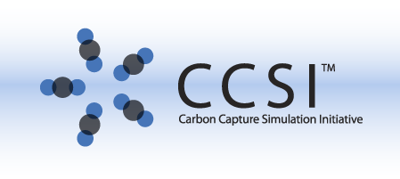
CCSI Software Test Outline for Moving Bed Reactor Model
Test Outline Author: | Jeffrey Gray <jgray@lbl.gov> |  | Version: | 0.3
Product: | Moving Bed Reactor Model |  | Version: | 0.1.c3 (2012.12.11) - MovingB_v1.2.2a ?!
Development Lead: | Juan Morinelly <Juan.Morinelly@netl.doe.gov>
OS: | Windows XP/7 |  | OS Version: | SP3
Guest Vbox: | winxppro.dhcp.lbl.gov |  | Snapshot:
User Manual: | https://www.acceleratecarboncapture.org/drupal/system/files/MovingB-User-Manual_v2.1.pdf
Install Manual: | None
Dependencies: | Aspen Custom Modeler® (ACM, Aspen Technology, Inc.)
SVN Location: | /ts3/MB
JIRA Product: | 1D Steady State Models |  | JIRA Key: | ONEDMODELS
JIRA Category: | PT5 Process Models |  | JIRA Component: | Moving Bed Reactor Model
Automation Notes:
Disclaimer: | This outline was prepared as an account of work sponsored by an agency of the United States Government. Neither the United States Government nor any agency thereof, nor any of their employees, makes any warranty, express or implied, or assumes any legal liability or responsibility for the accuracy, completeness, or usefulness of any information, apparatus, product, or process disclosed, or represents that its use would not infringe privately owned rights. Reference herein to any specific commercial product, process, or service by trade name, trademark, manufacturer, or otherwise does not necessarily constitute or imply its endorsement, recommendation, or favoring by the United States Government or any agency thereof. The views and opinions of authors expressed herein do not necessarily state or reflect those of the United States Government or any agency thereof.

Reviewers | Approval Type | Approval Date/Time/Method | Approved Version
Dev Lead | Juan Morinelly
Element 8 Lead | Paolo Calafiura

Revision | Date | Author | Description
0.3 | 20130313 | Jeffrey Gray | Initial working revision

Timing for Scenario | Time in Minutes | (in hours)
Smoke | 50
Core | 125
Full | 5
Special | 45
Total Test Time | 225 | 3.75

Test Outline Notes and Instructions:
When estimating time to execute, include a "slush factor" to account for things like the one time costs of test setup, organization of test collateral, reporting of results, bug reporting. It is often best to look at these costs across the entire test outline and then divide by the number of tests to come up with an additive factor. While the 0.1c1 version of this project includes a gPROMS project file, it has not and will not be tested/validated. The current plan is that gPROMS will be dropped in future development of this product.
Acceptance Criteria Test(s): (the listed tests should be first executed - they indicate basic product testability) | Smoke!Install-01 -> Smoke!Tutorial-20 | On initial product delivery, these tests should be first executed. If the main thrust of the tests fail, a bug should be filed, and further product testing should be terminated until a corrected version is provided.

