ConfidenceInterval
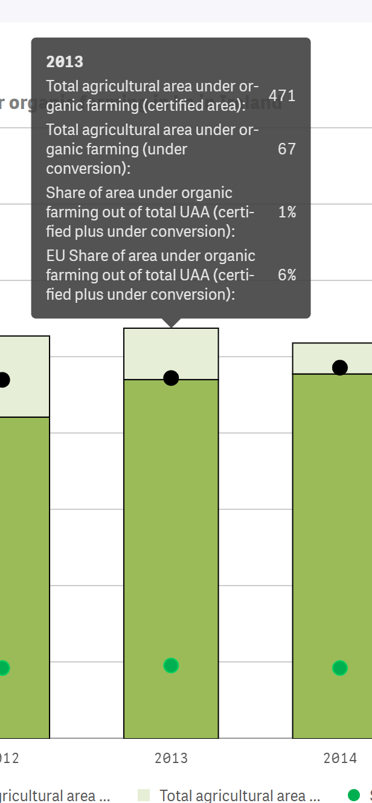
 | 2013 | 2020
Belgium | 4.67 | 7.25
Bulgaria | 1.13 | 2.30
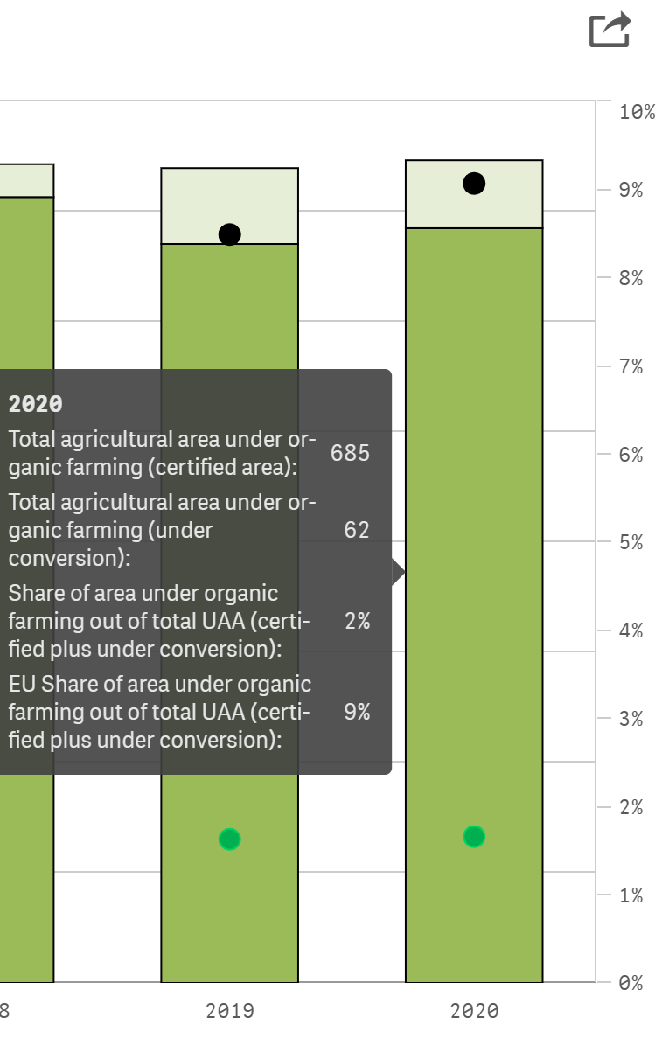
Czechia | 13.47 | 15.33
Denmark | 6.44 | 11.45
Germany (until 1990 former territory of the FRG) | 6.04 | 9.59 | Population | Sample |  |  | CI (97%)
Estonia | 15.65 | 22.41 |  |  | 2013 | 2020
Ireland | 1.20 | 1.66 |  | n | 33 | 33 | alpha= 0.03
Greece | 7.36 | 10.15 |  | average | 6.2378125 | 8.8775 | alpha/2=0.015
Spain | 6.85 | 9.98 |  | s | 4.9120304811 | 6.6420993572
France | 3.66 | 8.71
Croatia | 3.13 | 7.21 |  | x | 2.27 | 2.27
Italy | 10.60 | 15.97 |  | v | 32 | 32
Cyprus | 4.03 | 4.37
Latvia | 9.89 | 14.79
Lithuania | 5.74 | 8.00 |  | ll | 4.2666976895 | 6.2121377906
Luxembourg | 3.39 | 4.63 |  | ul | 8.2089273105 | 11.542862209
Hungary | 2.45 | 6.03 |  |  | 6% | 9%
Malta | 0.06 | 0.62
Netherlands | 2.65 | 3.95
Austria | 18.40 | 25.69
Poland | 4.65 | 3.52
Portugal | 5.31 | 8.05
Romania | 2.06 | 3.45
Slovenia | 8.07 | 10.29
Slovakia | 8.18 | 11.67
Finland | 9.07 | 13.93
Sweden | 16.50 | 20.31
Iceland | 0.49 | 0.32
Norway | 5.23 | 4.58
Switzerland | 12.19 | 16.98
North Macedonia | 0.82 | 0.29
Serbia | 0.23 | 0.60
33 | 6.2378125 | 8.8775
 | 4.9120304811 | 6.6420993572

