Sample
BLAINE CORPORATION
Blaine Industrial Complex,Governor’s Drive, Kamias Road Brgy. 14, Bancal, Carmona Cavite
Phone number: +63 (02) 584 4256 Fax number: +63 (02)584 4258
Website: www.blainegroup.com.ph

Material Sourcing |  |  |  |  |  |  |  |  | #20 -
 | Buyer: |  | Butch Cablao |  |  |  | Date |  | 2020-08-01
 | Contact No. |  | 09178781643 |  |  |  | Target Date |  | 2020-09-30
 | Email Address

 | Material description: |  | Printer Stand Up Pouch
 | Material Code: |  | **none. For product development

 | Parameters and Specifications
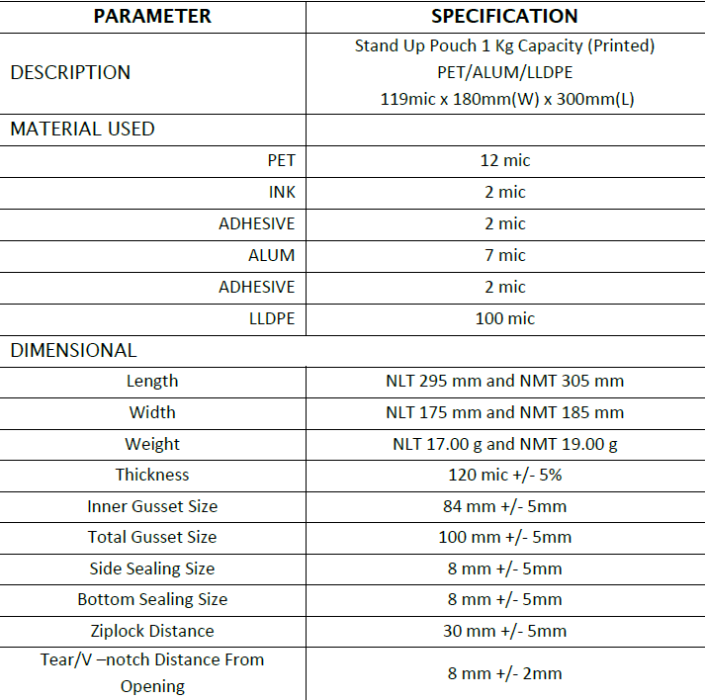

Sample Only

 | Sample requirement |  |  | Acceptable shelf-life
 | Quantity: | 10 |  | 3 - 5 yrs
 | Unit: | pcs

 | Required Documents:

 | Remarks:

 | Prepared by: | B. Cablao |  |  |  | Noted by: |  | V. Dizon
 |  | Buyer |  |  |  |  |  | Supply Chain Head

 | **To be filled up by requestor**

 | Requested by: |  | Peggy |  | Approved by: |  | VOP
 | Date Requested: |  | 2020-08-01

 | Note: Please ensure that the parameters and specifications are complete before submission.
 | For further inquiries, kindly call purchasing department (02) 8584-4256 to 60 loc 220

