spring-mvc
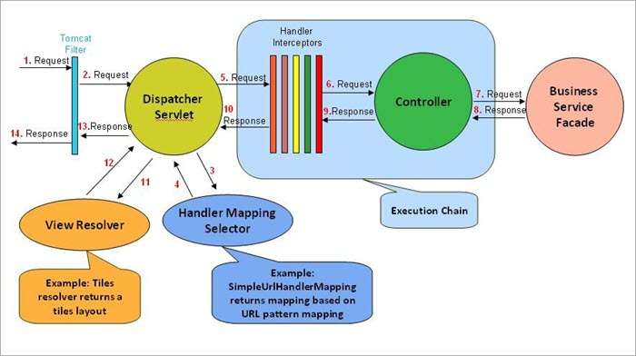
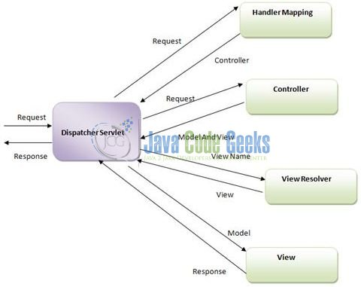
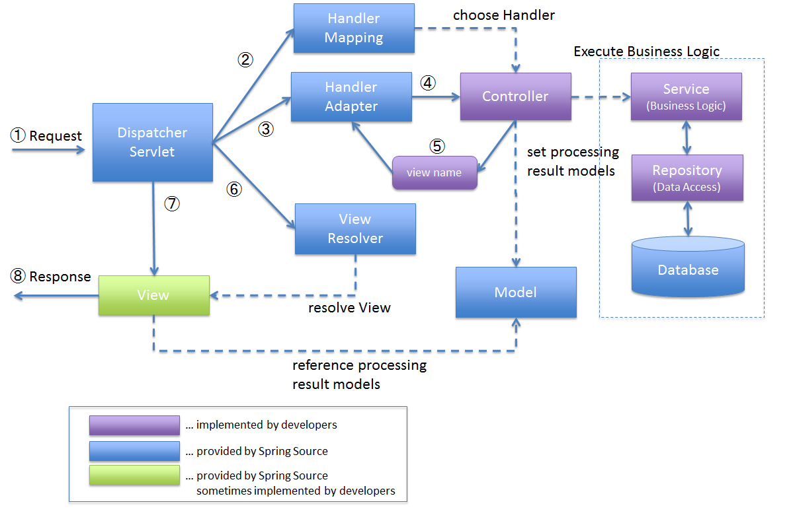
setup, handlermapping, handleradaptor, interceptors, exception, controller, model, content negotiation, view resolver, validation, message converter, localeresolver

set up | using xml and javaconfig
servlet | dispatcherservlet
request mapping | at class and method level, @pathvariable, @modelattribute
handlermapping | BeanNameUrlHandlerMapping,RequestMappingHandlerMapping, ControllerClassNameHandlerMapping , SimpleUrlHandlerMapping, Configure the handler mapping priority, https://www.mkyong.com/tutorials/spring-mvc-tutorials/
 | By default, BeanNameUrlHandlerMapping is used to map the request.
multiactioncontroller | to create group of releated controller
HandlerAdapters | SimpleControllerHandlerAdapter, AnnotationMethodHandlerAdapter, AnnotationMethodHandlerAdapter, RequestMappingHandlerAdapter, HttpRequestHandlerAdapter
binding result | for validation error
@initbinder
property editor | dateeditor, nubmereditor, booleaneditor
interceptor
i18n | https://www.youtube.com/watch?v=okUs0vRdqAg&list=PLBgMUB7xGcO31B2gBmy1igpZn6LK78-CJ&index=25
exception handling | using @ExceptionHandler, global exception using @ControllerAdvice, @ResponceStatus for sending status code, using handlerexceptionresolver https://howtodoinjava.com/spring-mvc/spring-mvc-simplemappingexceptionresolver-example/
HandlerExceptionResolver implementation | SimpleMappingExceptionResolver, DefaultHandlerExceptionResolver, ResponseStatusExceptionResolver, ExceptionHandlerExceptionResolver
custom error page | https://www.baeldung.com/custom-error-page-spring-mvc
controller | @Controller, @restcontroller
 | @responcebody, @requestbody
model, modelmap, modelandview | . @modelattribute at attribute level and method level
 | binding date, collection, long values
content negotiation | Using URL suffixes (extensions) in the request (eg .xml/.json), Using URL parameter in the request (eg ?format=json), Using Accept header in the request, https://www.baeldung.com/spring-mvc-content-negotiation-json-xml
starting page | add following line in spring-servlet.xml <mvc:view-controller path="/" view-name="index" />
ViewResolver | AbstractCachingViewResolver, XmlViewResolver, ResourceBundleViewResolver, UrlBasedViewResolver, InternalResourceViewResolver, FreeMarkerViewResolver, ContentNegotiatingViewResolver
customize validation | . Pattern, past, max, https://www.javatpoint.com/spring-mvc-custom-validation, https://howtodoinjava.com/spring-mvc/spring-mvc-custom-validator-example/
validation | can be added in javaaconfig or xml , also registered usign initbinder
custom form validation | https://www.youtube.com/watch?v=R3yRhL6eIAs&list=PLBgMUB7xGcO31B2gBmy1igpZn6LK78-CJ&index=21
message converter | custom HttpMessageConverter
Default HttpMessageConverters | StringHttpMessageConverter, FormHttpMessageConverter, ByteArrayHttpMessageConverter, MarshallingHttpMessageConverter, MappingJackson2HttpMessageConverter, MappingJackson2XmlHttpMessageConverter, SourceHttpMessageConverter, BufferedImageHttpMessageConverter
HttpMessageConverter | conversion between requestbody to domain object or domain object to response done by HttpMessageConverter depending on request header
client | REstTemplate
response | ResponceEntity<>, You can specify status code, headers, and body
uri builder for post response | UriComponentsBuilder
tags | forms and spring tag
log4j
special beans | HandlerMapping, HandlerAdapter, HandlerExceptionResolver, ViewResolver, LocaleResolver, LocaleContextResolver, ThemeResolver, MultipartResolver
LocaleResolver | Time Zone, Header Resolver, Cookie Resolver, Session Resolver, Locale Interceptor
cors

