README
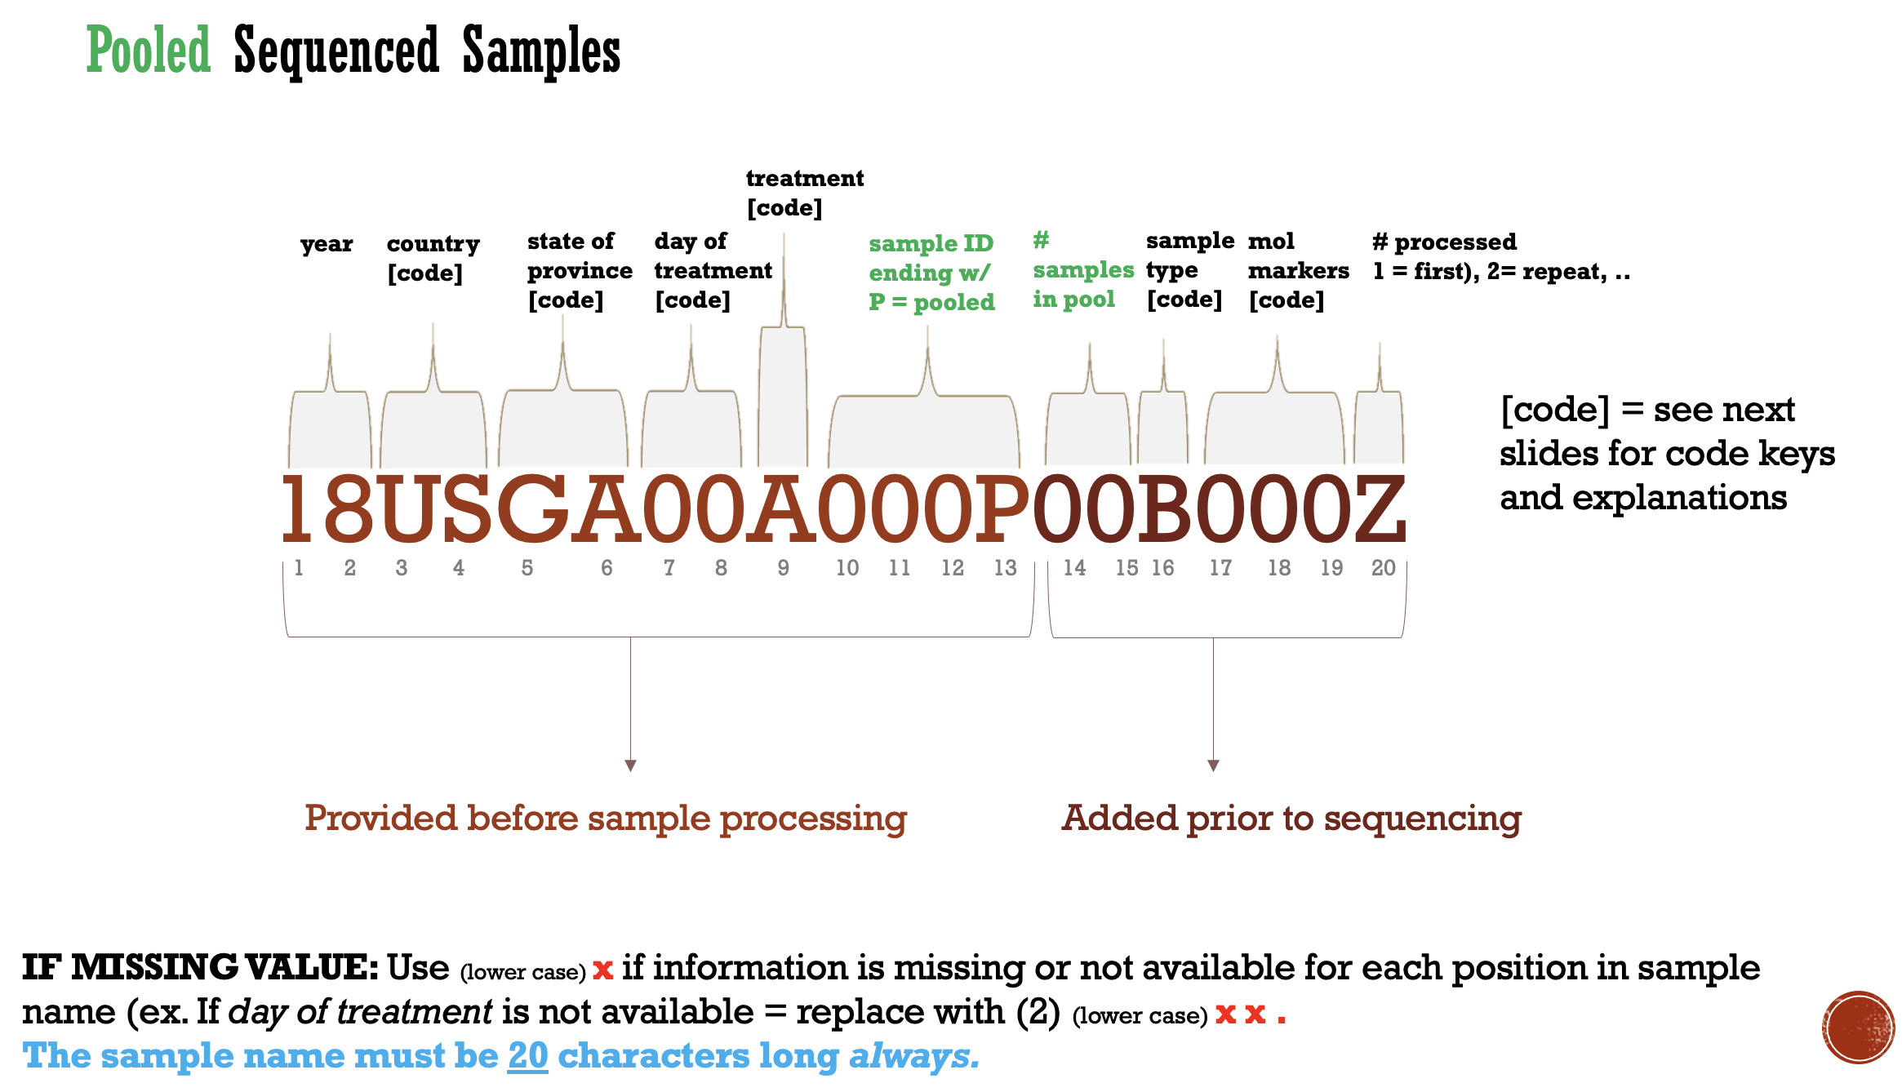
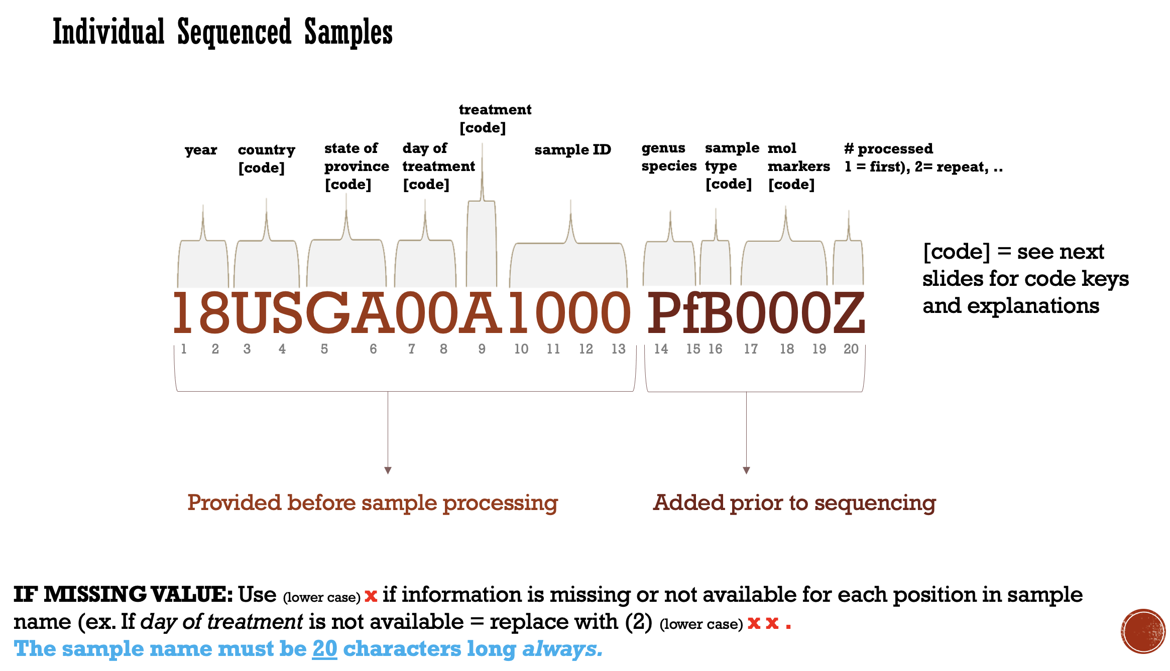
Sample Naming Schema Description
This template will create the AMD ID based on the provided meta-data provided by the user (see tab = create individual or create - pooled)
The CDC MB AMD genomics laboratory uses a standardized sample ID naming schema to capture all associated sample meta-data prior to processing and sequencing. This is refefered to as the AMD ID. Please see below a detailed explanation and examples.
The AMD genomics lab currently uses two sequencing methods: individulal and pooled. Individual are samples are tagged using unique indices prior to sequencing to allow de-multiplexing at the individual sample level. The individual samples often have more than one molecular marker included (e.g. pooled molecular markers). The pooled samples are combined (e.g. pooling of individual samples) either as filter blot spots or DNA based on parsitemia pror to molecular marker amplifcation and then pooling (e.g. pooling of molecular markers per sample pool).
You can add to the list of treatments (tab = treatment data) or markers (tab = mol markers data (max:9)) and the code will update automatically.
LOOKUP
2-letter country abbreviations
2-letter state abbreviations

