How to
1) | Enter date of measurement (year & month) coordinates and velocities

 | Station velocities: get from | https://itrf.ign.fr/en/solutions/itrf2014

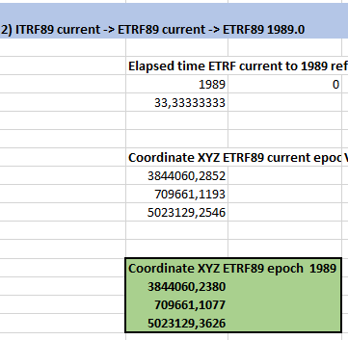
2) | Find transformed ETRF coordinates at the bottom

Validation BKG PBB incl formula
 | Coordinate XYZ ITRF 2014 current epoch
epoch | 2022 | 4 | enter epoch of measurement (year month)
X | 3844059.6740
Y | 709661.6040
Z | 5023129.7190

 | Station velocities
X | -0.01540
Y | 0.0163
Z | 0.0097

1) ITRF current -> ITRF89 current
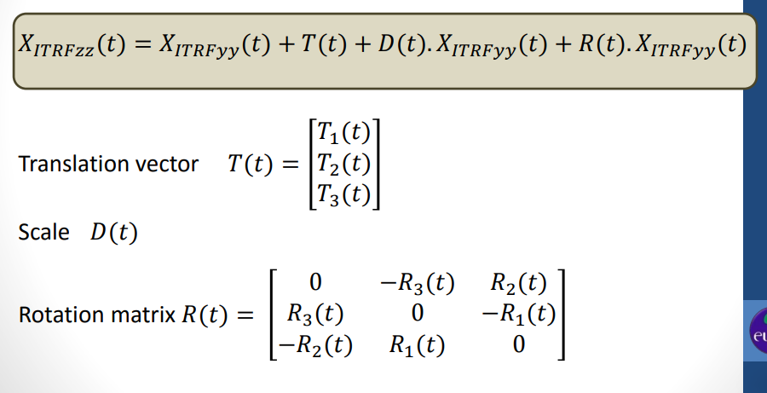
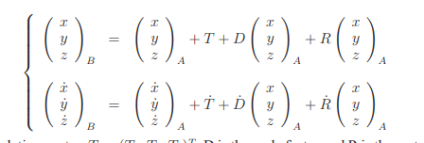
 | Elapsed time ITRF current to 2010 reference epoch |  |  | Transformation Parameters used ITRF2014->ITRF89 |  |  | Rates | 12.333333333
 | 2010 | 0 |  | Tx(t0) | 0.03163 | 0.03040 | 0.0001 | 0.0012333333333
Delta Time (years) | 12.333333333 |  |  | Ty(t0) | 0.02933 | 0.0355 | -0.0005 | -0.0061666666667
 |  |  |  | Tz(t0) | -0.17150 | -0.1308 | -0.0033 | -0.0407
 |  |  |  | Rotation
 |  |  |  | εx(t0) | 0.00000 | 0 | 0 | 0
 |  |  |  | εy(t0) | 0.00000 | 0 | 0 | 0
 |  |  |  | εz(t0) | 0.50667 | 0.26 | 0.02 | 0.24666666667
 | Coordinate XYZ ITRF89 current epoch |  | Velocity ITRF89 | Scale
X | 3844059.7411 |  | -0.01490752 | s(t0) | 0.000000009670 | 0.000000008190 | 0.000000000120 | 0.000000001480
Y | 709661.6496 |  | 0.01625789 | Conversion factor milliseconds (mas) to radians
Z | 5023129.5961 |  | 0.0070027755663 | m | 4.84813681E-09 | 0.0000000048 | 0.000000004848 | 0.000000004848

2) ITRF89 current -> ETRF89 current -> ETRF89 1989.0
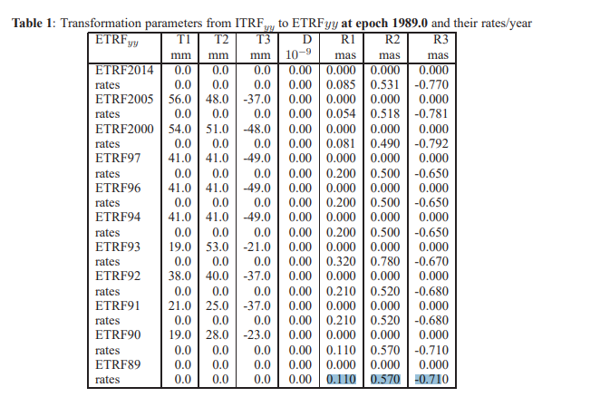
 | Elapsed time ETRF current to 1989 reference epoch |  |  | ITRF 89 to ETRF89 |  |  | Rates | 33.333333333
 | 1989 | 0 |  | Tx(t0) | 0 | 0 | 0 | 0
 | 33.333333333 |  |  | Ty(t0) | 0 | 0 | 0 | 0
 |  |  |  | Tz(t0) | 0 | 0 | 0 | 0
 |  |  |  | Rotation
 | Coordinate XYZ ETRF89 current epoch |  | Velocity ETRF89 | εx(t0) | 3.6666666667 | 0 | 0.11 | 3.6666666667
 | 3844060.2852 |  | 0.00141636 | εy(t0) | 19 | 0 | 0.57 | 19
 | 709661.1193 |  | 0.00034715 | εz(t0) | -23.666666667 | 0 | -0.71 | -23.666666667
 | 5023129.2546 |  | -0.0032415860818 | Scale
 |  |  |  | s(t0) | 0 | 0 | 0 | 0
 |  |  |  | Conversion factor milliseconds (mas) to radians
 | Coordinate XYZ ETRF89 epoch 1989 |  |  | m | 4.84813681E-09
 | 3844060.2380
 | 709661.1077
 | 5023129.3626

3) Control by tool https://www.epncb.oma.be/_productsservices/coord_trans/

