Advanced Calculation Tools
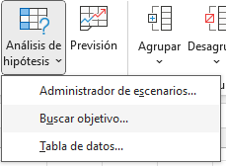
1. Goals search
If we want to reach a number by modifying some parameters, we have the option "Búsqueda de objetivos".

Notional | 150,000.00 € |  |  |  | Notional | 150,000.00 €
Time | 20 |  |  |  | Time | 25.607114236
Interest | 3% |  |  |  | Interest | 3%

Payment | 831.90 € |  |  |  | Payment | 700.00 €

2. Data table

If we want to create automatically a table based on previous calculations and giving parameters we have the button "Tabla de datos". We just only need to select the future table space, click on it and give the first parameter.

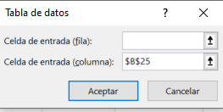
Notional | 150,000.00 € |  | Months/Payment | 831.90 € |  |  | Months/Payment | 831.90 €
Time | 20 |  | 15 |  |  |  | 16 | 984.65 €
Interest | 3% |  | 18 |  |  |  | 18 | 899.58 €
 |  |  | 20 |  |  |  | 20 | 831.90 €
 |  |  | 22 |  |  |  | 22 | 776.84 €
 |  |  | 24 |  |  |  | 24 | 731.26 €

3. Scenarios administrator
We can create scenarios by having breakdown and potential parameters by clicking on "Administrador de escenarios". There, we can create scenarios like a good or bad scenario and show the scenario on some fields

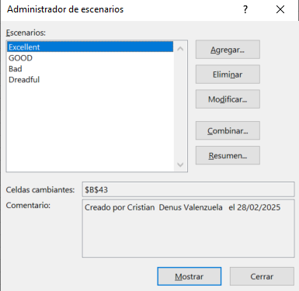
T-SHIRTS BUSINESS
FIXED COSTS | 12,000.00 € |  | PRETENDED UNITS SELL
UNIT VARIABLE COST | 3.00 € |  | EXCELLENT |  | 9900
UNITS PRODUCED | 10000 |  | GOOD |  | 8000
UNITS SELL | 9900 |  | BAD |  | 6000
PRICE | 7.00 € |  | DREADFUL |  | 4000

RESULTS
SALES | 69,300.00 €
COSTS | 42,000.00 €
TOTALS | 27,300.00 €

4. Consolidate
We can have tables with diferent columns and rows, and if we want to join that tables we have the option "consolidar" that gives us diferent functions to join those tables

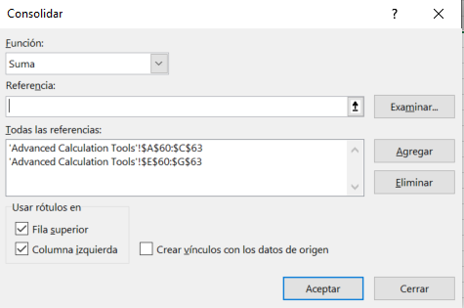
 | January | April |  |  | April | January |  |  |  | January | April
T-shirts | 120 | 65 |  | T-shirts | 65 | 120 |  |  | T-shirts | 240 | 130
Pants | 80 | 90 |  | Pants | 90 | 80 |  |  | Pants | 160 | 180
Watches | 40 | 35 |  | Shoes | 35 | 40 |  |  | Watches | 40 | 35
 |  |  |  |  |  |  |  |  | Shoes | 40 | 35

5. Solver
This tool gives us the possibility to solve complex ecuation systems. First we have to add the solver widget.

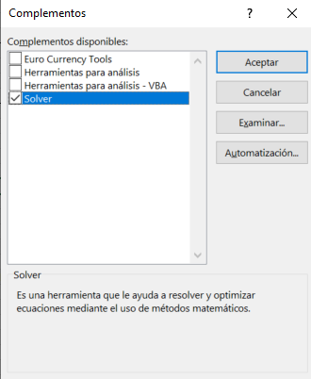
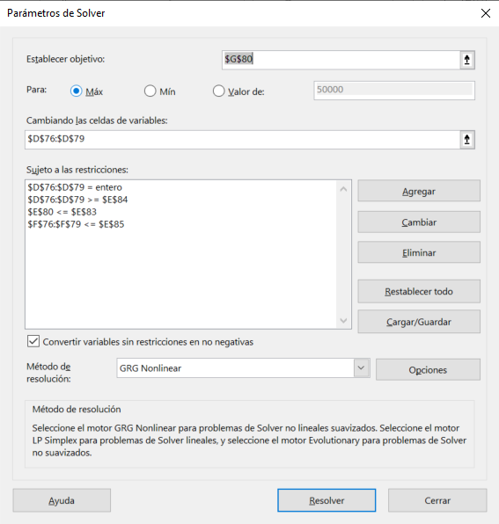
POST | AD COST | READERS | ADS NUMBER | TOTAL COST | PERCENTAGE | TOTAL READERS
EL PAÍS | 3,000.00 € | 1000000 | 6 | 18,000.00 € | 36% | 6000000
ABC | 2,700.00 € | 875000 | 5 | 13,500.00 € | 27% | 4375000
EL MUNDO | 2,300.00 € | 625000 | 7 | 16,100.00 € | 32% | 4375000
EXPANSIÓN | 1,200.00 € | 250000 | 2 | 2,400.00 € | 5% | 500000
 |  |  | TOTALS | 50,000.00 € |  | 15250000

 | TOTAL BUDGET |  |  | 50000
 | MIN ADS PER POST |  |  | 2
 | MAX BUDGET PER DAILY |  |  | 37%

6. Data analysis
First we have to add the "Analisis de datos" widget. It will give us all the stadistic and analysis about a range of data

Sales |  |  | Columna1
150
120 |  |  | Media | 138.57142857
150 |  |  | Error típico | 11.004019056
160 |  |  | Mediana | 150
180 |  |  | Moda | 150
100 |  |  | Desviación estándar | 29.113897843
110 |  |  | Varianza de la muestra | 847.61904762
 |  |  | Curtosis | -1.3796742836
 |  |  | Coeficiente de asimetría | -0.030102616252
 |  |  | Rango | 80
 |  |  | Mínimo | 100
 |  |  | Máximo | 180
 |  |  | Suma | 970
 |  |  | Cuenta | 7
 |  |  | Mayor (1) | 180
 |  |  | Menor(1) | 100
 |  |  | Nivel de confianza(95,0%) | 26.925864637

7. Prevision
Here we can make a prevision based on a range of data by clicking on the "Previsión" button.

8. New data types
We can obtain information about companies or places without searching in the internet because we can acces that information by aplying the new data types and choosing the info we need.

Company |  | Company | Stock | Employees
Microsoft |  | Microsoft |  |  | 228,000
Adobe |  | Adobe |  |  | 30,709
Google |  | Google |  |  | 183,323
Facebook |  | Facebook | Facebook | Facebook
Carrefour |  | Carrefour |  |  | 305,309
Mercadona |  | Mercadona | Mercadona | Mercadona

Places |  | Places | Population |  | Mayor
Madrid |  | Madrid |  | 3223334 |  | José Luis Martínez-Almeida (Alcalde)
New York |  | New York |  | 8258035 |  | Eric Adams (Alcalde)
Londres |  | Londres |  | 8866180 |  | Sadiq Khan (Alcalde)
Granada |  | Granada |  | 230595 |  | Marifrán Carazo (Alcalde)

9. Data analysis (Ideas)
This option allow us to filter with an O

