VBA Introduction
1. Work environment
Visual Basic Button opens a new window where we can find in the upper side a toolbar, in the left side all projects and in the central side the VBA code developed. On the upper side we can add the tool "Edición" that will be usefull. Project window contains all the projects objects and modules. For each macro we have a "Modulo". Properties are also defined for each module.

2. How to insert a function in VBA

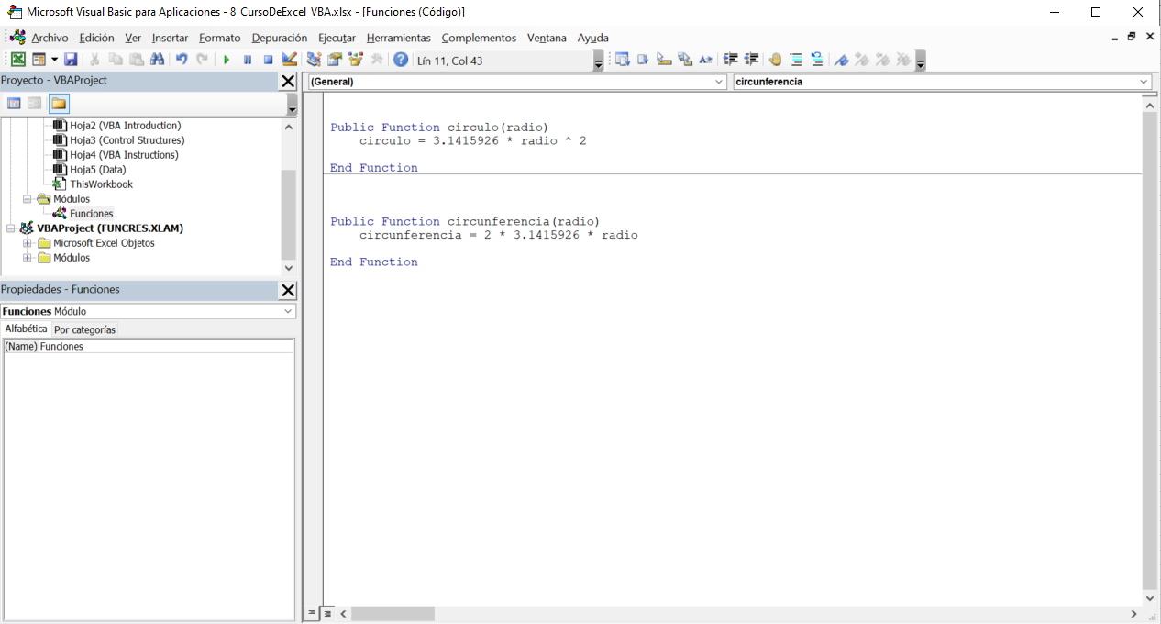
First, we are going to create a "Modulo". And then we are going to insert a "Procedimiento" that can be also a procedure or function. Then we can save and use the Macro

Circle area | 3.1415926536
Circle circunference | 6.2831852

3. Editor options
If we click on "Herramientas -> Opciones…" a new window will be opened and there we can set editor format, new windows, etc. In "Herramientas -> Propiedades de VBA Project -> Protección" we can set a password and only read mode.

4. Excel functions inside VBA
There are already created functions that can use in VBA as PI that returns the PI number and is stored in the library worksheetfunction

5. Cells
We can select cells or range of cells by using function Range and setting as parameters the cells, or a set of cells separated by commas.

Control Structures
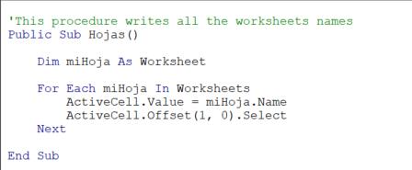
1. Conditionals with if
We can make conditions with the structure if then -> else -> end if

Score
6 | Aprobado | =calificacion1(A7)
10 | Aprobado | =calificacion1(A8)
3 | Suspenso | =calificacion1(A9)

2. Nested if
We can nest if conditionals by using the structure if then -> elseif -> end if

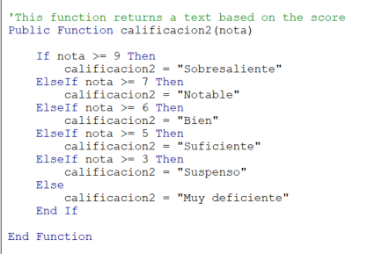
Score
5 | Suficiente | =calificacion2(A18)
8 | Notable | =calificacion2(A19)
6 | Bien | =calificacion2(A20)
9 | Sobresaliente | =calificacion2(A21)
3 | Muy deficiente | =calificacion2(A22)
4 | Suspenso | =calificacion2(A23)

3. Select case
We can create a Case structure y using the structure Select Case -> Case -> End Select

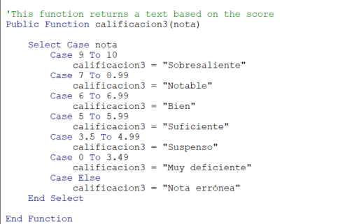
Score
5 | Suficiente | =calificacion3(A31)
8 | Notable | =calificacion3(A32)
6 | Bien | =calificacion3(A33)
9 | Sobresaliente | =calificacion3(A34)
3 | Muy deficiente | =calificacion3(A35)
4 | Suspenso | =calificacion3(A36)

4. And & Or
We can set multiple conditions by using AND & OR.

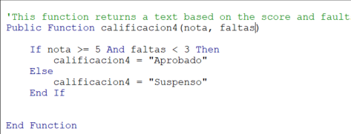
Score | Faults
5 | 3 | Suspenso | =calificacion4(A45;B45)
8 | 2 | Aprobado | =calificacion4(A46;B46)
6 | 5 | Suspenso | =calificacion4(A47;B47)
9 | 1 | Aprobado | =calificacion4(A48;B48)
3 | 4 | Suspenso | =calificacion4(A49;B49)
4 | 0 | Suspenso | =calificacion4(A50;B50)

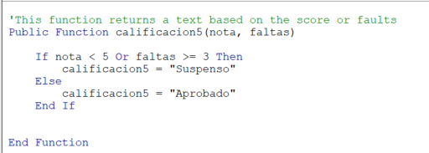
Score | Faults
5 | 3 | Suspenso | =calificacion5(A54;B54)
8 | 2 | Aprobado | =calificacion5(A55;B55)
6 | 5 | Suspenso | =calificacion5(A56;B56)
9 | 1 | Aprobado | =calificacion5(A57;B57)
3 | 4 | Suspenso | =calificacion5(A58;B58)
4 | 0 | Suspenso | =calificacion5(A59;B59)

5. Reuse code
We can call a function inside another function, reusing code

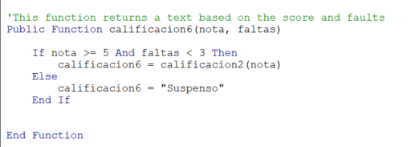
Score | Faults
5 | 3 | Suspenso | =calificacion6(A70;B70)
8 | 2 | Suspenso | =calificacion6(A71;B71)
6 | 5 | Suspenso | =calificacion6(A72;B72)
9 | 1 | Suspenso | '=calificacion6(A73;B73)
3 | 4 | Suspenso | '=calificacion6(A74;B74)
4 | 0 | Suspenso | '=calificacion6(A75;B75)

6. Optional arguments
If we want to set optional arguments, we have to set before the argument "Optional"

Bruto | IVA | 121 | =impuestos(A86)
100 | 2 | 102 | =impuestos(A86;B86)

7. Variables and scope
We can define variables by writting "dim" before writting the name of the variable and the Data Type after it. Variables can be defined for a module or for a prodecure/function.

8. InputBox
With inputBox function we can create a box to require user some information.

Bienvenido/a Cristian

9. Do While Loop
We can insert do-while loop structures by using the structure do while […] -> loop

 |  |  | 5
 |  |  | 6
 |  |  | 8
 |  |  | 4

10. Fill with formulas
We can fill cells with formulas instead filling with values by setting ".formula ="

11. Change formats
We can change number formats with ".NumberFormat", but if we want to change any other format we can look for the function by recording a macro and watching its VBA code

12. For Loop
We can create for loops by using the structure "For […] to […] -> Next"

6 | 720 | =factorial1(A142)

13. For Each
We can create foreach loops by using the structure "For Each […] in […] -> Next"

VBA Instructions
1. Matrix
We can create a matrix in vba by defining it as name(number)

11.797959328 | -7.7979588509

=ecuacion(2;-8;3)

2. MsgBox
We can create a message box in vba by using msgbox function

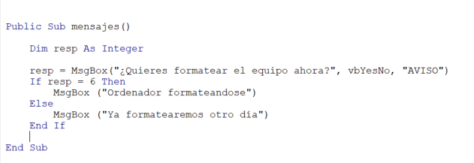

3. Book Events
In the upper side of the module we can define private procedures by setting "Workbook" and when do we want to be executed, by default it's on "Open"

4. Sheet Events
We can also define sheet properties, and events when we open the sheet, or whenever we define options.

5. Execute programms
We can execute programs by using the function "Shell".

6. Error control
We can control errors by writting "on error resume next". Every number has a number and the error can be deleted by using function "Clear".

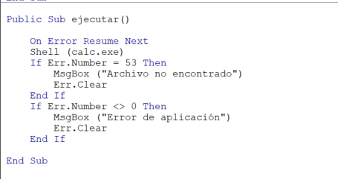

7. Editor configuration
We can configure the editor by right clicking on the toolbar. We can add or delete tools, references, etc.

8. Debug tools
We can debug by adding line "debug.print […]" and visualizing the data in "Ver -> Ventana Inmediato". Also we can define inspections by right clicking on the variable and adding points in the left side bar of the code.

9. Static Variables
Static variables are variables that stores previous executions values. They're define as "static" instead of "dim"

10. Errors declaring variables
Vartype returns a valid variable type

