Tables
1. Table creation
If we want to create a table based on our range of data we'll have to click anywhere inside the range and click on "Dar formato como tabla".

Fecha | Ciudad | ID de Vendedor | Total de Ventas |  | Fecha | Ciudad | ID de Vendedor | Total de Ventas
2024-02-18 | Madrid | 1050 | 4965.71 |  | 2024-02-18 | Madrid | 1050 | 4965.71
2024-02-05 | Valencia | 1078 | 3756.77 |  | 2024-02-05 | Valencia | 1078 | 3756.77
2024-03-01 | Alicante | 1000 | 218.4 |  | 2024-03-01 | Alicante | 1000 | 218.4
2024-01-16 | Valencia | 1056 | 3346.98 |  | 2024-01-16 | Valencia | 1056 | 3346.98
2024-02-01 | Valencia | 1092 | 435.65 |  | 2024-02-01 | Valencia | 1092 | 435.65
2024-01-28 | Zaragoza | 1038 | 2246.39 |  | 2024-01-28 | Zaragoza | 1038 | 2246.39
2024-02-15 | Madrid | 1013 | 2865.74 |  | 2024-02-15 | Madrid | 1013 | 2865.74
2024-02-19 | Málaga | 1078 | 1388.51 |  | 2024-02-19 | Málaga | 1078 | 1388.51
2024-02-20 | Bilbao | 1021 | 1750.02 |  | 2024-02-20 | Bilbao | 1021 | 1750.02
2024-03-01 | Zaragoza | 1066 | 4168.81 |  | 2024-03-01 | Zaragoza | 1066 | 4168.81
2024-01-04 | Bilbao | 1011 | 4808.26 |  | 2024-01-04 | Bilbao | 1011 | 4808.26
2024-02-24 | Madrid | 1027 | 1085.64 |  | 2024-02-24 | Madrid | 1027 | 1085.64

2. Selection and modification

If we place the cursor on the first column or row of the table an arrow "↓/→" will appear and if we just click all the column or the row will be selected. In the case of the column, second click will include the header. If we place the cursor on the first row and column this arrow "↘" will appear and by clicking the full table will be selected.

 |  |  |  |  |  |  |  |  | 2024-02-05 | Valencia | 1078 | 3756.77
Fecha | Ciudad | ID de Vendedor | Total de Ventas |  |  |  | Total de Ventas
2024-02-18 | Madrid | 1050 | 4965.71 |  | 4965.71 |  | 4965.71 |  | 2024-02-18 | Madrid | 1050 | 4965.71
2024-02-05 | Valencia | 1078 | 3756.77 |  | 3756.77 |  | 3756.77 |  | 2024-02-05 | Valencia | 1078 | 3756.77
2024-03-01 | Alicante | 1000 | 218.4 |  | 218.4 |  | 218.4 |  | 2024-03-01 | Alicante | 1000 | 218.4
2024-01-16 | Valencia | 1056 | 3346.98 |  | 3346.98 |  | 3346.98 |  | 2024-01-16 | Valencia | 1056 | 3346.98
2024-02-01 | Valencia | 1092 | 435.65 |  | 435.65 |  | 435.65 |  | 2024-02-01 | Valencia | 1092 | 435.65

If we add a new name next to the last column a new column will be created automatically by Excel

Fecha | Ciudad | ID de Vendedor | Total de Ventas |  | Fecha | Ciudad | ID de Vendedor | Total de Ventas | Nueva columna |  |  | Fecha | Ciudad | ID de Vendedor | Total de Ventas | Nueva columna
2024-02-18 | Madrid | 1050 | 4965.71 |  | 2024-02-18 | Madrid | 1050 | 4965.71 |  |  |  | 2024-02-18 | Madrid | 1050 | 4965.71
2024-02-05 | Valencia | 1078 | 3756.77 |  | 2024-02-05 | Valencia | 1078 | 3756.77 |  |  |  | 2024-02-05 | Valencia | 1078 | 3756.77
2024-03-01 | Alicante | 1000 | 218.4 |  | 2024-03-01 | Alicante | 1000 | 218.4 |  |  |  | 2024-03-01 | Alicante | 1000 | 218.4
2024-01-16 | Valencia | 1056 | 3346.98 |  | 2024-01-16 | Valencia | 1056 | 3346.98 |  |  |  | 2024-01-16 | Valencia | 1056 | 3346.98
2024-02-01 | Valencia | 1092 | 435.65 |  | 2024-02-01 | Valencia | 1092 | 435.65 |  |  |  | 2024-02-01 | Valencia | 1092 | 435.65

Setting only one formula in one of the cells, Excel will apply automatically the same formula in the cells below

Fecha | ID de Vendedor | Precio | Total de Ventas | Nueva columna |  | Fecha | ID de Vendedor | Precio | Total de Ventas | Nueva columna
2024-02-18 | 1050 | 5.00 € | 4965.71 | =D51*100 |  | 2024-02-18 | 1050 | 5.00 € | 4,965.71 € | 24,828.55 €
2024-02-05 | 1078 | 10.00 € | 3756.77 |  |  | 2024-02-05 | 1078 | 10.00 € | 3,756.77 € | 37,567.70 €
2024-03-01 | 1000 | 5.00 € | 218.4 |  |  | 2024-03-01 | 1000 | 5.00 € | 218.40 € | 1,092.00 €
2024-01-16 | 1056 | 20.00 € | 3346.98 |  |  | 2024-01-16 | 1056 | 20.00 € | 3,346.98 € | 66,939.60 €
2024-02-01 | 1092 | 15.00 € | 435.65 |  |  | 2024-02-01 | 1092 | 15.00 € | 435.65 € | 6,534.75 €

3. File saving
Saving files in binary format will save much more space than storing the file in any other format as xlxs

4. Delete duplicated rows
If we want to delete rows that are duplicated based on some or all the columns we have the button "Eliminar duplicados" that appears when we click in any cell of the table

Fecha | Ciudad | ID de Vendedor | Total de Ventas |  | Fecha | Ciudad | ID de Vendedor | Total de Ventas
2024-02-18 | Madrid | 1050 | 4965.71 |  | 2024-02-18 | Madrid | 1050 | 4965.71
2024-02-05 | Valencia | 1078 | 3756.77 |  | 2024-02-05 | Valencia | 1078 | 3756.77
2024-03-01 | Alicante | 1000 | 218.4 |  | 2024-03-01 | Alicante | 1000 | 218.4
2024-01-16 | Valencia | 1056 | 3346.98
2024-02-01 | Valencia | 1092 | 435.65

5. Data segmentation
"Segmentación de datos" button creates buttons to filter the information of our tables. We can also select multiple options to filter by two or more descriptions. By clicking on the "x" filters will be deleted.

Fecha | Ciudad | ID de Vendedor | Total de Ventas
2024-02-18 | Madrid | 1050 | 4965.71
2024-02-05 | Valencia | 1078 | 3756.77
2024-03-01 | Alicante | 1000 | 218.4
2024-01-16 | Valencia | 1056 | 3346.98
2024-02-01 | Valencia | 1092 | 435.65

6. Data validation
"Validación de datos" allow us restricting the information to be filled in cells. This validation can be copied with the special copy and the validation includes dates, information lists and others.

 | This is wrong validation
Madrid | This is a right validation

7. Arrange
Data inside a table can be rearranged based on typicall filters as from a to z but also with custom filters based on the columns.

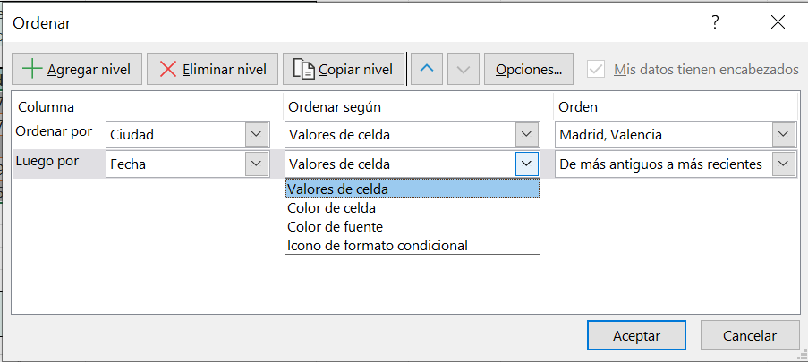

8. Filters
Filter is to get the important information that we want in each moment. We can copy only the visible cells. We can custom filters, use several at the same time, etc. * Represents string, ? Represents a character

Fecha | Ciudad | ID de Vendedor | Total de Ventas
2024-02-05 | Valencia | 1078 | 3756.77
2024-01-16 | Valencia | 1056 | 3346.98
2024-02-01 | Valencia | 1092 | 435.65

9. Advanced filters
This option allow us to filter with an O

Fecha | Ciudad | ID de Vendedor | Total de Ventas |  | Fecha | Ciudad | ID de Vendedor | Total de Ventas
2024-02-18 | Madrid | 1050 | 4965.71 |  | 2024-02-18 | Madrid | 1050 | 4965.71
2024-03-01 | Alicante | 1000 | 218.4 |  | 2024-03-01 | Alicante | 1000 | 218.4

Ciudad | ID de Vendedor
M?drid
 | 1000

10. Database functions
We've seen these functions before, but we can use them with a database/table as values

Fecha | Ciudad | ID de Vendedor | Total de Ventas
2024-02-18 | Madrid | 1050 | 4965.71
2024-02-05 | Valencia | 1078 | 3756.77
2024-03-01 | Alicante | 1000 | 218.4
2024-01-16 | Valencia | 1056 | 3346.98
2024-02-01 | Valencia | 1092 | 435.65

11. Total and subtotal
For a given table, we can add a total or subtotal with the function we want based on a column or row. Only one function per cell is available. We have to take care because the new cell will be used as part of the table

Fecha | Ciudad | ID de Vendedor | Total de Ventas
2024-02-18 | Madrid | 1050 | 4965.71
2024-02-05 | Valencia | 1078 | 3756.77
2024-03-01 | Alicante | 1000 | 218.4
2024-01-16 | Valencia | 1056 | 3346.98
2024-02-01 | Valencia | 1092 | 435.65
Total |  |  | 5

12. Views
This option is only available for books stored in one drive and allow us to watch the information we need without changing the model. This allows the collaboration

