Sheet1
time | 176
0 | 4.658494182
3.000000099 | 4.515542409
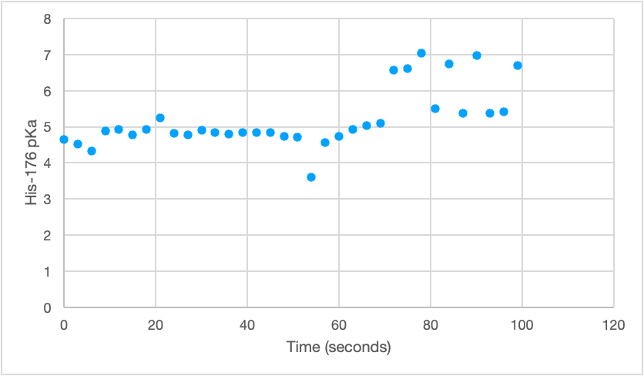
6.000000197 | 4.334271365
9.000000296 | 4.884269517
12.00000039 | 4.921340842
15.00000049 | 4.766796317
18.00000059 | 4.921043485
21.00000069 | 5.255064831
24.00000079 | 4.823866625
27.00000089 | 4.772721094
30.00000099 | 4.895195027
33.00000108 | 4.848011758
36.00000118 | 4.802505003
39.00000128 | 4.83242879
42.00000138 | 4.841775184
45.00000148 | 4.833583671
48.00000158 | 4.735809866
51.00000168 | 4.711630263
54.00000177 | 3.592555876
57.00000187 | 4.559787258
60.00000197 | 4.73297654
63.00000207 | 4.916932898
66.00000217 | 5.021974767
69.00000227 | 5.102363273
72.00000237 | 6.568223322
75.00000246 | 6.610122165
78.00000256 | 7.042435426
81.00000266 | 5.495078974
84.00000276 | 6.736249616
87.00000286 | 5.376828123
90.00000296 | 6.971477146
93.00000306 | 5.379205833
96.00000315 | 5.410782798
99.00000325 | 6.700587318

