Page2
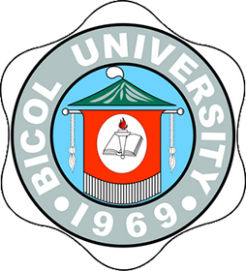
Republic of the Philippines
Bicol University
OFFICE OF THE UNIVERSITY REGISTRAR
Legazpi City
Tel No. (052) 820-6809
E-mail Add: bu_uro@yahoo.com
ISO 9001:2008
Certificate No.
TUV100 05 1782

C E R T I F I C A T I O N

TO WHOM IT MAY CONCERN:

This is to certify that Mr. IRVIN M. SANDIA has graduated with the degree of
Bachelor of Science in Nursing (BSN) from Bicol University, Legazpi City on March 24, 2002
per Referendum No. 1, s, 2002 of the Board of Regents.

It is further certified that ENGLISH LANGUAGE is the medium of instruction in all
courses and in all Program Levels of Bicol University. Thus, all the academic documents such as
Diploma, Transcript of Record, course descriptions, etc. are translated into English language.

Issued this 15th day of July, 2021 upon the request of Mr. Sandia for reference
purposes.

 | CORAZON N. BAZAR
 | University Registrar

BU-F-UREG-04 |  | Revision 1
Effectivity Date: Mar. 9, 2011

