Page 5
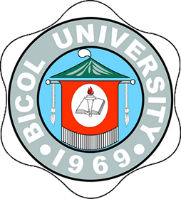
Republic of the Philippines
Bicol University
COLLEGE OF INDUSTRIAL TECHNOLOGY
Legazpi City, Albay
(052) 820-8277

ISO 9001:2008
Certificate No.
TUV100 05 1782

C E R T I F I C A T I O N

TO WHOM IT MAY CONCERN:

This is to certify that Ms. FRANCIA Q. LLABAN has graduated with the degree of
Bachelor of Science in Industrial Education (BSIE) major in Food Technology on April 03, 1997 per
Resolution No. 1, s. 1997 of the Board of Regents, Bicol University.

It is further certified that the Bicol University is a government institution operating under R.A.
No. 5521, as amended, whose graduates are not issued Special Order

This certifies finally, that the Bachelor of Science in Industrial Education course is duly
approved by the Board of Regents, Bicol University, Legazpi City.

Issued this 15th day of July, 2021 upon the request of Ms. Llaban for reference purposes.

 |  | SOPHIA A. ROMERO
 |  | Registrar II

Noted:

 | CORAZON N. BAZAR
 | University Registrar

BU-F-UREG-07
Effectivity Date: Mar. 9, 2011 |  |  | Revision: 1

