Summary_Rate_8
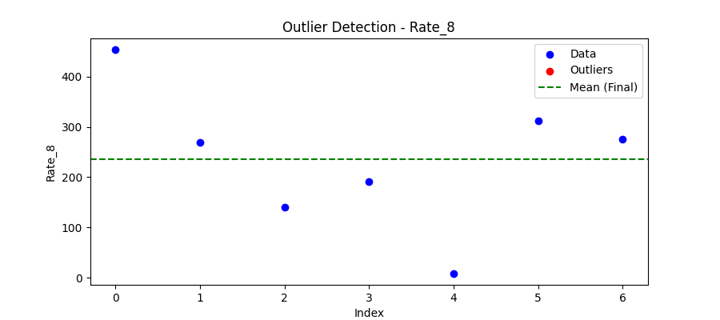
Iteration | Mean | Std | Outliers Found
Iteration 1 | 235.5921 | 140.8716 | 0

Total Values | 7
Cleaned Total | 7
Total Outliers | 0
Outlier % | 0.00%
Final Mean | 235.5921
Final Std | 140.8716

