Summary_Rate_3
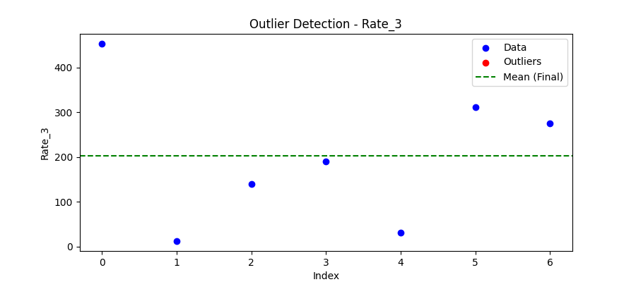
Iteration | Mean | Std | Outliers Found
Iteration 1 | 202.2152 | 158.0855 | 0

Total Values | 7
Cleaned Total | 7
Total Outliers | 0
Outlier % | 0.00%
Final Mean | 202.2152
Final Std | 158.0855

