Summary_Rate
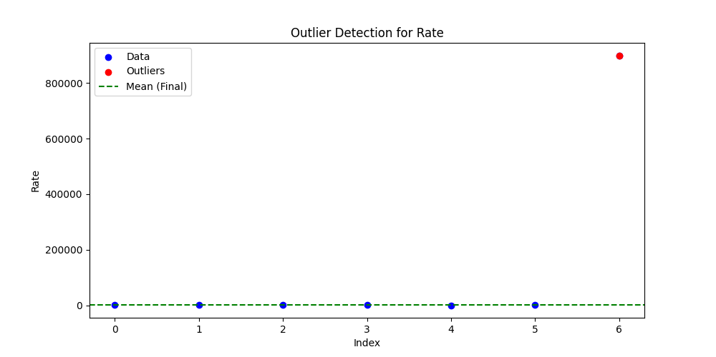
Iteration | Mean | Std | Outliers Found
Iteration 1 | 128771.001 | 340080.0488 | 1
Iteration 2 | 232.8345 | 146.4587 | 0

