Summary_Rate_4
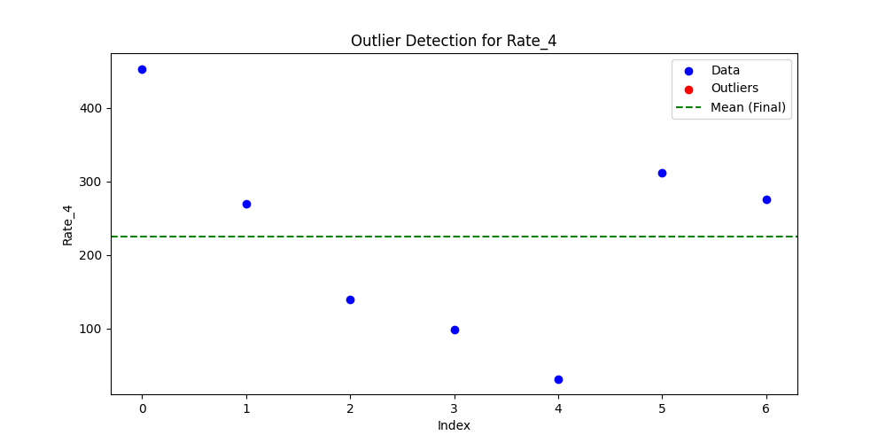
Iteration | Mean | Std | Outliers Found
Iteration 1 | 225.6955 | 144.4124 | 0

