Summary_Rate_7
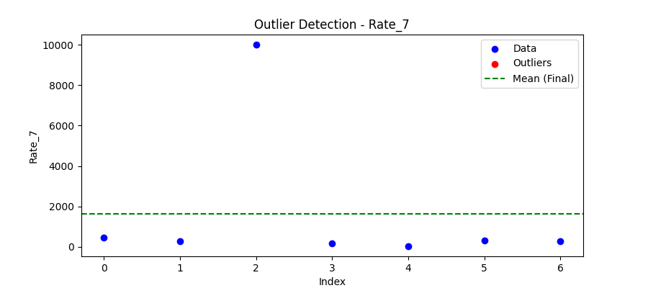
Iteration | Mean | Std | Outliers Found
Iteration 1 | 1647.577 | 3685.2734 | 0

Total Values | 7
Cleaned Total | 7
Total Outliers | 0
Outlier % | 0.00%
Final Mean | 1647.577
Final Std | 3685.2734

