Summary_Rate_5
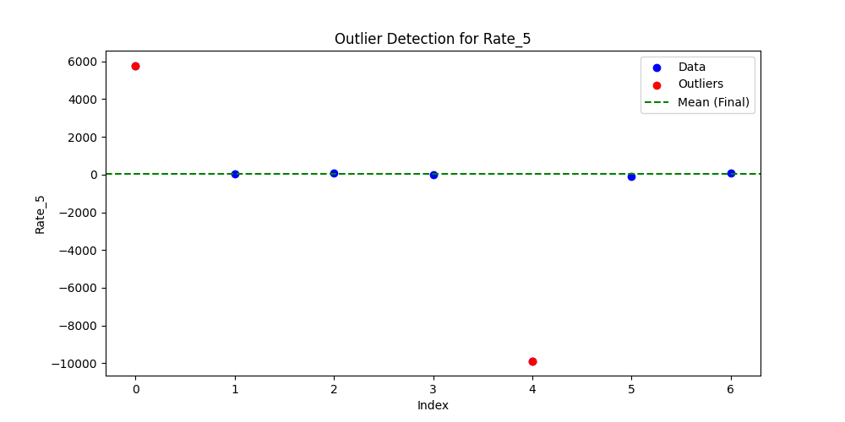
Iteration | Mean | Std | Outliers Found
Iteration 1 | -564.4286 | 4633.5603 | 1
Iteration 2 | 987.3333 | 2353.0727 | 1
Iteration 3 | 27 | 66.242 | 0

