Summary_Rate_8
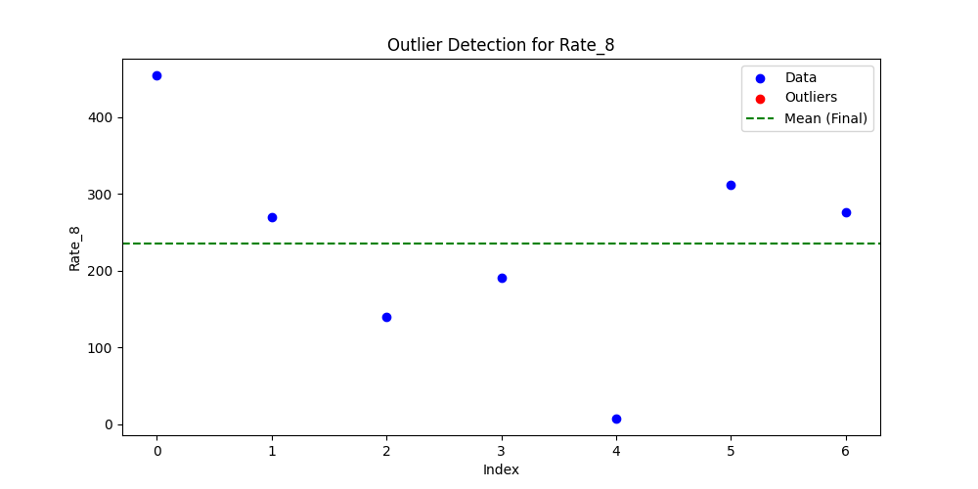
Iteration | Mean | Std | Outliers Found
Iteration 1 | 235.5921 | 140.8716 | 0

