Summary_Rate_4
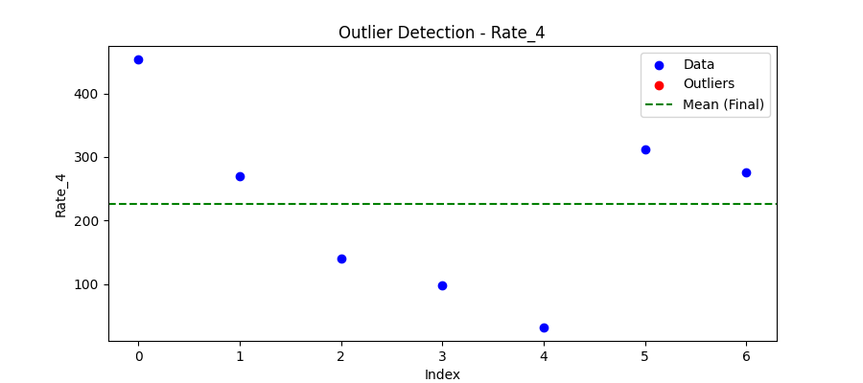
Iteration | Mean | Std | Outliers Found
Iteration 1 | 225.6955 | 144.4124 | 0

Total Values | 7
Cleaned Total | 7
Total Outliers | 0
Outlier % | 0.00%
Final Mean | 225.6955
Final Std | 144.4124

