Summary_Rate_3
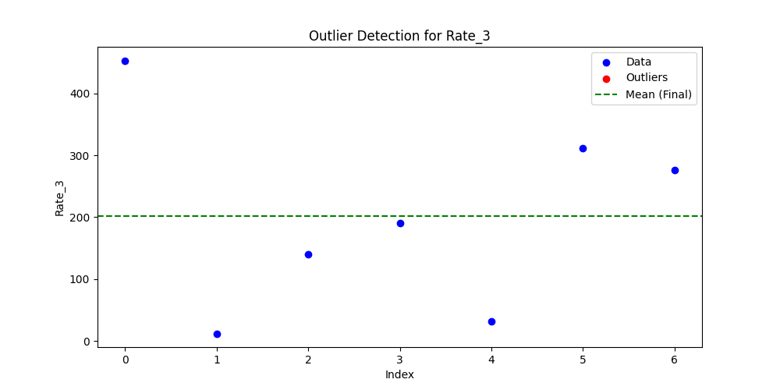
Iteration | Mean | Std | Outliers Found
Iteration 1 | 202.2152 | 158.0855 | 0

