Summary_Rate_2
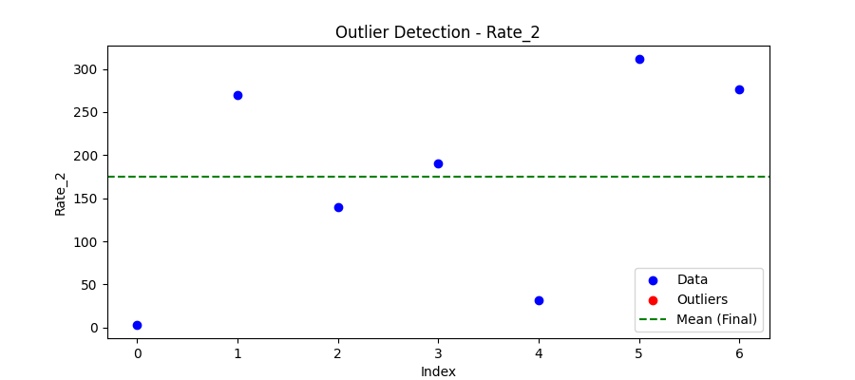
Iteration | Mean | Std | Outliers Found
Iteration 1 | 174.5946 | 122.0773 | 0

Total Values | 7
Cleaned Total | 7
Total Outliers | 0
Outlier % | 0.00%
Final Mean | 174.5946
Final Std | 122.0773

