Summary_Rate_6
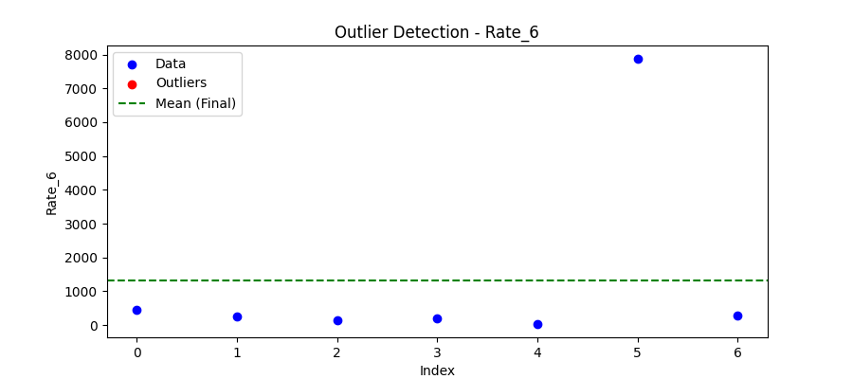
Iteration | Mean | Std | Outliers Found
Iteration 1 | 1319.5849 | 2894.0643 | 0

Total Values | 7
Cleaned Total | 7
Total Outliers | 0
Outlier % | 0.00%
Final Mean | 1319.5849
Final Std | 2894.0643

