Summary_Rate_5
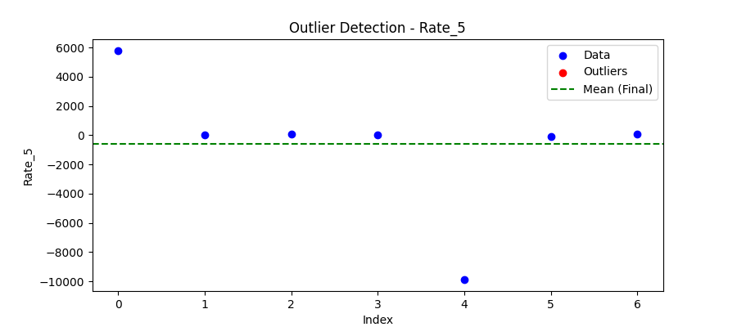
Iteration | Mean | Std | Outliers Found
Iteration 1 | -564.4286 | 4633.5603 | 0

Total Values | 7
Cleaned Total | 7
Total Outliers | 0
Outlier % | 0.00%
Final Mean | -564.4286
Final Std | 4633.5603

