Summary_Rate_1
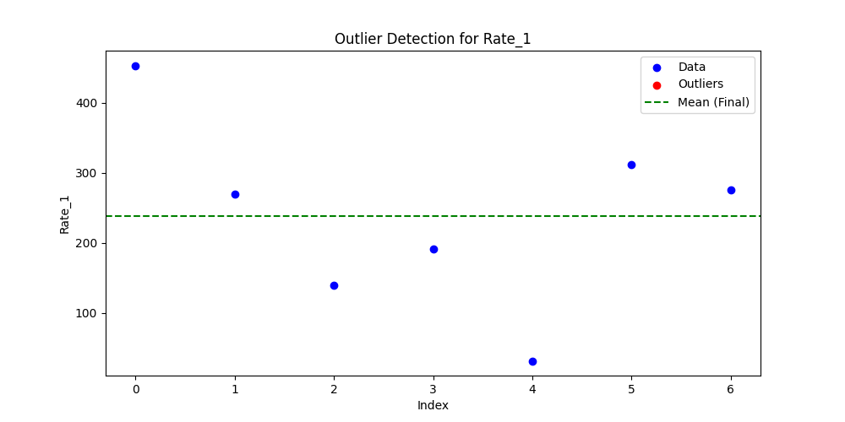
Iteration | Mean | Std | Outliers Found
Iteration 1 | 238.9637 | 134.6622 | 0

