Summary_Rate_2
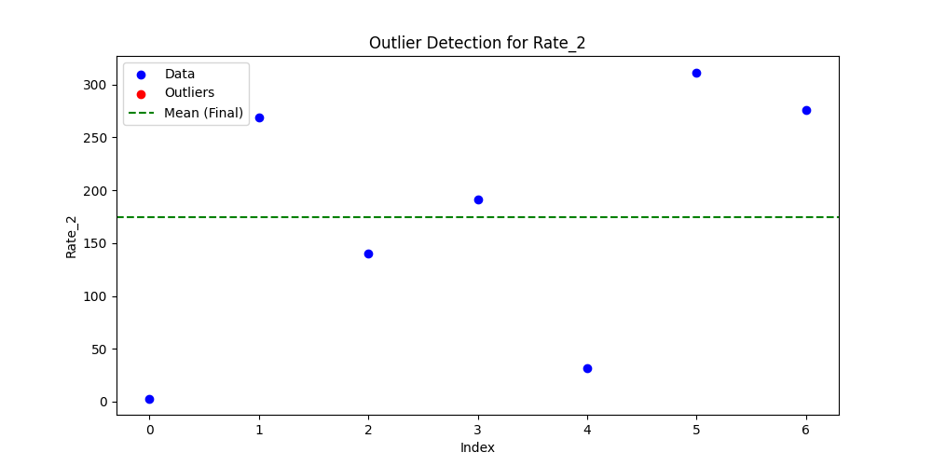
Iteration | Mean | Std | Outliers Found
Iteration 1 | 174.5946 | 122.0773 | 0

