Summary_Rate_6
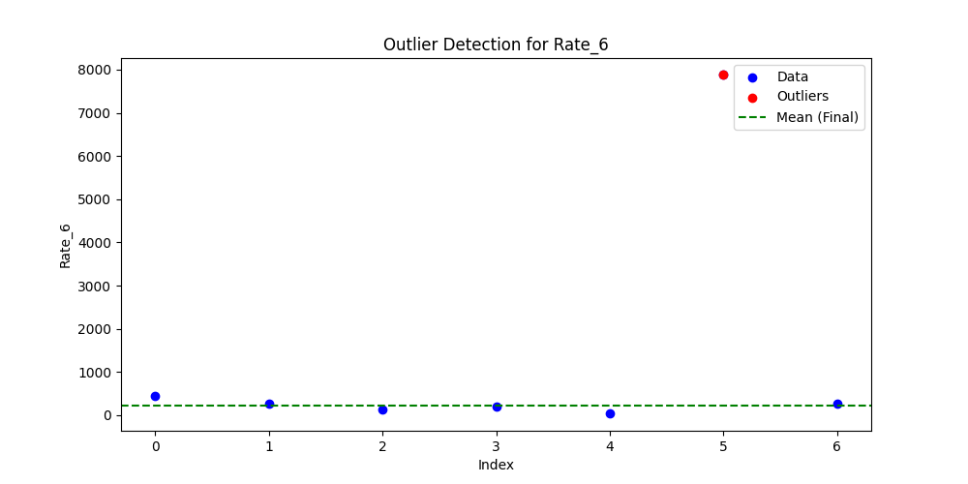
Iteration | Mean | Std | Outliers Found
Iteration 1 | 1319.5849 | 2894.0643 | 1
Iteration 2 | 226.849 | 143.2756 | 0

