Summary_Rate_1
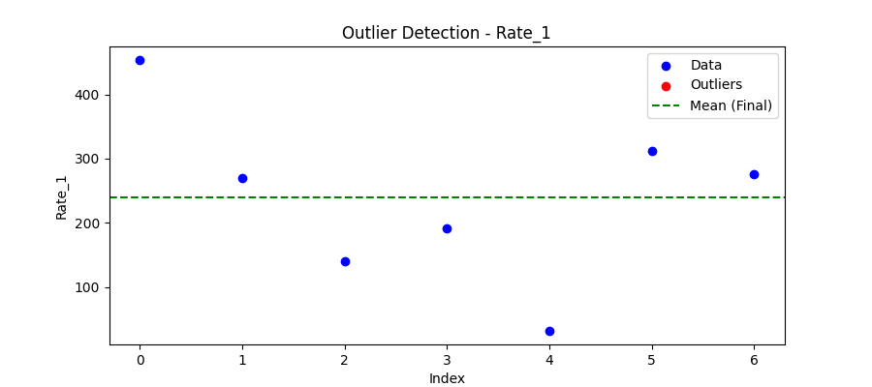
Iteration | Mean | Std | Outliers Found
Iteration 1 | 238.9637 | 134.6622 | 0

Total Values | 7
Cleaned Total | 7
Total Outliers | 0
Outlier % | 0.00%
Final Mean | 238.9637
Final Std | 134.6622

