Summary_Rate_7
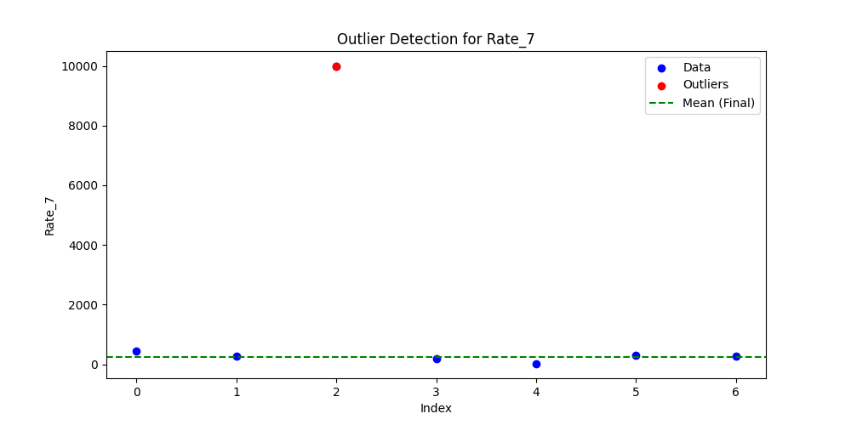
Iteration | Mean | Std | Outliers Found
Iteration 1 | 1647.577 | 3685.2734 | 1
Iteration 2 | 255.5065 | 139.5059 | 0

