Summary_Rate
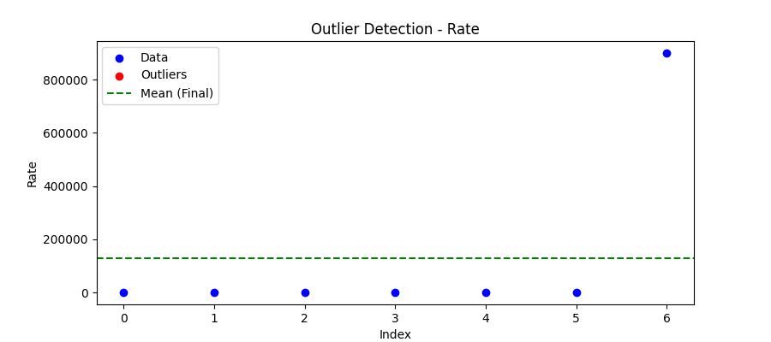
Iteration | Mean | Std | Outliers Found
Iteration 1 | 128771.001 | 340080.0488 | 0

Total Values | 7
Cleaned Total | 7
Total Outliers | 0
Outlier % | 0.00%
Final Mean | 128771.001
Final Std | 340080.0488

