Summary_Rate
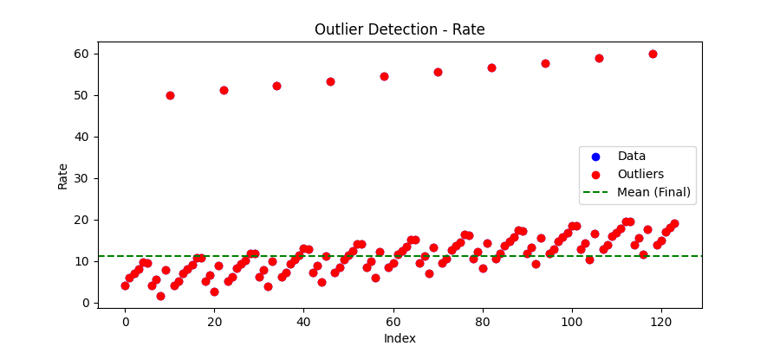
Iteration | Mean | Std | Outliers Found
Iteration 1 | 14.8065 | 12.6058 | 10
Iteration 2 | 11.2851 | 4.1187 | 3
Iteration 3 | 11.3748 | 3.9073 | 1
Iteration 4 | 11.3009 | 3.8465 | 1
Iteration 5 | 11.2303 | 3.7919 | 0

