Sheet2
Indicator-based | Human | ONT | Genbank
Event-based | Animal | Illumina | On Genbank but not linked to paper
Retrospective | Vector | Ion Torrent | Not published
Travel-related | Multiple | Sanger
Case study |  | PacBio
Research |  | 454
Other |  | Other
 |  | Multiple
 |  | RT-PCR
Survellance types |  | ABI
1. Indicator-based surveillance |  | Didn't specify
Indicator-based surveillance is the systematic (regular) identification, collection, monitoring, |  | Sequenced - didn't specify
analysis and interpretation of structured data, such as indicators produced by well-identified,
mostly health-based formal sources.
The common methods of indicator-based surveillance are as follows:
(a) Facility-based surveillance. All reporting units, such as health facilities, are required to
report on a weekly, monthly, quarterly or annual basis to the next level, based on the
categories of the diseases, conditions and events. Additionally, they are also required to
report any epidemic-prone disease to the next level immediately.
(b) Case-based surveillance. This involves the ongoing and rapid identification of identifiable
cases for the purpose of case follow-up. It is the type of surveillance used for diseases
targeted for elimination or eradication or during confirmed outbreaks. In these scenarios,
every individual case identified is reported immediately to the next level, using a case-based
form.
(c) Sentinel surveillance. This type of surveillance is done for specific conditions in a specific
cohort, such as a geographical area or population subgroup, to estimate trends in a larger
population. A given number of health facilities or reporting sites are usually designated as
sentinel sites for monitoring the rate of occurrence of priority events such as pandemic or
epidemic events and other health events of public health importance, where they act as early
warning and reporting sites. Sentinel sites are usually designated because they are
representative of an area or are in an area of likely risk for a disease or condition of concern.
Examples of sentinel surveillance include sentinel surveillance for influenza, rotavirus,
paediatric bacterial meningitis, and environmental sewage sampling for polio.
(d) Syndromic surveillance. This is an active or passive system that uses Standard Case
Definitions, based entirely on clinical features, without any laboratory diagnosis. Examples
of these are: collecting the number of cases of Acute Flaccid Paralysis (AFP) as an alert for
polio; acute watery diarrhoea among people aged two years and older as an alert for cholera;
“rash illness” as an alert for measles; acute haemorrhagic fever as an alert for viral
haemorrhagic diseases, or severe acute respiratory infection or influenza-like illness as alerts
for influenza. Because of the lack of specificity of this system, reports require more
investigation from higher levels.
(e) Laboratory-based surveillance. This consists of surveillance conducted at laboratories to
detect events or trends, which may not be seen as a problem at other locations or originate
from laboratory testing, mainly done routinely or used when conducting sentinel
surveillance. Laboratories can be the source of an initial alert for a specific outbreak or public
health event that necessitates further epidemiological investigations. For example, the
laboratory may be the first to detect the emergence of resistant strains, such as multi-drug
resistant tuberculosis, in the community. Other examples of laboratory-based surveillance
are virological surveillance for influenza and bacteriological surveillance under the
antimicrobial resistance surveillance system. Recently, WHO established a global
antimicrobial resistance surveillance system (GLASS) for clinical specimens, which is focusing
initially on priority human bacterial infections namely E. coli, K. pneumonia, S. aureus, S.
pneumoniae, Salmonella spp., Shigella spp and N. gonorrheae. This type of laboratory
surveillance provides information about antimicrobial resistance incidence, prevalence and
trends.
(f) Disease-specific surveillance involves surveillance activities aimed at targeted health data
for a specific disease for vertical surveillance. Examples include tuberculosis, malaria and HIV
surveillance systems.
(g) Community-based surveillance (CBS) is defined as the systematic detection and reporting of
events of public health significance within the community by community members. CBS
incorporates both indicator-based and event-based surveillance methods. Under CBS, focal
persons are identified to report cases or events to the designated focal point at nearby local
health delivery points. Community-based surveillance strategies focus on two approaches to
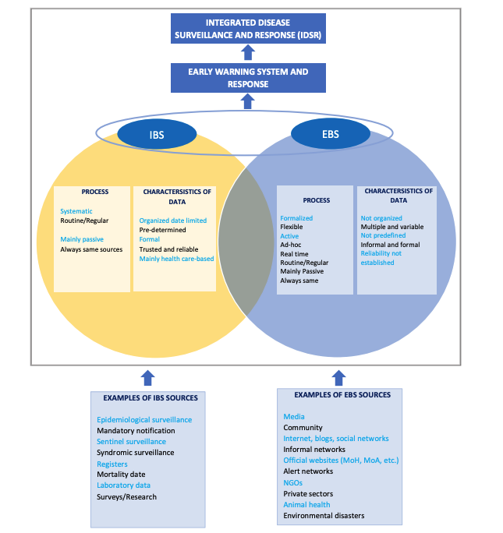
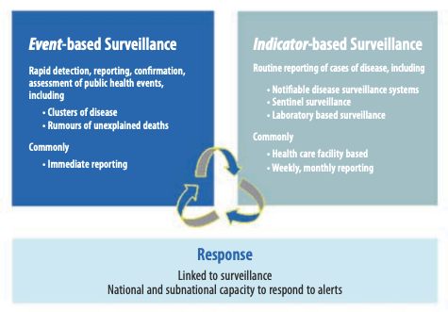
collect community information. The first one relies on identifying and reporting events based
on agreed indicators (lay case definitions). For example, trusted community members are
trained to identify diseases such as measles, cholera, polio and Guinea worm, using
community (lay) case definition and use the standardized reporting system to the next level.
The second strategy relies on reporting of unusual events (alerts) which can alert the early
stages of an outbreak or any other public health threat in the community. Alerts may capture
a wide variety of unusual events emerging at the community level, and information from
these alerts may be incomplete and unconfirmed and as such, need to be triaged and
verified. Information using this strategy can also come from people who have already been
oriented on the agreed indicators (lay case definitions), for example, the CBS volunteers, or
any other representatives from community, who have been trained to detect events, such
as unusual animal deaths and report them to the next level. Often, CBS focal persons would
link the patient identified, through any of the strategies, to a nearby health facility and can
help identify contacts.

2. Event-based surveillance
Event-based surveillance is the organized and rapid capture of information about events that are of potential risk to public health. Information is initially captured as an alert, considered by the early warning and response system as representing a potential acute risk (such as an outbreak) to human health. All alerts may not necessarily become real events, and as such, need to be triaged and verified before a response is initiated. Alerts which may signify potential risks include: (a) occurrence of disease in humans, such as unexplained clustered cases of a disease or syndromes, unusual disease patterns or unexpected deaths, as recognized by health workers and other key informants in the community; (b) events related to potential exposure for humans, such as to diseases and deaths in animals, contaminated food products or water, and environmental hazards, including chemical and radio-nuclear events; (c) alerts of potential exposure of human beings by biological, chemical or radiological and nuclear hazards, or occurrence of natural or man-made disasters. Event-based surveillance also involves media monitoring, which entails regular scanning of newspapers, internet sites and media alert systems, such as ProMed, blogs, social media, radio, and television.

These pics may help to summarise:

3. Retrospective analysis of outbreak
maybe we should add a time limit here in the definition; to decide when it is still considered event based or retrospective? – it has been difficult to find how ‘retrospective’ is defined in the literature. I propose using a result from this paper as a cut off time (Measuring Timeliness of Outbreak Response in the World Health Organization African Region, 2017-2019,
https://www.ncbi.nlm.nih.gov/pmc/articles/PMC7588517/). In this paper they “assessed trends in timeliness of detecting and responding to outbreaks in the African Region reported to the World Health Organization during 2017–2019. We computed the median time to each outbreak milestone”. They measured the time of the end of an outbreak as the number of days between the dates of onset and end of the outbreak. They reported the median time of 77 days for time to the end of an outbreak. I propose we use 77 days after the end of the outbreak as the cut off time for a retrospective analysis. If the outbreak date is not stipulated, then perhaps we can use the 77 days after sample collection as the threshold for a retrospective investigation.

4. Travel-related surveillance
Any individual case or outbreak seeded by a traveler leaving or entering an African country should be considered as travel

5. Case (series) description (non outbreak/ non travel)
For the case study/case series, I’m thinking more of case reports of patients who may have presented with unusual symptoms or course of the disease, or where they have experimented with a particular therapy, and decided to publish that as a case report. That would not really fit into surveillance since its very much to the discretion of the clinicians to publish.

6. Research investigations
Studies that are studying circulation of arboviruses in vectors/animals/humans, but are not done as part of a surveillance strategy/campaign (in other words not done routinely).

And then a category Other – for anything that does not fit elsewhere.

