Configuration_template
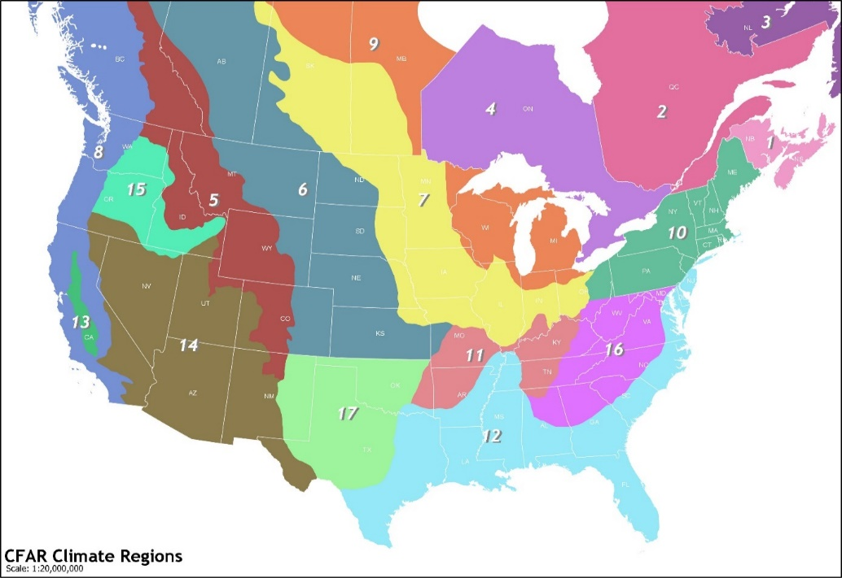
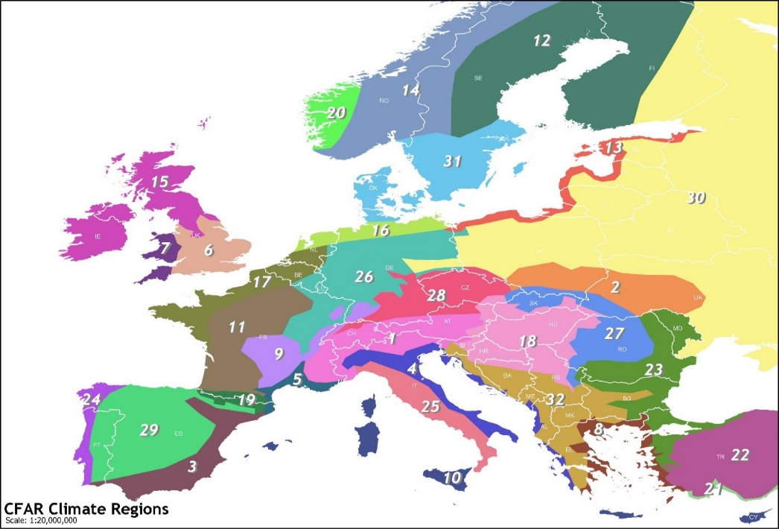
Header_YourData | Header_CFARS_Python | Site Metadata | Selection | If Option Selection is Other, Note Here | Key Cleaning Flags/Filters Applied | Selection | Notes | NDA status | Selection

 |  | CFARS Region: |  |  | Tower Distortion using Conservative Method? | Y |  | set up with IFPEN to run WiSE? | N
 |  | Terrain: |  |  | Anemometer Icing? | Y
 |  | Primary Comparison Height (m): |  |  | Wind Speed Outliers? | N
 |  | Season: |  |  | Sensor Degradation? | N
 |  | Distance between RSD and Mast: |  |  | RSD Low Data Availability Filter? | Y
 |  | RSD Type: |  |  | RSD Low CNR Filter? | Y
 |  | Reference Anemometer Type: |  |  | Is the RSD wind speed corrected? | N
 |  | Anemometer 2 Type: |  |  | Application of site-specific transfer function (slope/offset) | N
 |  | Reference Anemometer Class:
 |  | Anemometer 2 Class: |  |  | ZX firware version | N/A
 |  | Does anemometer mounting meet Measnet/IEC Standards?
 |  | Additional Comparison Height 1 (m), optional
 |  | Additional Comparison Height 2 (m), optional
 |  | Additional Comparison Height 3 (m), optional
 |  | Additional Comparison Height 4 (m), optional
 |  | Anemometer Height 1 (m) Class, optional
 |  | Anemometer Height 2 (m) Class, optional
 |  | Anemometer Height 3 (m) Class, optional
 |  | Anemometer Height 4 (m) Class, optional
 |  | RSD shear exponent calculation Height 1 (lower height) (m), optional
 |  | RSD shear exponent calculation Height 2 (higher height) (m), optional
 |  | anemometer shear exponent calculation Height 1 (lower height) (m), optional
 |  | anemometer shear exponent calculation Height 2 (higher height) (m), optional

