Configuration_template
Header_YourData | Header_CFARS_Python | Site Metadata | Selection | If Option Selection is Other, Note Here | Key Cleaning Flags/Filters Applied | Selection | Notes | NDA status | Selection

Timestamp | Timestamp | CFARS Region: | 17 - North America |  | Tower Distortion using Conservative Method? | Y |  | set up with IFPEN to run WiSE? | N
Hour | Hour | Terrain: | Simple |  | Anemometer Icing? | Y | Yes icing was removed
tower_353012_Ch1_Anem_55.50m_WSW_Avg_m/s | Ref_WS | Primary Comparison Height (m): | 55 |  | Wind Speed Outliers? | N
tower_353012_Ch1_Anem_55.50m_WSW_SD_m/s | Ref_SD | Season: | Fall (Sep, Oct, Nov) |  | Sensor Degradation? | N
tower_353012_Ch1_Anem_55.50m_WSW_TI | Ref_TI | Distance between RSD and Mast: | 60 |  | RSD Low Data Availability Filter? | Y
tower_353012_Ch2_Anem_55.50m_ESE_Avg_m/s | Ane2_WS | RSD Type: | WindCubev2.1 |  | RSD Low CNR Filter? | Y
tower_353012_Ch2_Anem_55.50m_ESE_Avg_m/s_alpha | Ane_alpha_highHeight | Reference Anemometer Type: | NRG #40 |  | Is the RSD wind speed corrected? | N
tower_353012_Ch2_Anem_55.50m_ESE_SD_m/s | Ane2_SD | Anemometer 2 Type: | Thies |  | Application of site-specific transfer function (slope/offset) | N
tower_353012_Ch2_Anem_55.50m_ESE_TI | Ane2_TI | Reference Anemometer Class: | 1
tower_353012_Ch5_Anem_49.20m_WSW_Avg_m/s | Ane_WS_Ht2 | Anemometer 2 Class: | 1 |  | ZX firware version | N/A
tower_353012_Ch5_Anem_49.20m_WSW_SD_m/s | Ane_SD_Ht2 | Does anemometer mounting meet Measnet/IEC Standards? | Y
tower_353012_Ch5_Anem_49.20m_WSW_TI | Ane_TI_Ht2 | Additional Comparison Height 1 (m), optional | 40
tower_353012_Ch6_Anem_49.20m_ESE_Avg_m/s | Ane_WS_Ht3 | Additional Comparison Height 2 (m), optional | 50
tower_353012_Ch6_Anem_49.20m_ESE_SD_m/s | Ane_SD_Ht3 | Additional Comparison Height 3 (m), optional | 65
tower_353012_Ch6_Anem_49.20m_ESE_TI | Ane_TI_Ht3 | Additional Comparison Height 4 (m), optional
tower_353012_Ch7_Anem_47.30m_WSW_Avg_m/s |  | Anemometer Height 1 (m) Class, optional | 1
tower_353012_Ch7_Anem_47.30m_WSW_SD_m/s |  | Anemometer Height 2 (m) Class, optional | 1
tower_353012_Ch7_Anem_47.30m_WSW_TI |  | Anemometer Height 3 (m) Class, optional | 1
tower_353012_Ch8_Anem_47.30m_ESE_Avg_m/s |  | Anemometer Height 4 (m) Class, optional
tower_353012_Ch8_Anem_47.30m_ESE_SD_m/s |  | RSD shear exponent calculation Height 1 (lower height) (m), optional | 45
tower_353012_Ch8_Anem_47.30m_ESE_TI |  | RSD shear exponent calculation Height 2 (higher height) (m), optional | 180
tower_353012_Ch9_Anem_42.40m_WSW_Avg_m/s | Ane_WS_Ht1 | anemometer shear exponent calculation Height 1 (lower height) (m), optional | 42.4
tower_353012_Ch9_Anem_42.40m_WSW_SD_m/s | Ane_SD_Ht1 | anemometer shear exponent calculation Height 2 (higher height) (m), optional | 55
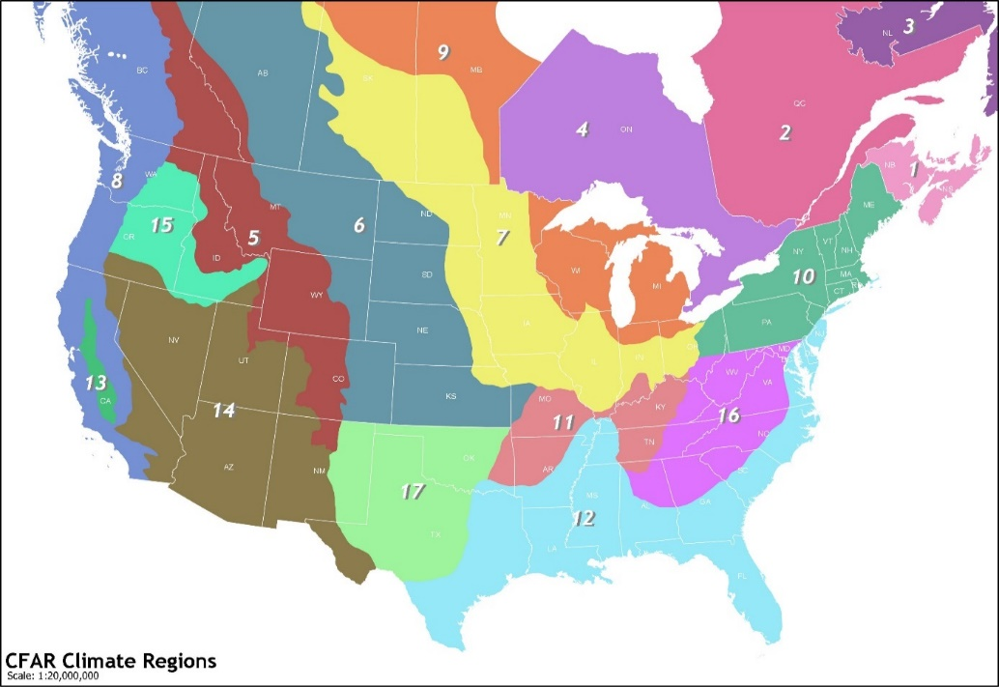
tower_353012_Ch9_Anem_42.40m_WSW_TI | Ane_TI_Ht1
tower_353012_Ch9_Anem_42.40m_WSW_Avg_m/s_alpha | Ane_alpha_lowHeight
tower_353012_Ch10_Anem_42.40m_ESE_Avg_m/s
tower_353012_Ch10_Anem_42.40m_ESE_SD_m/s
tower_353012_Ch10_Anem_42.40m_ESE_TI
tower_353012_Ch13_Vane_57.00m_SSW_Avg_deg
tower_353012_Ch13_Vane_57.00m_SSW_SD_deg
tower_353012_Ch14_Vane_44.50m_SSW_Avg_deg
tower_353012_Ch14_Vane_44.50m_SSW_SD_deg
tower_353012_Ch16_Analog_3.60m_N_Avg_C
tower_353012_Ch16_Analog_3.60m_N_SD_C
tower_353012_Ch19_Analog_3.60m_N_SD_C
windcube_WLS7-518_Ext Temp (¬∞C) | RSD_Temp
windcube_WLS7-518_Pressure (hPa) | RSD_Pressure
windcube_WLS7-518_Rel Humidity (%) | RSD_Humidity
windcube_WLS7-518_Wiper count
windcube_WLS7-518_40m Wind Speed (m/s) | RSD_WS_Ht1
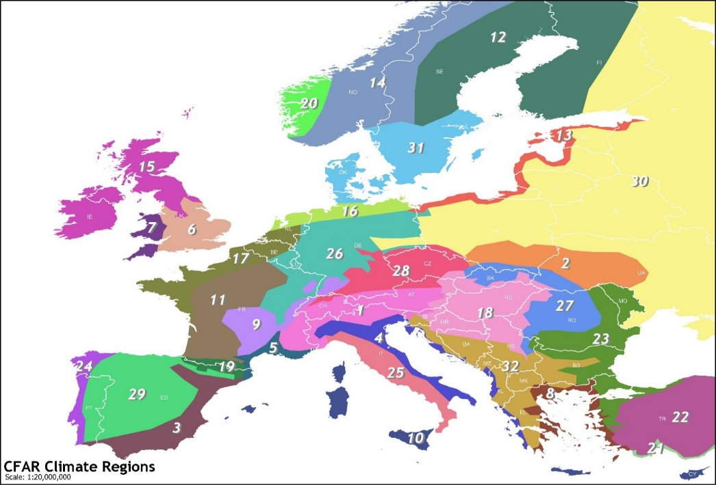
windcube_WLS7-518_40m Wind Direction (¬∞) | RSD_Direction_Ht1
windcube_WLS7-518_40m CNR (dB)
windcube_WLS7-518_40m CNR min (dB)
windcube_WLS7-518_40m Data Availability (%)
windcube_WLS7-518_45m Wind Speed (m/s) | RSD_alpha_lowHeight
windcube_WLS7-518_45m Wind Direction (¬∞)
windcube_WLS7-518_45m CNR (dB)
windcube_WLS7-518_45m CNR min (dB)
windcube_WLS7-518_45m Data Availability (%)
windcube_WLS7-518_50m Wind Speed (m/s) | RSD_WS_Ht2
windcube_WLS7-518_50m Wind Direction (¬∞) | RSD_Direction_Ht2
windcube_WLS7-518_50m CNR (dB)
windcube_WLS7-518_50m CNR min (dB)
windcube_WLS7-518_50m Data Availability (%)
windcube_WLS7-518_55m Wind Speed (m/s) | RSD_WS
windcube_WLS7-518_55m Wind Direction (¬∞) | RSD_Direction
windcube_WLS7-518_55m CNR (dB)
windcube_WLS7-518_55m CNR min (dB)
windcube_WLS7-518_55m Data Availability (%)
windcube_WLS7-518_60m Wind Speed (m/s)
windcube_WLS7-518_60m Wind Direction (¬∞)
windcube_WLS7-518_60m CNR (dB)
windcube_WLS7-518_60m CNR min (dB)
windcube_WLS7-518_60m Data Availability (%)
windcube_WLS7-518_65m Wind Speed (m/s) | RSD_WS_Ht3
windcube_WLS7-518_65m Wind Direction (¬∞) | RSD_Direction_Ht3
windcube_WLS7-518_65m CNR (dB)
windcube_WLS7-518_65m CNR min (dB)
windcube_WLS7-518_65m Data Availability (%)
windcube_WLS7-518_80m Wind Speed (m/s)
windcube_WLS7-518_80m Wind Direction (¬∞)
windcube_WLS7-518_80m CNR (dB)
windcube_WLS7-518_80m CNR min (dB)
windcube_WLS7-518_80m Data Availability (%)
windcube_WLS7-518_100m Wind Speed (m/s)
windcube_WLS7-518_100m Wind Direction (¬∞)
windcube_WLS7-518_100m CNR (dB)
windcube_WLS7-518_100m CNR min (dB)
windcube_WLS7-518_100m Data Availability (%)
windcube_WLS7-518_120m Wind Speed (m/s)
windcube_WLS7-518_120m Wind Direction (¬∞)
windcube_WLS7-518_120m CNR (dB)
windcube_WLS7-518_120m CNR min (dB)
windcube_WLS7-518_120m Data Availability (%)
windcube_WLS7-518_140m Wind Speed (m/s)
windcube_WLS7-518_140m Wind Direction (¬∞)
windcube_WLS7-518_140m CNR (dB)
windcube_WLS7-518_140m CNR min (dB)
windcube_WLS7-518_140m Data Availability (%)
windcube_WLS7-518_160m Wind Speed (m/s)
windcube_WLS7-518_160m Wind Direction (¬∞)
windcube_WLS7-518_160m CNR (dB)
windcube_WLS7-518_160m CNR min (dB)
windcube_WLS7-518_160m Data Availability (%)
windcube_WLS7-518_180m Wind Speed (m/s) | RSD_alpha_highHeight
windcube_WLS7-518_180m Wind Direction (¬∞)
windcube_WLS7-518_180m CNR (dB)
windcube_WLS7-518_180m CNR min (dB)
windcube_WLS7-518_180m Data Availability (%)
windcube_WLS7-518_40m TI | RSD_TI_Ht1
windcube_WLS7-518_45m TI
windcube_WLS7-518_50m TI | RSD_TI_Ht2
windcube_WLS7-518_55m TI | RSD_TI
windcube_WLS7-518_60m TI
windcube_WLS7-518_65m TI | RSD_TI_Ht3
windcube_WLS7-518_80m TI
windcube_WLS7-518_100m TI
windcube_WLS7-518_120m TI
windcube_WLS7-518_140m TI
windcube_WLS7-518_160m TI
windcube_WLS7-518_180m TI
windcube_WLS7-518_40m Wind Speed Dispersion (m/s) | RSD_SD_Ht1
windcube_WLS7-518_45m Wind Speed Dispersion (m/s)
windcube_WLS7-518_50m Wind Speed Dispersion (m/s) | RSD_SD_Ht2
windcube_WLS7-518_55m Wind Speed Dispersion (m/s) | RSD_SD
windcube_WLS7-518_60m Wind Speed Dispersion (m/s)
windcube_WLS7-518_65m Wind Speed Dispersion (m/s) | RSD_SD_Ht3
windcube_WLS7-518_80m Wind Speed Dispersion (m/s)
windcube_WLS7-518_100m Wind Speed Dispersion (m/s)
windcube_WLS7-518_120m Wind Speed Dispersion (m/s)
windcube_WLS7-518_140m Wind Speed Dispersion (m/s)
windcube_WLS7-518_160m Wind Speed Dispersion (m/s)
windcube_WLS7-518_180m Wind Speed Dispersion (m/s)

