Excalibur
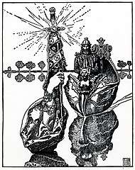
Excalibur; Howard Pyle illustration from the 1903 edition of The Story of King Arthur and His Knights. (https://commons.wikimedia.org/wiki/File:Arthur-Pyle_Excalibur_the_Sword.JPG)

