Sheet1
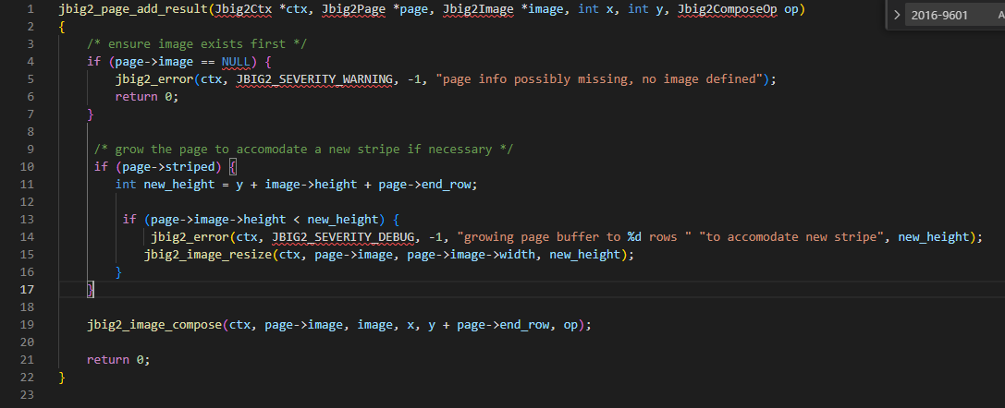
Accuracy
vul_line:11 | deepwukong | devign | ivdetect | reveal
DeepLIFT | 1, 4, 5, 6, 10, 11, 13, 15, 19 | 1, 2, 4, 5, 6, 10, 11, 13, 14, 15, 19 | 1, 4, 5, 10, 11, 13, 14, 15, 19 | 10, 11, 13, 15, 19
GNNEXP | 1, 4, 5, 11, 13, 15, 19 | 1, 2, 4, 10, 11, 15, 21 | 19, 1, 11, 15 | 4, 5, 6, 11, 13, 14, 15
GNNLRP | 1, 4, 5, 6, 10, 11, 13, 14, 15, 19 | 1, 4, 5, 6, 10, 11, 13, 15, 19, 21 | 10, 11, 13, 14, 15, 19, 21 | 4, 5, 10, 11, 13, 15, 19, 21
GradCAM | 1, 4, 5, 6, 10, 11, 13, 15, 19, 21 | 1, 4, 5, 6, 10, 11, 14, 15, 19 | 1, 4, 5, 6, 10, 11, 13, 14, 15, 19 | 1, 4, 5, 6, 10, 11, 13, 14, 15, 19
PGEXP | 1, 4, 5, 11, 14, 15, 19 | 1, 4, 5, 10, 11, 14, 15, 19 | 1, 10, 11, 14, 15, 19 | 4, 5, 10, 11, 13, 14, 15, 19, 21
SubgraphX | 1, 4, 5, 10, 11, 14, 15, 19 | 1, 4, 5, 10, 11, 14, 15, 19 | 1, 4, 5, 10, 11, 13, 14, 15, 19 | 1, 4, 5, 10, 11, 15, 19

IoU
gt: : 11, 13, 14, 15, 19 | deepwukong | devign | ivdetect | reveal
DeepLIFT | 1, 4, 5, 6, 10, 11, 13, 15, 19 | 1, 2, 4, 5, 6, 10, 11, 13, 14, 15, 19 | 1, 4, 5, 10, 11, 13, 14, 15, 19 | 10, 11, 13, 15, 19
GNNEXP | 1, 4, 5, 11, 13, 15, 19 | 1, 2, 4, 10, 11, 15, 21 | 19, 1, 11, 15 | 4, 5, 6, 11, 13, 14, 15
GNNLRP | 1, 4, 5, 6, 10, 11, 13, 14, 15, 19 | 1, 4, 5, 6, 10, 11, 13, 15, 19, 21 | 10, 11, 13, 14, 15, 19, 21 | 4, 5, 10, 11, 13, 15, 19, 21
GradCAM | 1, 4, 5, 6, 10, 11, 13, 15, 19, 21 | 1, 4, 5, 6, 10, 11, 14, 15, 19 | 1, 4, 5, 6, 10, 11, 13, 14, 15, 19 | 1, 4, 5, 6, 10, 11, 13, 14, 15, 19
PGEXP | 1, 4, 5, 11, 14, 15, 19 | 1, 4, 5, 10, 11, 14, 15, 19 | 1, 10, 11, 14, 15, 19 | 4, 5, 10, 11, 13, 14, 15, 19, 21
SubgraphX | 1, 4, 5, 10, 11, 14, 15, 19 | 1, 4, 5, 10, 11, 14, 15, 19 | 1, 4, 5, 10, 11, 13, 14, 15, 19 | 1, 4, 5, 10, 11, 15, 19

vulnerable function

