Pre-filled (IV)
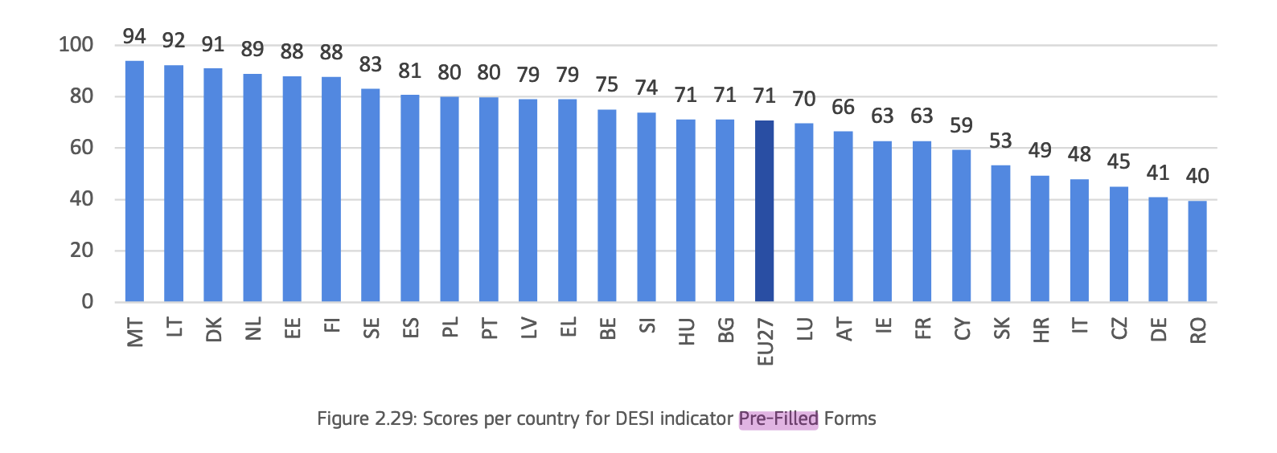
 | Country | Pre-filled Forms
1 | Malta | 93.97 |  |  |  |  | Country | Pre-filled Forms | calibrated | Membership Category
2 | Lithuania | 92.30 |  |  |  |  | Malta | 93.97 | 1 | Full member
3 | Denmark | 91.01 |  |  |  |  | Lithuania | 92.3 | 1 | Full member
4 | Netherlands | 89.01 |  |  |  |  | Denmark | 91.01 | 1 | Full member
5 | Estonia | 88.06 |  |  |  |  | Netherlands | 89.01 | 0.97394736842 | More in than out
6 | Finland | 87.59 |  |  |  |  | Estonia | 88.06 | 0.94894736842 | More in than out
7 | Sweden | 83.12 |  |  |  |  | Finland | 87.59 | 0.93657894737 | More in than out
8 | Spain | 80.73 |  |  |  |  | Sweden | 83.12 | 0.81894736842 | More in than out
9 | Poland | 79.95 |  |  |  |  | Spain | 80.73 | 0.75605263158 | More in than out
10 | Portugal | 79.89 |  |  |  |  | Poland | 79.95 | 0.73552631579 | More in than out
11 | Latvia | 79.05 |  |  |  |  | Portugal | 79.89 | 0.73394736842 | More in than out
12 | Greece | 79.01 |  |  |  |  | Latvia | 79.05 | 0.71184210526 | More in than out
13 | Belgium | 75.08 |  |  |  |  | Greece | 79.01 | 0.71078947368 | More in than out
14 | Slovenia | 73.89 |  |  |  |  | Belgium | 75.08 | 0.60736842105 | More in than out
15 | Hungary | 71.11 | Indicator: Pre-filled forms indicates where forms are automatically pre-filled using data from base registries. |  |  |  | Slovenia | 73.89 | 0.57605263158 | More in than out
16 | Bulgaria | 71.08 |  |  |  |  | Hungary | 71.11 | 0.50289473684 | More in than out
The Pre-filled Forms indicator assesses whether personal data is pre-filled in online government service forms, meaning that when users authenticate themselves, relevant information (like name, address, or ID number) is automatically retrieved and inserted into digital forms from government-held registries or databases.
17 | Luxembourg | 69.63 |  |  |  |  | Bulgaria | 71.08 | 0.50210526316 | More in than out
18 | Austria | 66.49 |  |  |  |  | Luxembourg | 69.63 | 0.47365384615 | More out than in
19 | Ireland | 62.85 |  |  |  |  | Austria | 66.49 | 0.41326923077 | More out than in
20 | France | 62.78 |  |  |  |  | Ireland | 62.85 | 0.34326923077 | More out than in
21 | Cyprus | 59.38 |  |  |  |  | France | 62.78 | 0.34192307692 | More out than in
22 | Slovakia | 53.33 |  |  |  |  | Cyprus | 59.38 | 0.27653846154 | Non-member
23 | Croatia | 49.38 |  | Calibration Point | Value | Justification | Slovakia | 53.33 | 0.16019230769 | Non-member
24 | Italy | 47.91 |  | Full membership (1.0) | 90 | Top-tier countries (e.g., Malta 93.97, Lithuania 92.30, Denmark 91.01) demonstrate complete or near-complete automation. | Croatia | 49.38 | 0.084230769231 | Non-member
25 | Czech Republic | 45.09 |  |  |  |  | Italy | 47.91 | 0.055961538462 | Non-member
26 | Germany | 40.81 |  | Crossover (0.5) | 71 | Exactly matches the EU27 average, which is a strong empirical midpoint. | Czech Republic | 45.09 | 0.0017307692308 | Non-member
27 | Romania | 39.58 |  |  |  |  | Germany | 40.81 | 0 | Non-member
 |  |  |  | Full non-membership (0.0) | 45 | Captures the bottom ~10–15% (Romania 39.58, Czechia 45.09), where pre-filling is minimal. | Romania | 39.58 | 0 | Non-member

Transparency (IV)
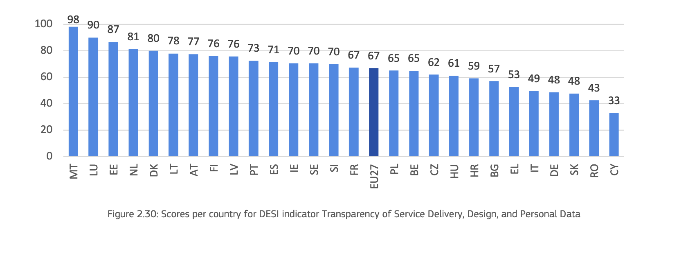
 | Country | Transparency |  |  |  |  |  |  | Country | Transparency | calibrated | Membership Category
1 | Austria | 77.42 |  |  |  |  |  |  | Malta | 98.27 | 1 | Full member
2 | Belgium | 64.78 |  |  |  |  |  |  | Luxembourg | 89.94 | 0.9985 | Full member
3 | Bulgaria | 57.03 |  |  |  |  |  |  | Estonia | 86.7 | 0.9175 | Full member
4 | Croatia | 59.14 |  |  |  |  |  |  | Netherlands | 81.24 | 0.781 | Full member
5 | Cyprus | 32.89 |  |  |  |  |  |  | Denmark | 80.08 | 0.752 | Full member
6 | Czech Republic | 61.94 |  |  |  |  |  |  | Lithuania | 77.98 | 0.6995 | More in than out
7 | Denmark | 80.08 |  |  |  |  |  |  | Austria | 77.42 | 0.6855 | More in than out
8 | Estonia | 86.70 |  |  |  |  |  |  | Finland | 76.07 | 0.65175 | More in than out
9 | Finland | 76.07 |  |  |  |  |  |  | Latvia | 75.68 | 0.642 | More in than out
10 | France | 67.31 |  |  |  |  |  |  | Portugal | 72.55 | 0.56375 | More in than out
11 | Germany | 48.46 |  |  |  |  |  |  | Spain | 71.4 | 0.535 | More in than out
12 | Greece | 52.66 |  |  |  |  |  |  | Ireland | 70.46 | 0.5115 | More in than out
13 | Hungary | 61.15 |  |  |  |  |  |  | Sweden | 70.45 | 0.51125 | More in than out
14 | Ireland | 70.46 |  |  |  |  |  |  | Slovenia | 70.04 | 0.501 | More in than out
15 | Italy | 49.48 |  |  |  |  |  |  | France | 67.31 | 0.4462 | More out than in
16 | Latvia | 75.68 | Indicator: Transparency of service delivery, design and personal data |  |  |  |  |  | Poland | 65.09 | 0.4018 | More out than in
Definition: Transparency of service delivery, design and personal data, measured as the extent to which service processes are transparent, services are designed with user involvement and users can manage their personal data. The indicator is an aggregate score of multiple elements describing, among other:
- the share of services providing a delivery of completion notice,
- the share of services that track progress during completion,
- the degree to which portals provide online access to personal data,
- the extent to which users are involved in the design of services,
- and the extend to which users are involved in policy making processes.
17 | Lithuania | 77.98 |  |  |  |  |  |  | Belgium | 64.78 | 0.3956 | More out than in
18 | Luxembourg | 89.94 |  |  |  |  |  |  | Czech Republic | 61.94 | 0.3388 | More out than in
19 | Malta | 98.27 |  |  |  |  |  |  | Hungary | 61.15 | 0.323 | More out than in
20 | Netherlands | 81.24 |  |  |  |  |  |  | Croatia | 59.14 | 0.2828 | Non-member
21 | Poland | 65.09 |  |  |  |  |  |  | Bulgaria | 57.03 | 0.2406 | Non-member
22 | Portugal | 72.55 |  |  |  |  |  |  | Greece | 52.66 | 0.1532 | Non-member
23 | Romania | 42.60 |  |  |  |  |  |  | Italy | 49.48 | 0.0896 | Non-member
24 | Slovakia | 47.64 |  |  |  |  |  |  | Germany | 48.46 | 0.0692 | Non-member
25 | Slovenia | 70.04 |  |  |  |  |  |  | Slovakia | 47.64 | 0.0528 | Non-member
26 | Spain | 71.40 |  |  |  |  |  |  | Romania | 42.6 | 0 | Non-member
27 | Sweden | 70.45 |  |  |  |  |  |  | Cyprus | 32.89 | 0 | Non-member

 |  |  | Calibration Point | Value | Justification
 |  |  | Full membership (1.0) | 90 | Countries scoring 90+ show consistently high transparency across all sub-indicators, representing a fully realized set ideal.

 |  |  | Crossover (0.5) | 70 | The EU27 average for Transparency is ~70 based on the data chart (close to countries like Latvia and Portugal). This marks a balanced midpoint where inclusion/exclusion is ambiguous.

 |  |  | Full non-membership (0.0) | 45 | Countries like Cyprus, Romania, and Germany fall below this, showing insufficient transparency features. This marks a practical floor of the set.

 |  |  |  |  |  | Calibration Point | Value | Rationale
 |  |  |  |  |  | Full membership (1.0) | 90 | Countries scoring 90+ show consistently high transparency across all sub-indicators, representing a fully realized set ideal.
 |  |  |  |  |  | Crossover (0.5) | 70 | The EU27 average for Transparency is ~70 based on the data chart (close to countries like Latvia and Portugal). This marks a balanced midpoint where inclusion/exclusion is ambiguous.
 |  |  |  |  |  | Full non-membership (0.0) | 45 | Countries like Cyprus, Romania, and Germany fall below this, showing insufficient transparency features. This marks a practical floor of the set.

Availability (IV)
Availability of service being entirely completable online and accessible by mobile - Reflects digital accessibility of public services on any platform (online or mobile)
 | Country | Online Availability | Mobile Friendliness | Availability Indicator | Indicator: The indicator Availability evaluates how services are made available to citizens online and on mobile platforms
1 | Denmark | 99.63 | 99.59 | 99.61 |  |  |  | Country | Availability | Calibrated | Membership Category
2 | Malta | 100.00 | 98.89 | 99.44 |  |  |  | Denmark | 99.61 | 1 | Full member
3 | Finland | 97.10 | 100.00 | 98.55 |  |  |  | Malta | 99.44 | 1 | Full member
4 | Sweden | 95.77 | 100.00 | 97.88 |  |  |  | Finland | 98.55 | 1 | Full member
5 | Netherlands | 94.91 | 99.68 | 97.30 |  |  |  | Sweden | 97.88 | 1 | Full member
The indicator Online Availability evaluates how services are made available online to citizens. The indicator assesses whether information about the service is online, whether the actual service can be completed online and whether the service can be reached via one of the main government portals
The report describes the “Mobile Friendliness” indicator as part of the User Centricity dimension in the eGovernment Benchmark. It evaluates whether government websites are optimized for mobile device use - meaning text is readable, buttons are sized appropriately, and the interface adapts well to smaller screens.
6 | Austria | 94.08 | 99.67 | 96.88 |  |  |  | Netherlands | 97.3 | 1 | Full member
7 | Spain | 97.80 | 94.76 | 96.28 |  |  |  | Austria | 96.88 | 1 | Full member
8 | Estonia | 95.56 | 96.90 | 96.23 |  |  |  | Spain | 96.28 | 1 | Full member
9 | Greece | 94.02 | 98.32 | 96.17 |  |  |  | Estonia | 96.23 | 1 | Full member
10 | Luxembourg | 95.49 | 96.74 | 96.11 |  |  |  | Greece | 96.17 | 1 | Full member
11 | Belgium | 92.44 | 99.26 | 95.85 |  |  |  | Luxembourg | 96.11 | 1 | Full member
12 | Portugal | 97.93 | 92.23 | 95.08 |  |  |  | Belgium | 95.85 | 1 | Full member
13 | Latvia | 92.66 | 97.43 | 95.04 |  |  |  | Portugal | 95.08 | 1 | Full member
14 | France | 92.91 | 96.71 | 94.81 |  |  |  | Latvia | 95.04 | 1 | Full member
15 | Lithuania | 92.48 | 95.22 | 93.85 |  |  |  | France | 94.81 | 0.9905 | More in than out
16 | Slovenia | 93.10 | 94.43 | 93.76 | Calibration Point | Value | Justification | Lithuania | 93.85 | 0.9425 | More in than out
17 | Croatia | 89.30 | 97.83 | 93.56 | Full membership (1.0) | 95 | Countries scoring ≥95 (e.g., Austria, Denmark, Malta) offer nearly complete digital service access. | Slovenia | 93.76 | 0.938 | More in than out
18 | Germany | 90.07 | 96.33 | 93.20 |  |  |  | Croatia | 93.56 | 0.928 | More in than out
19 | Bulgaria | 90.23 | 95.71 | 92.97 | Crossover (0.5) | 85 | 85 represents the empirical midpoint, capturing typical performance across the EU. | Germany | 93.2 | 0.91 | More in than out
20 | Ireland | 87.34 | 98.24 | 92.79 |  |  |  | Bulgaria | 92.97 | 0.8985 | More in than out
21 | Czech Republic | 91.35 | 93.71 | 92.53 | Full non-membership (0.0) | 70 | Values ≤70 reflect limited online service availability, seen in the lowest-performing countries (e.g., Romania). | Ireland | 92.79 | 0.8895 | More in than out
22 | Italy | 90.72 | 92.44 | 91.58 |  |  |  | Czech Republic | 92.53 | 0.8765 | More in than out
23 | Hungary | 95.60 | 87.19 | 91.40 |  |  |  | Italy | 91.58 | 0.829 | More in than out
24 | Slovakia | 86.85 | 94.43 | 90.64 |  |  |  | Hungary | 91.4 | 0.82 | More in than out
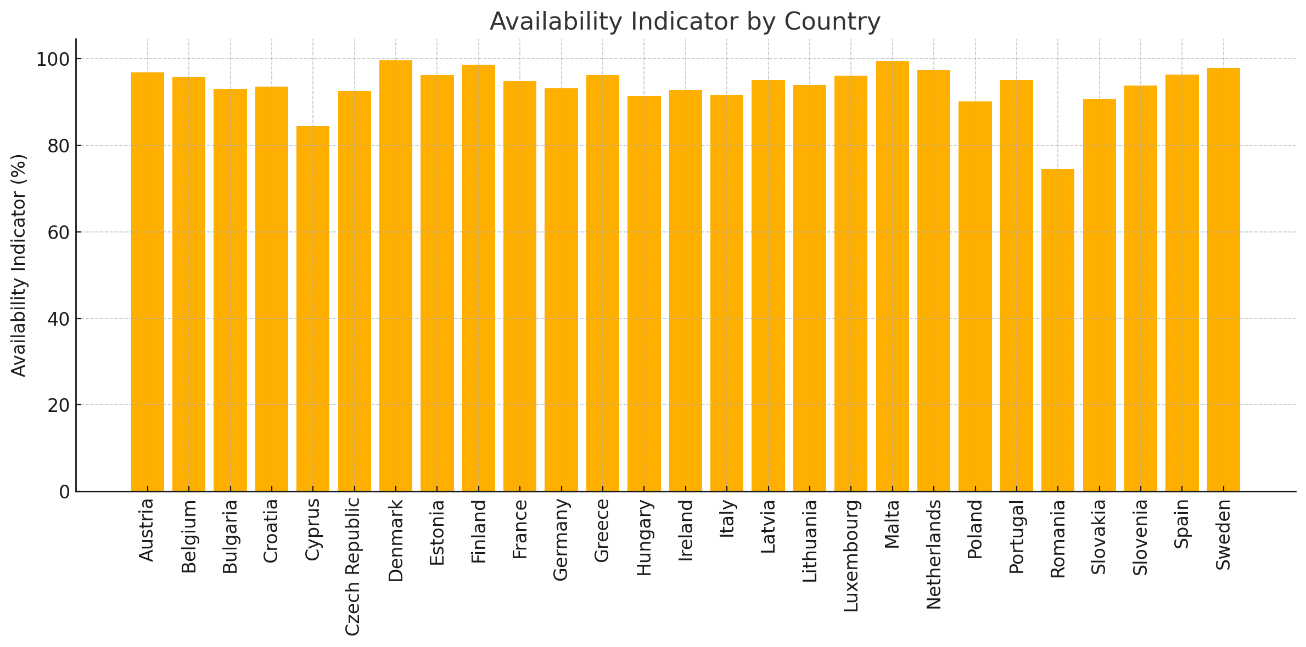
25 | Poland | 87.15 | 93.14 | 90.15 |  |  |  | Slovakia | 90.64 | 0.782 | More in than out
26 | Cyprus | 79.42 | 89.39 | 84.40 |  |  |  | Poland | 90.15 | 0.7575 | More in than out
27 | Romania | 73.07 | 75.96 | 74.51 |  |  |  | Cyprus | 84.4 | 0.48 | More out than in
 |  |  |  |  |  |  |  | Romania | 74.51 | 0.15033333333 | More out than in

eID (IV)
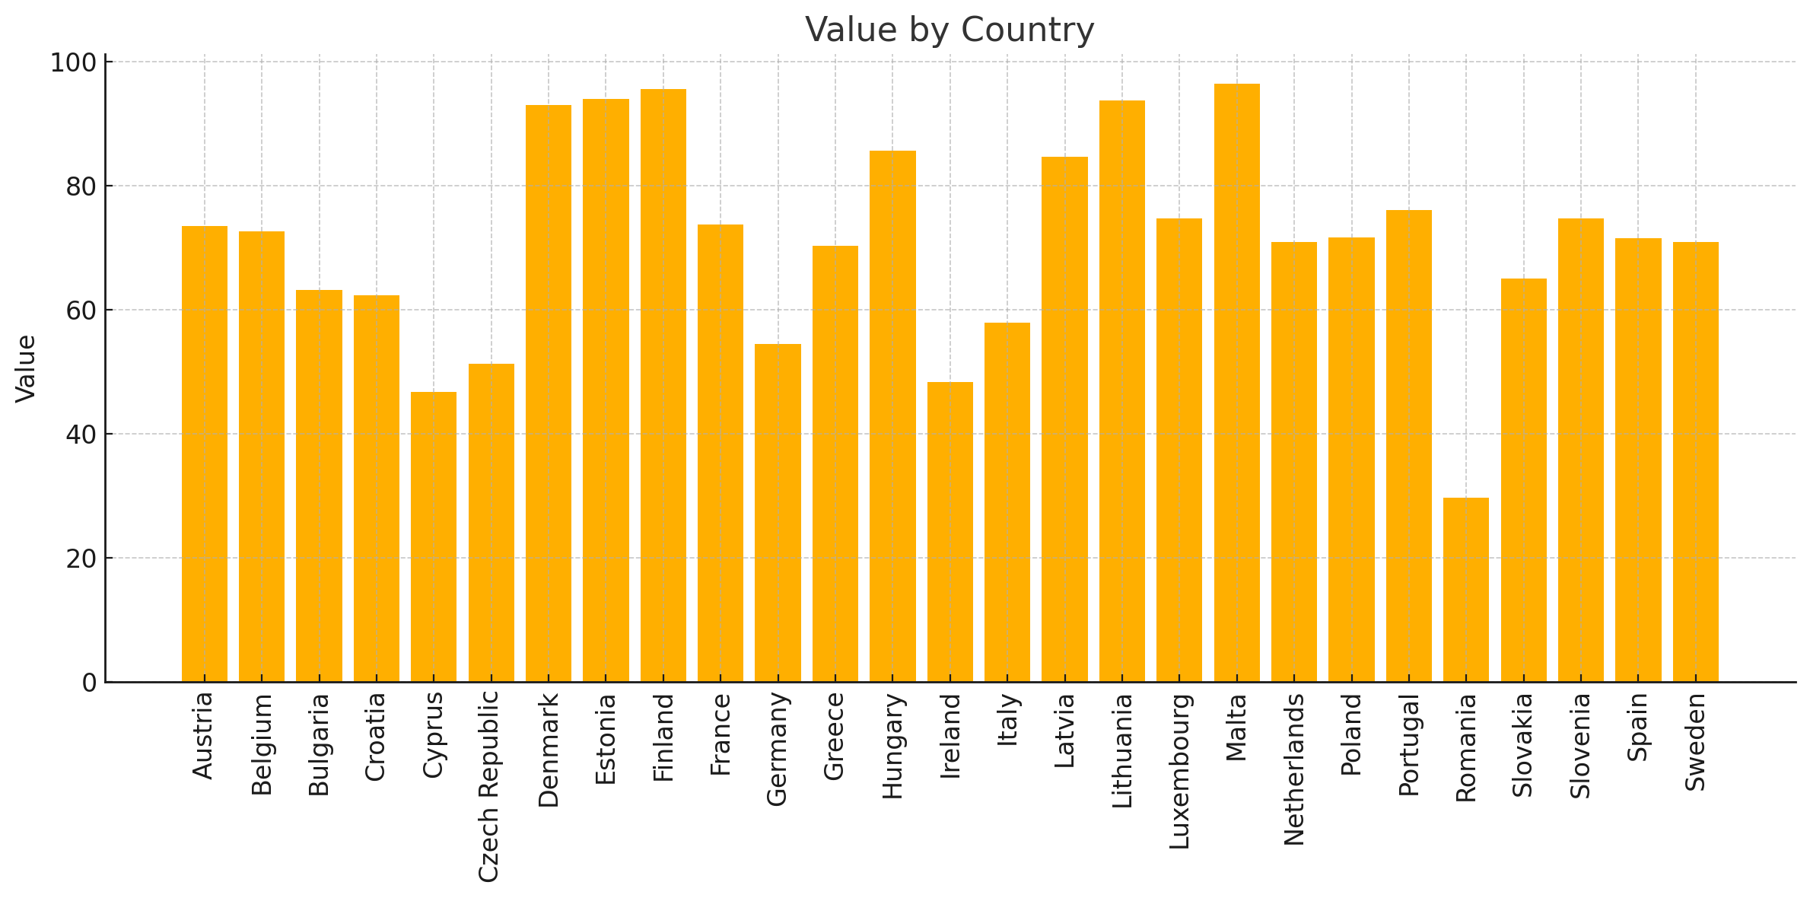
 | Country | eID Score
1 | Austria | 73.60 |  |  |  | Country | eID | Calibrated | Membership Category
2 | Belgium | 72.71 |  |  |  | Malta | 96.49 | 1 | Full member
3 | Bulgaria | 63.18 |  |  |  | Finland | 95.59 | 1 | Full member
4 | Croatia | 62.36 |  |  |  | Estonia | 94.07 | 1 | Full member
5 | Cyprus | 46.84 |  |  |  | Lithuania | 93.83 | 1 | Full member
6 | Czech Republic | 51.39 |  |  |  | Denmark | 93.06 | 1 | Full member
7 | Denmark | 93.06 |  |  |  | Hungary | 85.74 | 0.8935 | More in than out
8 | Estonia | 94.07 |  |  |  | Latvia | 84.71 | 0.86775 | More in than out
9 | Finland | 95.59 |  |  |  | Portugal | 76.12 | 0.653 | More in than out
10 | France | 73.75 |  |  |  | Slovenia | 74.8 | 0.62 | More in than out
11 | Germany | 54.57 |  |  |  | Luxembourg | 74.77 | 0.61925 | More in than out
12 | Greece | 70.41 |  |  |  | France | 73.75 | 0.59375 | More in than out
13 | Hungary | 85.74 |  |  |  | Austria | 73.6 | 0.59 | More in than out
14 | Ireland | 48.35 |  |  |  | Belgium | 72.71 | 0.56775 | More in than out
15 | Italy | 58.00 |  |  |  | Poland | 71.74 | 0.5435 | More in than out
16 | Latvia | 84.71 |  |  |  | Spain | 71.57 | 0.53925 | More in than out
Indicator: eID Availability of national eID for services - Indicates secure digital authentication infrastructure
17 | Lithuania | 93.83 |  |  |  | Sweden | 70.95 | 0.52375 | More out than in
18 | Luxembourg | 74.77 |  |  |  | Netherlands | 70.93 | 0.52325 | More out than in
19 | Malta | 96.49 |  |  |  | Greece | 70.41 | 0.51025 | More out than in
eID (electronic identification) is a government-issued solution for online identification and authentication. With electronic identification, users no longer need to visit government service desks to prove their identity in person, nor do they need to wait for documentation to arrive via post.
20 | Netherlands | 70.93 |  |  |  | Slovakia | 65.06 | 0.4012 | More out than in
21 | Poland | 71.74 |  |  |  | Bulgaria | 63.18 | 0.3636 | More out than in
22 | Portugal | 76.12 |  |  |  | Croatia | 62.36 | 0.3472 | More out than in
23 | Romania | 29.74 |  |  |  | Italy | 58 | 0.26 | Non-member
24 | Slovakia | 65.06 |  |  |  | Germany | 54.57 | 0.1914 | Non-member
25 | Slovenia | 74.80 |  |  |  | Czech Republic | 51.39 | 0.1278 | Non-member
26 | Spain | 71.57 |  |  |  | Ireland | 48.35 | 0.067 | Non-member
27 | Sweden | 70.95 |  |  |  | Cyprus | 46.84 | 0.0368 | Non-member
 |  |  | Calibration Point | Value | Justification | Romania | 29.74 | 0 | Non-member
 |  |  | Full membership (1.0) | 93 | Full membership (93) denotes comprehensive eID coverage

 |  |  | Crossover (0.5) | 71.5 | The eID variable shows wider dispersion across EU states, from below 40 (Romania, Cyprus) to over 95 (Malta, Finland, Estonia). The thresholds were therefore adjusted to capture this spread.

 |  |  | Full non-membership (0.0) | 60

User Support (IV)
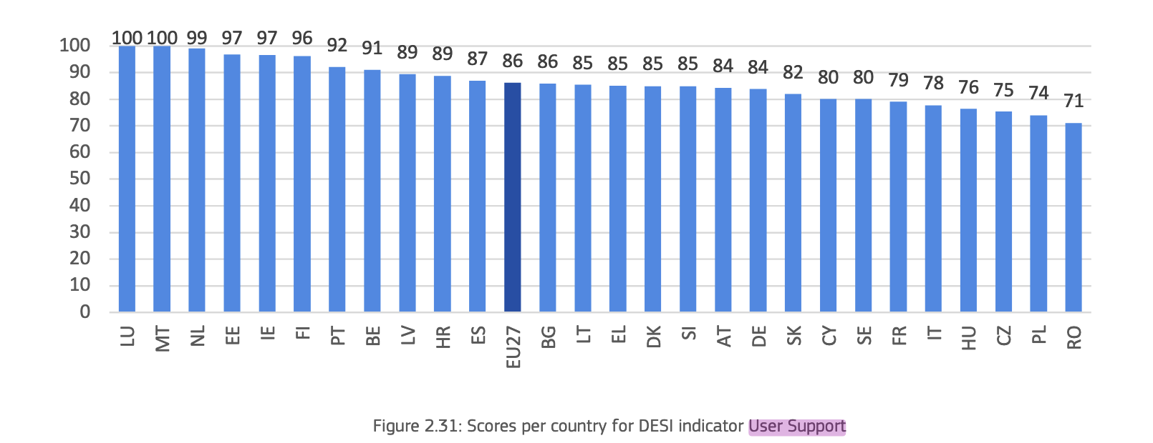
 | Country | User Support
1 | Finland | 100.00
2 | Greece | 100.00 |  |  |  | Country | User Support | User Support (calibrated) | Membership Category
3 | Italy | 100.00 |  |  |  | Finland | 100 | 1 | Full member
4 | Luxembourg | 100.00 |  |  |  | Greece | 100 | 1 | Full member
5 | Malta | 100.00 |  |  |  | Italy | 100 | 1 | Full member
6 | Poland | 100.00 |  |  |  | Luxembourg | 100 | 1 | Full member
7 | Spain | 100.00 |  |  |  | Malta | 100 | 1 | Full member
8 | Austria | 98.41 |  |  |  | Poland | 100 | 1 | Full member
9 | Netherlands | 98.41 |  |  |  | Spain | 100 | 1 | Full member
10 | Belgium | 96.83 |  |  |  | Austria | 98.41 | 0.9205 | More in than out
11 | Ireland | 96.83 |  |  |  | Belgium | 96.83 | 0.8415 | More in than out
12 | Lithuania | 96.83 |  |  |  | Bulgaria | 90.48 | 0.524 | More in than out
13 | France | 95.24 |  |  |  | Denmark | 92.06 | 0.603 | More in than out
Indicactor: User Support (or plainly, Support)
14 | Portugal | 95.24 |  |  |  | Estonia | 93.65 | 0.6825 | More in than out
15 | Germany | 93.65 |  |  |  | France | 95.24 | 0.762 | More in than out
16 | Sweden | 93.65 |  |  |  | Germany | 93.65 | 0.6825 | More in than out
Availability of user support mechanisms - measures the extent of guidance, help, and feedback support available to users
17 | Estonia | 93.65 |  |  |  | Hungary | 93.65 | 0.6825 | More in than out
18 | Hungary | 93.65 |  |  |  | Ireland | 96.83 | 0.8415 | More in than out
19 | Latvia | 93.65 |  |  |  | Latvia | 93.65 | 0.6825 | More in than out
20 | Slovakia | 93.65 |  |  |  | Lithuania | 96.83 | 0.8415 | More in than out
EU average score of 86 points. This score indicates that most EU government services provide robust support mechanisms for users encountering issues or inquiries. Luxembourg and Malta achieve a perfect score on this indicator. Additionally, other high performers include the Netherland (99 points), Estonia (97 points), Ireland (97 points), Finland (96 points), Portugal (92 points) and Belgium (91 points)
21 | Slovenia | 92.06 |  |  |  | Netherlands | 98.41 | 0.9205 | More in than out
22 | Denmark | 92.06 |  |  |  | Portugal | 95.24 | 0.762 | More in than out
23 | Romania | 90.48 |  |  |  | Romania | 90.48 | 0.524 | More in than out
24 | Bulgaria | 90.48 |  |  |  | Slovakia | 93.65 | 0.6825 | More in than out
25 | Croatia | 88.89 |  |  |  | Slovenia | 92.06 | 0.603 | More in than out
26 | Czech Republic | 84.13 |  |  |  | Sweden | 93.65 | 0.6825 | More in than out
27 | Cyprus | 71.43 | Calibration Point | Value | Justification | Croatia | 88.89 | 0.47225 | More out than in
 |  |  | Full membership (1.0) |  |  | Cyprus | 71.43 | 0.03575 | More out than in
 |  |  |  |  |  | Czech Republic | 84.13 | 0.35325 | More out than in
 |  |  | Crossover (0.5)

 |  |  | Full non-membership (0.0)

eDocuments (IV)
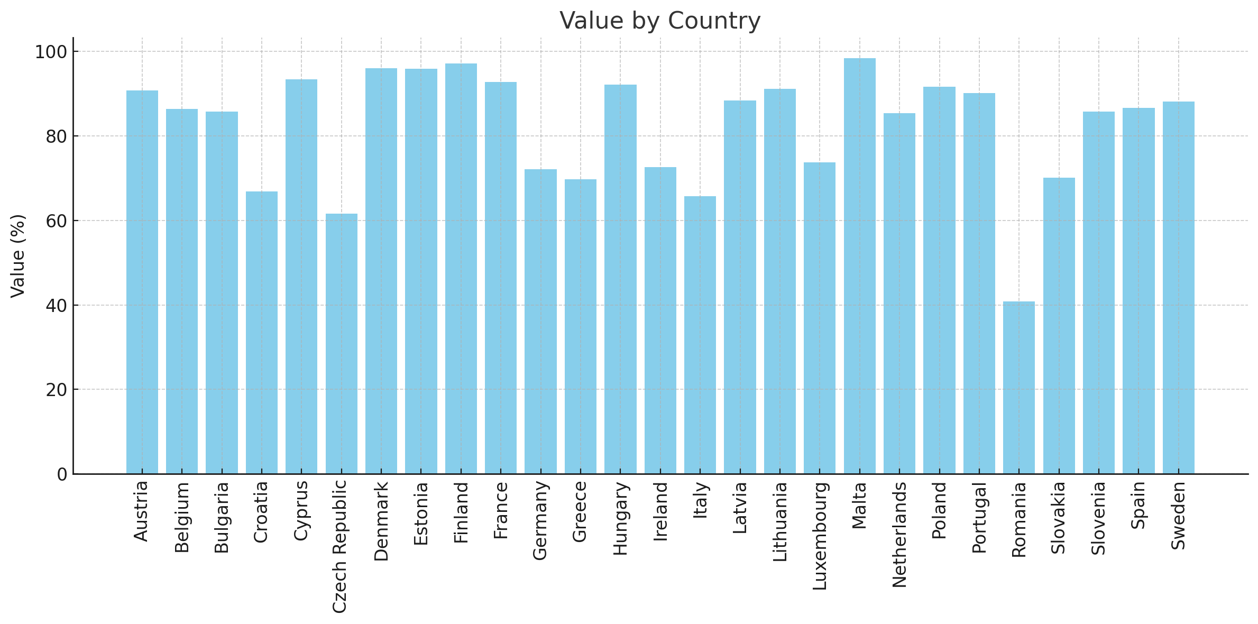
 | Country | eDocunment Score
1 | Malta | 98.41 |  |  |  | Country | EDOC | Calibrated | Membership Category
2 | Finland | 97.13 |  |  |  | Denmark | 95.99 | 1 | Full member
3 | Denmark | 95.99 |  |  |  | Estonia | 95.94 | 1 | Full member
4 | Estonia | 95.94 |  |  |  | Finland | 97.13 | 1 | Full member
5 | Cyprus | 93.45 |  |  |  | Malta | 98.41 | 1 | Full member
6 | France | 92.76 |  |  |  | Austria | 90.81 | 0.7905 | More in than out
7 | Hungary | 92.13 |  |  |  | Belgium | 86.38 | 0.569 | More in than out
8 | Poland | 91.67 |  |  |  | Bulgaria | 85.78 | 0.539 | More in than out
9 | Lithuania | 91.19 |  |  |  | Cyprus | 93.45 | 0.9225 | More in than out
10 | Austria | 90.81 |  |  |  | France | 92.76 | 0.888 | More in than out
11 | Portugal | 90.09 |  |  |  | Hungary | 92.13 | 0.8565 | More in than out
12 | Latvia | 88.43 |  |  |  | Latvia | 88.43 | 0.6715 | More in than out
13 | Sweden | 88.15 |  |  |  | Lithuania | 91.19 | 0.8095 | More in than out
14 | Spain | 86.62 |  |  |  | Netherlands | 85.37 | 0.5185 | More in than out
15 | Belgium | 86.38 |  |  |  | Poland | 91.67 | 0.8335 | More in than out
16 | Bulgaria | 85.78 | Indicator: eDocuments - Ability to download and submit important documents |  |  | Portugal | 90.09 | 0.7545 | More in than out
17 | Slovenia | 85.71 |  |  |  | Slovenia | 85.71 | 0.5355 | More in than out
eDocuments (electronic documents) are documents in digital form that the user needs to submit/upload in order to complete an eGovernment service, or that the user obtains as a proof or a result of the service (e.g., certificate, diploma, proof of registration.
18 | Netherlands | 85.37 |  |  |  | Spain | 86.62 | 0.581 | More in than out
19 | Luxembourg | 73.77 |  |  |  | Sweden | 88.15 | 0.6575 | More in than out
20 | Ireland | 72.57 |  |  |  | Croatia | 66.84 | 0.046 | More out than in
21 | Germany | 72.17 |  |  |  | Germany | 72.17 | 0.17925 | More out than in
22 | Slovakia | 70.09 |  |  |  | Greece | 69.79 | 0.11975 | More out than in
23 | Greece | 69.79 |  |  |  | Ireland | 72.57 | 0.18925 | More out than in
24 | Croatia | 66.84 |  |  |  | Italy | 65.74 | 0.0185 | More out than in
25 | Italy | 65.74 | Calibration Point | Value | Justification | Luxembourg | 73.77 | 0.21925 | More out than in
26 | Czech Republic | 61.65 | Full membership (1.0) | 96 | countries where this capability is nearly universal and seamless. A threshold just below 96 reflects the idea that a truly comprehensive system has minimal gaps. | Slovakia | 70.09 | 0.12725 | More out than in
27 | Romania | 40.78 |  |  |  | Czech Republic | 61.65 | 0 | Non-member
 |  |  | Crossover (0.5) | 86 |  | Romania | 40.78 | 0 | Non-member

 |  |  | Full non-membership (0.0) | 66.5

