Sheet1
Signal Layer | Reference Layer | Impedance Type | Trace Width（mm) | Trace Spacing（mm) | Impedance(ohm)±10% | Position
L1 | L2 | Differential Pair (Non coplanar) | 0.16 | 0.2 | 90 | 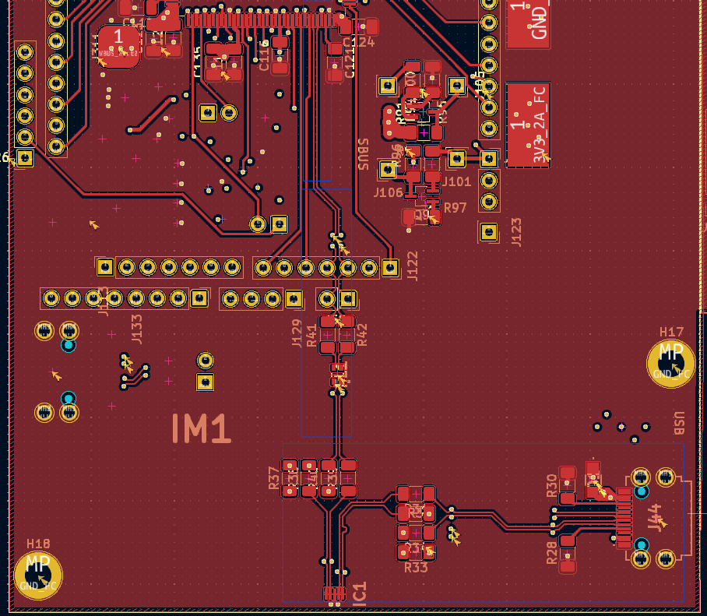
L6 | L5 | Differential Pair (Non coplanar) | 0.16 | 0.2 | 90 | 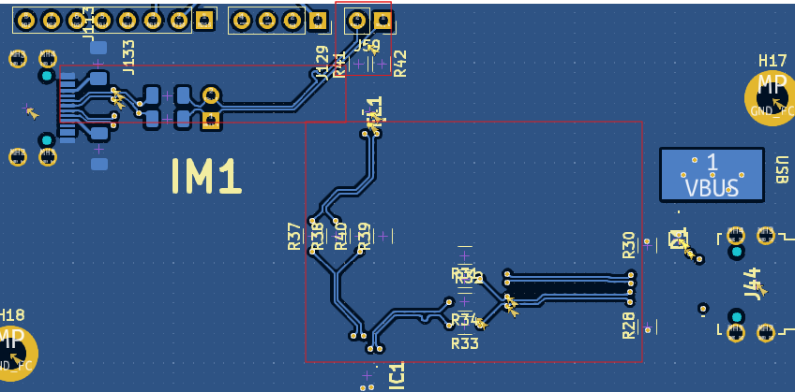
L1 | L2 | CPWG | 0.1 | 0.2 | 50 | 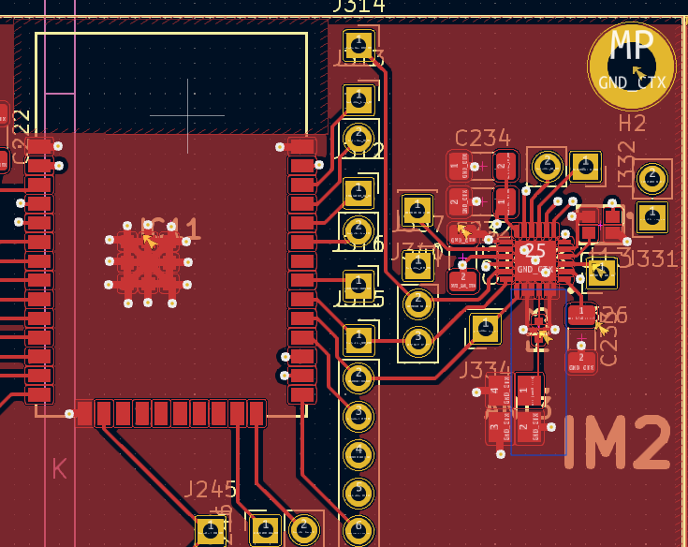
L1 | L2 | CPWG | 0.16 | 0.2 | 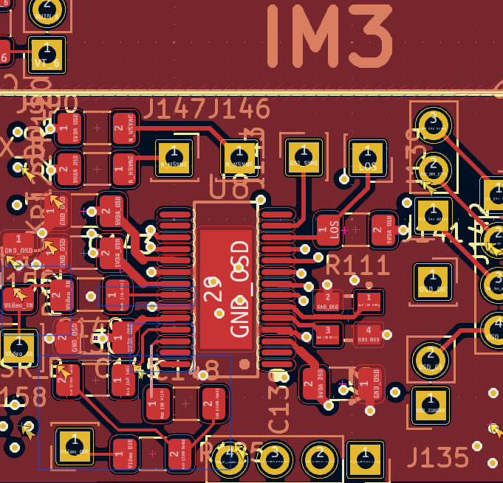 75
L6 | L5 | CPWG | 0.1 | 0.2 | 50 | 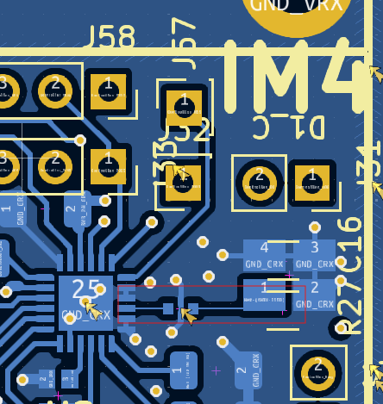
L1 | L2 | CPWG | 0.16 | 0.2 | 75 | 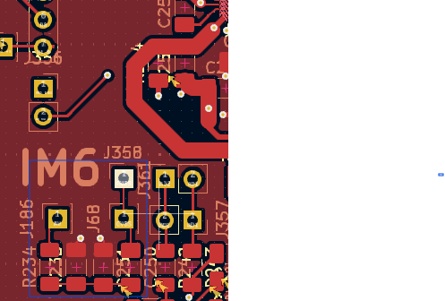
L1 | L2 | CPWG | 0.16 | 0.2 | 75 | 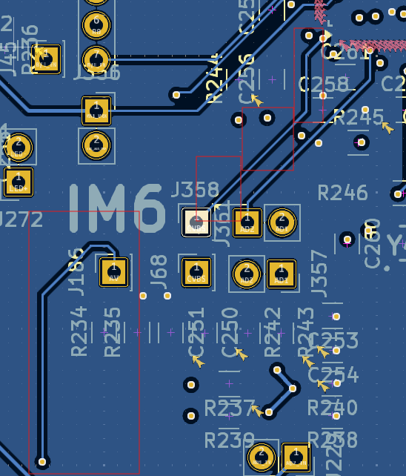
L1 | L2 | CPWG | 0.1 | 0.2 | 50 | 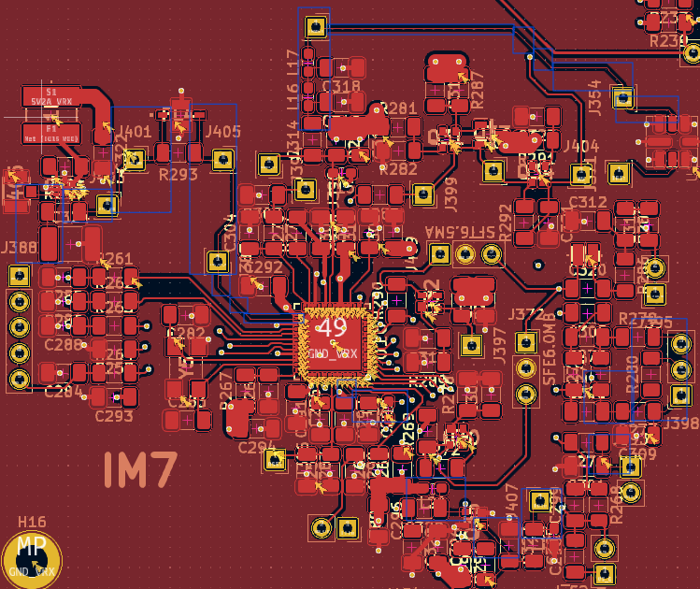
L6 | L5 | CPWG | 0.1 | 0.2 | 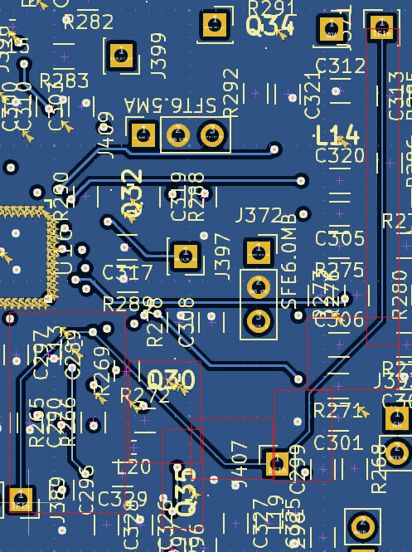 50
L6 | L5 | CPWG | 0.16 | 0.2 | 75 | 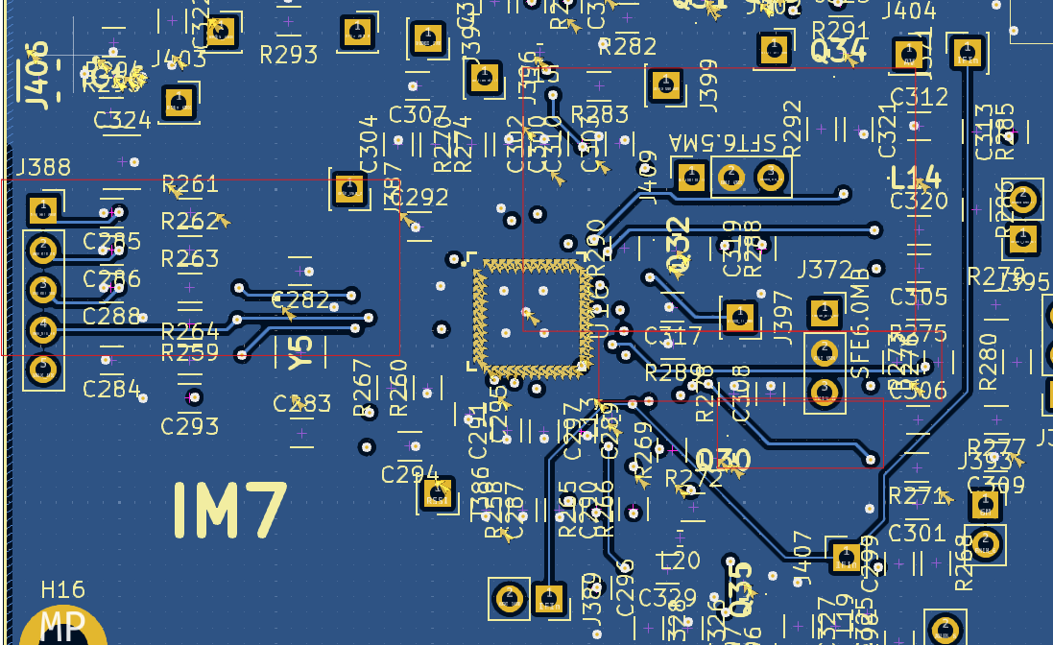
L1 | L2 | CPWG | 0.16 | 0.2 | 75 | 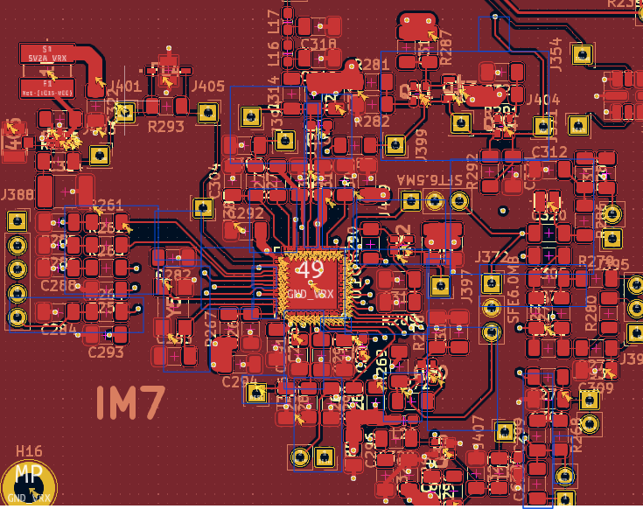
L1 | L2 | CPWG | 0.1 | 0.2 | 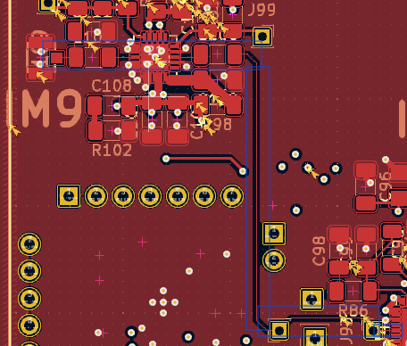 50
L6 | L5 | CPWG | 0.16 | 0.2 |  75
L4 | L5 | CPWG | 0.16 | 0.2 | 75 | 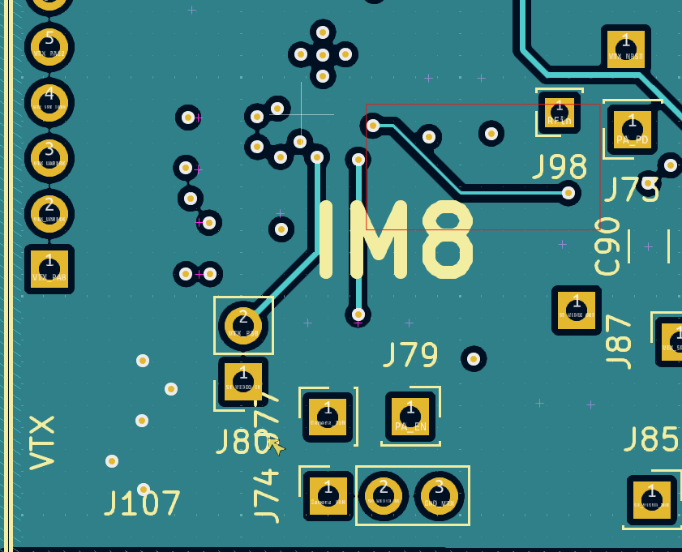
L1 | L2 | CPWG | 0.16 | 0.2 | 75 | 