Sheet1
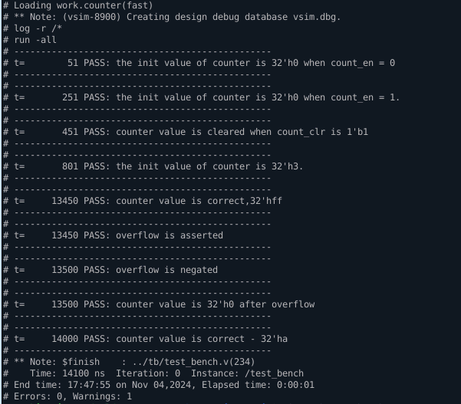
Name: |  | Minh Chấn
Session: |  | 12

Part 1: Feature and Requirement |  |  |  |  |  |  |  |  |  |  |  |  |  |  |  |  | Part 1: Feature and Requirement

Design the below register specification. |  |  |  |  |  |  |  |  |  |  |  |  |  |  |  |  | 1) Design register module to control for the counter module (already designed before).
▪ 1KB address space |  |  |  |  |  |  |  |  |  |  |  |  |  |  |  |  | ▪ Write simple testbench to test the behavior of register and counter.
▪ 32-bit access only |  |  |  |  |  |  |  |  |  |  |  |  |  |  |  |  | ▪ The register and counter use same clock and active low asynchronous reset.
▪ Data is available in the register 1 cycle after a write request. |  |  |  |  |  |  |  |  |  |  |  |  |  |  |  |  | 2) Register specification
▪ Data is returned immediately when there is a read access.
▪ Read data is always 0 when not access to valid address.
▪ Support continuous read/write (read and write request do not occur at the same time).

 |  |  |  |  |  |  |  |  |  |  |  |  |  |  |  |  | 3) Specification of 8bit counter in previous sessions:
 |  |  |  |  |  |  |  |  |  |  |  |  |  |  |  |  | ▪ 8-bit counter using D-FF, low active async reset.
 |  |  |  |  |  |  |  |  |  |  |  |  |  |  |  |  | ▪ Reset (initial) value is 8’h00
 |  |  |  |  |  |  |  |  |  |  |  |  |  |  |  |  | ▪ When counter reach max value, it overflowed (overflow = 1) and count again.
 |  |  |  |  |  |  |  |  |  |  |  |  |  |  |  |  | ▪ “overflow” is assert only when counter is overflowed and negate after that
 |  |  |  |  |  |  |  |  |  |  |  |  |  |  |  |  | ▪ Counter only start counting when input “count_en” is High. Otherwise, keep current value.
 |  |  |  |  |  |  |  |  |  |  |  |  |  |  |  |  | ▪ Counter is cleared to its initial value (8’h00) when “count_clr” is High regardless of count_en. Note that count_clr is not a reset signal, it’s just a data signal.

Part 2: Block Diagram |  |  |  |  |  |  |  |  |  |  |  |  |  |  |  |  | Part 2: Block Diagram

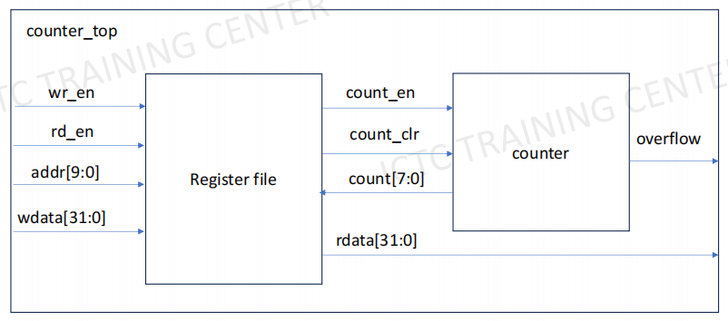
Register
clk
rst_n
rdata[31:0]
wr_en
rd_en
addr[9:0]
wdata[31:0]

Part 3: IO Table |  |  |  |  |  |  |  |  |  |  |  |  |  |  |  |  | Part 3: IO Table

Signal | Direction |  | Bit_Width |  | Description |  |  |  |  |  |  |  |  |  |  |  | Signal | Direction | Bit_Width |  | Description

clk | Input |  | 1 |  | Input clock |  |  |  |  |  |  |  |  |  |  |  | clk | Input | 1 |  | Input clock
rst_n | Input |  | 1 |  | Active low asynchronous reset |  |  |  |  |  |  |  |  |  |  |  | rst_n | Input | 1 |  | Active low asynchronous reset
 |  |  |  |  | 0: store default value |  |  |  |  |  |  |  |  |  |  |  |  |  |  |  | 0: store default value
 |  |  |  |  | 1: store value of data0 register or data1 register |  |  |  |  |  |  |  |  |  |  |  |  |  |  |  | 1: store value of data0 register or data1 register
wr_en | Input |  | 1 |  | Write mode |  |  |  |  |  |  |  |  |  |  |  | wr_en | Input | 1 |  | Write mode
 |  |  |  |  | 0: data is not written |  |  |  |  |  |  |  |  |  |  |  |  |  |  |  | 0: data is not written
 |  |  |  |  | 1: data is writen after 1 cycle |  |  |  |  |  |  |  |  |  |  |  |  |  |  |  | 1: data is writen after 1 cycle
rd_en | Input |  | 1 |  | Read mode |  |  |  |  |  |  |  |  |  |  |  | rd_en | Input | 1 |  | Read mode
 |  |  |  |  | 0: data is not read |  |  |  |  |  |  |  |  |  |  |  |  |  |  |  | 0: data is not read
 |  |  |  |  | 1: data is read immedialy |  |  |  |  |  |  |  |  |  |  |  |  |  |  |  | 1: data is read immedialy
addr | Input |  | 10 |  | Address of registers |  |  |  |  |  |  |  |  |  |  |  | addr | Input | 10 |  | Address of registers
wdata | Input |  | 32 |  | Write data, write values are written only if wr_en == 1 |  |  |  |  |  |  |  |  |  |  |  | wdata | Input | 32 |  | Write data, write values are written only if wr_en == 1
rdata | Output |  | 32 |  | Read data, read values are read only if rd_en == 1 |  |  |  |  |  |  |  |  |  |  |  | count | Input | 8 |  | Counter value, output from 0 to 255
 |  |  |  |  |  |  |  |  |  |  |  |  |  |  |  |  | rdata | Output | 32 |  | Read data, read values are read only if rd_en == 1
Part 4: Waveform |  |  |  |  |  |  |  |  |  |  |  |  |  |  |  |  | overflow | Input | 1 |  | Counter overflow
 |  |  |  |  |  |  |  |  |  |  |  |  |  |  |  |  |  |  |  |  | 0: counter is not overflowed
 |  |  |  |  |  |  |  |  |  |  |  |  |  |  |  |  |  |  |  |  | 1: counter is overflowed
clk
 |  |  |  |  |  |  |  |  |  |  |  |  |  |  |  |  | Part 4: Waveform
rst_n
 |  |  |  |  |  |  |  |  |  |  |  |  |  |  |  |  | clk
add[9:0] |  |  |  |  |  | 0x0 |  |  | 0x4 |  | 0x8 |  |  | 0xc
 |  |  |  |  |  |  |  |  |  |  |  |  |  |  |  |  | rst_n
wr_en |  |  |  |  |  | 1 |  | 1 |  |  |  | 1 |  |  | 1
 |  |  |  |  |  |  |  |  |  |  |  |  |  |  |  |  | add[9:0] |  |  |  |  | 0x0 |  |  |  | 0x4 |  | 0x0 |  |  | 0x4
wdata[31:0] |  |  |  |  |  | 32'hD0 |  | 32'hD1 | 32'hD2 |  |  | 32'hD3
 |  |  |  |  |  |  |  |  |  |  |  |  |  |  |  |  | wr_en |  |  |  |  | 1 |  |  | 1 |  |  |  | 1 |  |  | 1
data0[31:0] |  |  |  | 32'h0 |  |  | 32'hD0 |  | 32'hD1
 |  |  |  |  |  |  |  |  |  |  |  |  |  |  |  |  | wdata[31:0] |  |  |  |  | 32'h1 |  |  | 32'h2 | 32'h3 |  |  | 32'h1
data1[31:0] |  |  |  | 32'ffff_ffff |  |  |  |  |  |  |  |  | 32'hD3
 |  |  |  |  |  |  |  |  |  |  |  |  |  |  |  |  | data0[31:0] |  |  | 32'h0 |  |  | 32'h1 |  |  | 32'h2 |  |  |  | 32'h1
rd_en |  |  |  |  |  |  | 1 |  |  | 1 |  |  |  |  |  | 1
 |  |  |  |  |  |  |  |  |  |  |  |  |  |  |  |  | count_en |  |  | 0 |  |  | 1 |  |  | 0 |  |  |  | 1
rdata[31:0] |  |  |  |  |  |  | 32'hD0 |  |  | 32'hD1 | 32'hffff_ffff |  |  |  |  | 32'hD3
 |  |  |  |  |  |  |  |  |  |  |  |  |  |  |  |  | count_clr |  |  | 0 |  |  |  |  |  | 1 |  |  |  | 0
Part 5: Logic Diagram
 |  |  |  |  |  |  |  |  |  |  |  |  |  |  |  |  | count[7:0] |  |  | 8'h0 |  |  | 8'h0 | 8'h1 | 8'h2 | 8'h0 |  |  |  | 8'h0 | 8'h1 | 8'h2 | 8'h3 | 8'h4 | 8'h5 | . . . . | 8'hff | 8'h0

pre_data0
wdata
0
1
rd_en
wr_en
addr == 10'h0
wr_mode
D_FF
Rst
Clk
Q
D
data0
clk
rst_n
pre_data1
wdata
0
1
addr == 10'h8
wr_mode
D_FF
Rst
Clk
Q
D
data1
clk
rst_n
clk
rst_n
wr_en
rd_en
addr[9:0]
wdata[31:0]
data0
data1
write
addr[9:0]
10'h0
10'h4
10'h8
10'hc
default
data0
data0
data1
data1
32'h0
rd_en
wr_en
rd_mode
0
1
32'h0
read
wr_en
rd_en
addr[9:0]
data0
data1
clk
rst_n
wr_en
rd_en
addr[9:0]
wdata[31:0]
rdata[31:0]
register
 |  |  |  |  |  |  |  |  |  |  |  |  |  |  |  |  | rd_en |  |  |  |  |  | 1 |  |  |  | 1 |  |  |  |  |  | 1

 |  |  |  |  |  |  |  |  |  |  |  |  |  |  |  |  | rdata[31:0] |  |  |  |  |  | 32'h0 |  |  |  | 32'h0 | 32'h0 |  |  |  |  | 32'h3 | 32'h4 | 32'h5 | . . . . | 32'hff | 32'h0

 |  |  |  |  |  |  |  |  |  |  |  |  |  |  |  |  | overflow |  |  | 0 |  |  |  |  |  |  |  |  |  |  |  |  |  |  |  |  | 1 | 0

 |  |  |  |  |  |  |  |  |  |  |  |  |  |  |  |  | Part 5: Logic Diagram

pre_data0
wdata[1:0]
0
1
rd_en
wr_en
addr == 10'h0
wr_mode
D_FF
Rst
Clk
Q
D
data0
clk
rst_n
clk
rst_n
wr_en
rd_en
addr[9:0]
wdata[31:0]
write
clk
rst_n
wr_en
rd_en
addr[9:0]
wdata[31:0]
overflow
counter_top

wr_en
rd_en
read_mode
addr == 10'h4
32'h0
count[7:0]
0
1
wr_en
rd_en
addr[9:0]
count[7:0]
read

Counter_8b
clk
rst_n
count_en
count_clr

count_en
data0[0]

rdata[31:0]

count[7:0]

data0[1]
count_clr

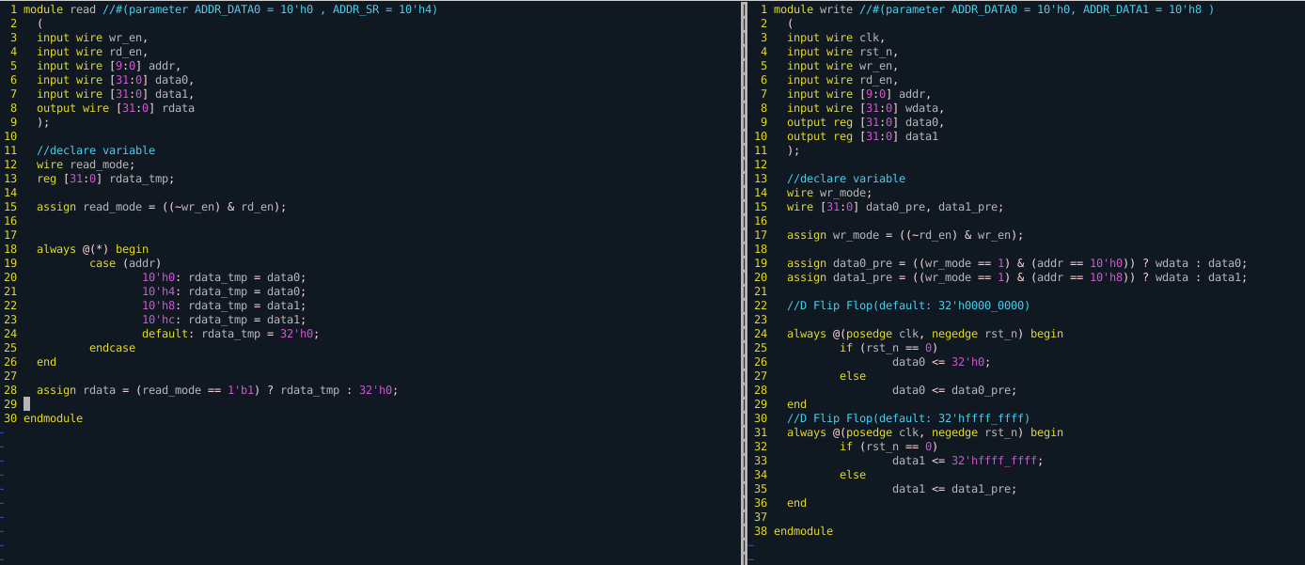

 |  |  |  |  |  |  |  |  |  |  |  |  |  |  |  |  | Part 6: Code(directory: /ictc/student_data/minhchan/12_ss12/hw2/register/rtl)

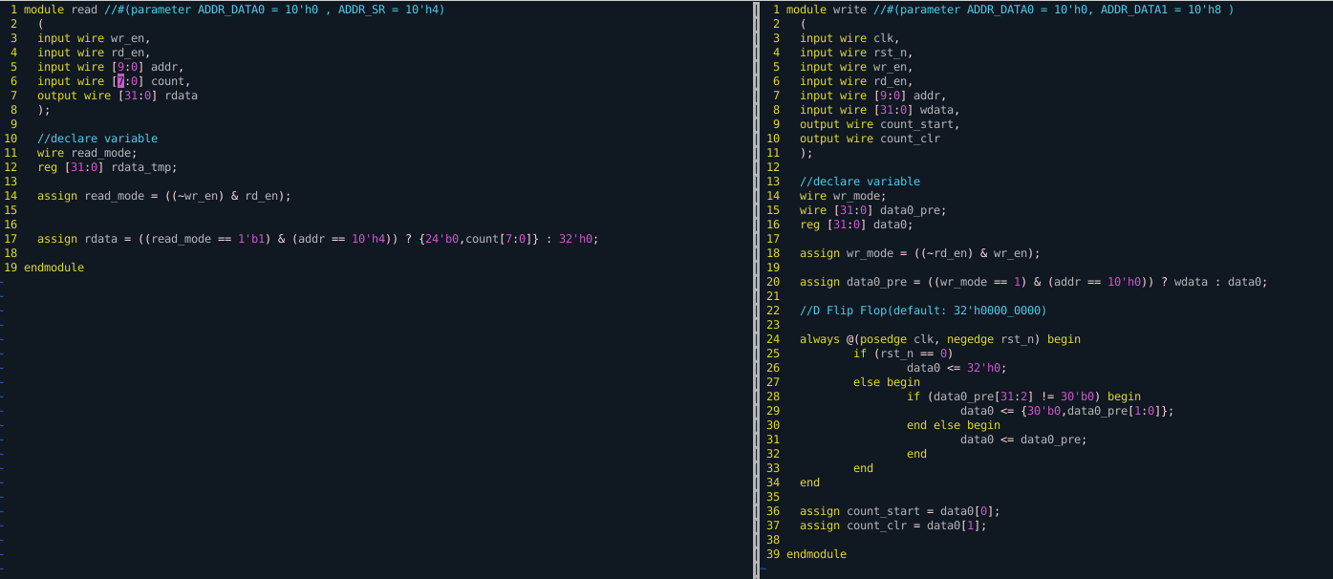

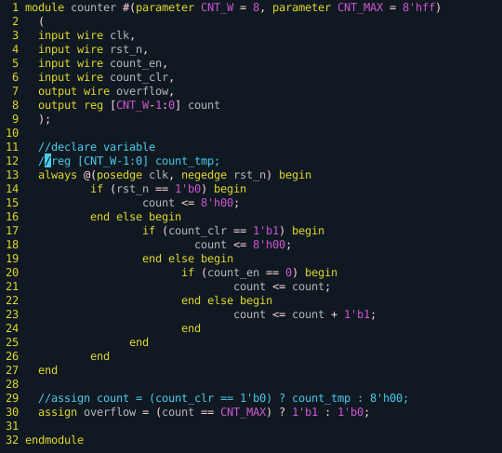

Part 7: Test Bench(directory: /ictc/student_data/minhchan/12_ss12/hw1/tb)
**Checker will check rdata values at timepoints following the cases in the below waveform**

clk

rst_n

add[9:0] |  |  |  |  |  | 0x0 |  |  | 0x4 |  | 0x8 |  |  | 0xc

wr_en |  |  |  |  |  | 1 |  | 1 |  |  |  | 1 |  |  | 1

wdata[31:0] |  |  |  |  |  | 32'hD0 |  | 32'hD1 | 32'hD2 |  |  | 32'hD3
 |  |  |  |  |  |  |  |  |  |  |  |  |  |  |  |  | Part 7: Test Bench(directory: /ictc/student_data/minhchan/12_ss12/hw2/register/tb)
data0[31:0] |  |  |  | 32'h0 |  |  | 32'hD0 |  | 32'hD1 |  |  |  |  |  |  |  | **Checker will check rdata and overflow values at timepoints following the cases in the below waveform**

data1[31:0] |  |  |  | 32'ffff_ffff |  |  |  |  |  |  |  |  | 32'hD3 |  |  |  | clk

rd_en |  |  |  |  |  |  | 1 |  |  | 1 |  |  |  |  |  | 1 | rst_n

rdata[31:0] |  |  |  |  |  |  | 32'hD0 |  |  | 32'hD1 | 32'hffff_ffff |  |  |  |  | 32'hD3 | add[9:0] |  |  |  |  | 0x0 |  |  |  | 0x4 |  | 0x0 |  |  | 0x4

 |  |  |  |  |  |  |  |  |  |  |  |  |  |  |  |  | wr_en |  |  |  |  | 1 |  |  | 1 |  |  |  | 1 |  |  | 1

 |  |  |  |  |  |  |  |  |  |  |  |  |  |  |  |  | wdata[31:0] |  |  |  |  | 32'h1 |  |  | 32'h2 | 32'h3 |  |  | 32'h1
Case1
Case2
Case3
Case4
Case5
Case6
Case7
Case8
Case9
Case10
Case11
Case12
Case13
 |  |  |  |  |  |  |  |  |  |  |  |  |  |  |  |  | data0[31:0] |  |  | 32'h0 |  |  | 32'h1 |  |  | 32'h2 |  |  |  | 32'h1

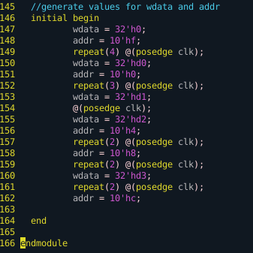
 |  |  |  |  |  |  |  |  |  |  |  |  |  |  |  |  | count_en |  |  | 0 |  |  | 1 |  |  | 0 |  |  |  | 1

 |  |  |  |  |  |  |  |  |  |  |  |  |  |  |  |  | count_clr |  |  | 0 |  |  |  |  |  | 1 |  |  |  | 0

 |  |  |  |  |  |  |  |  |  |  |  |  |  |  |  |  | count[7:0] |  |  | 8'h0 |  |  | 8'h0 | 8'h1 | 8'h2 | 8'h0 |  |  |  | 8'h0 | 8'h1 | 8'h2 | 8'h3 | 8'h4 | 8'h5 | . . . . | 8'hff | 8'h0

 |  |  |  |  |  |  |  |  |  |  |  |  |  |  |  |  | rd_en |  |  |  |  |  | 1 |  |  |  | 1 |  |  |  |  |  | 1

 |  |  |  |  |  |  |  |  |  |  |  |  |  |  |  |  | rdata[31:0] |  |  |  |  |  | 32'h0 |  |  |  | 32'h0 | 32'h0 |  |  |  |  | 32'h3 | 32'h4 | 32'h5 | . . . . | 32'hff | 32'h0

 |  |  |  |  |  |  |  |  |  |  |  |  |  |  |  |  | overflow |  |  | 0 |  |  |  |  |  |  |  |  |  |  |  |  |  |  |  |  | 1 | 0

Case1
Case2
Case3
Case4
Case5
Case6

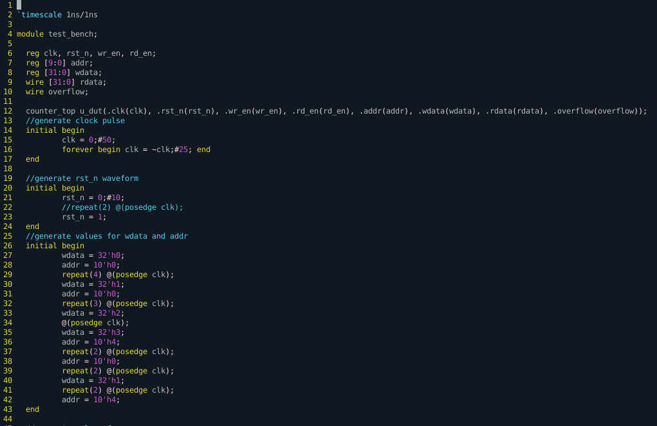
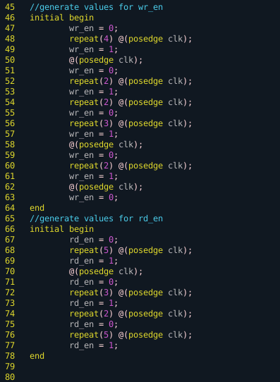

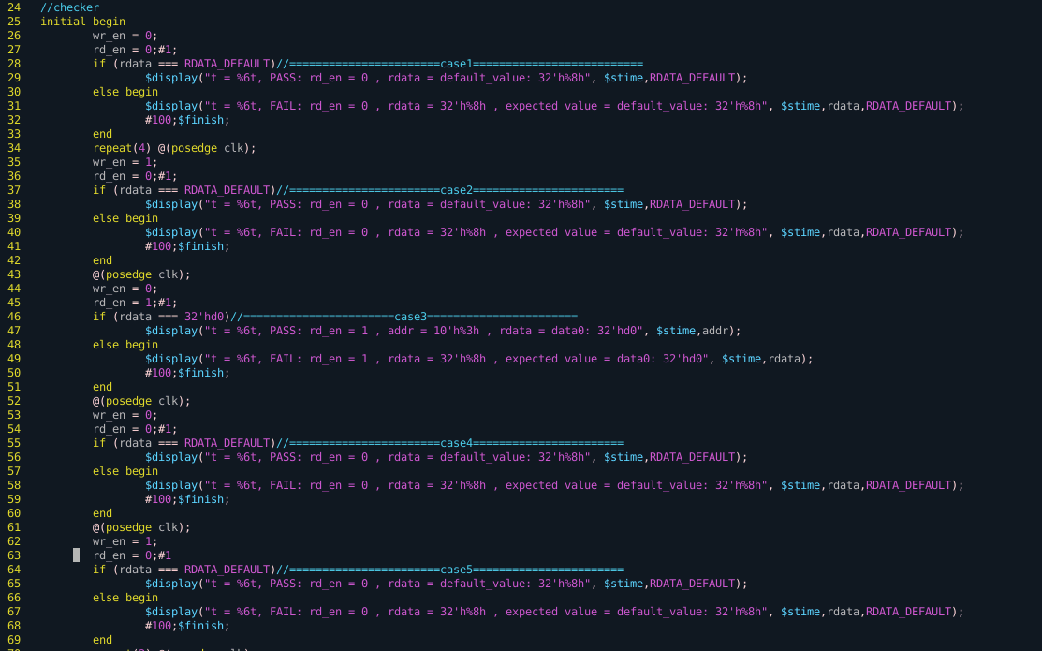

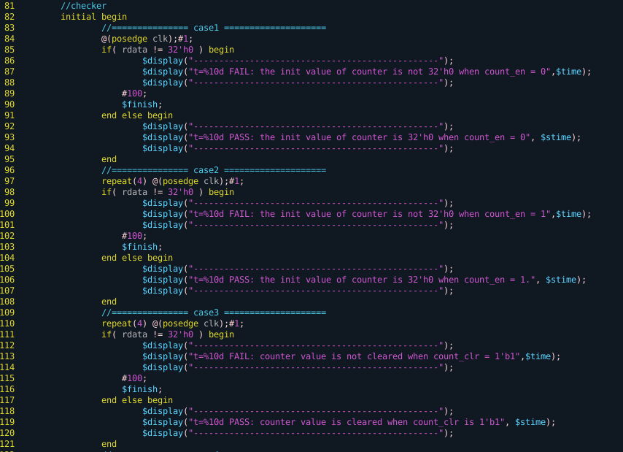
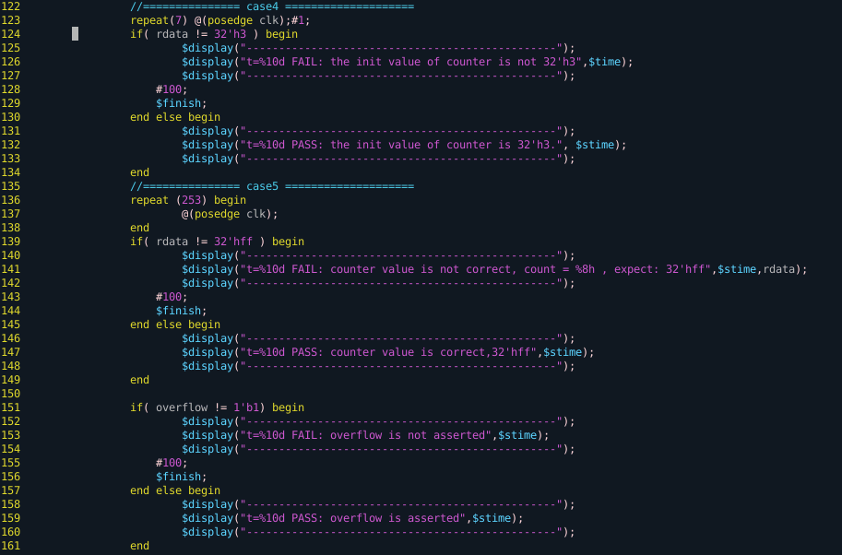
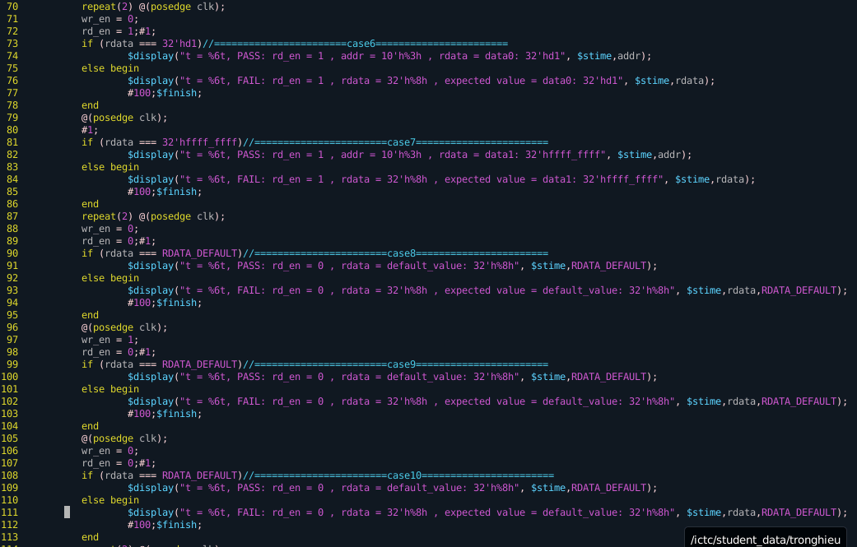

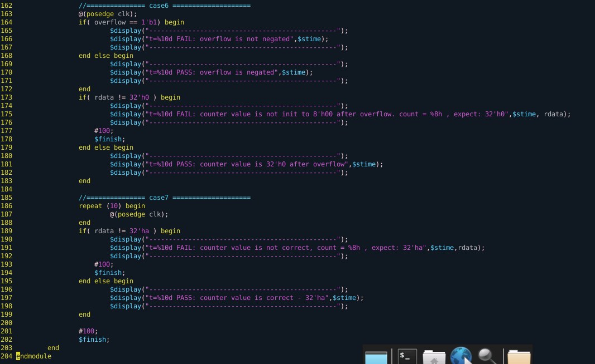

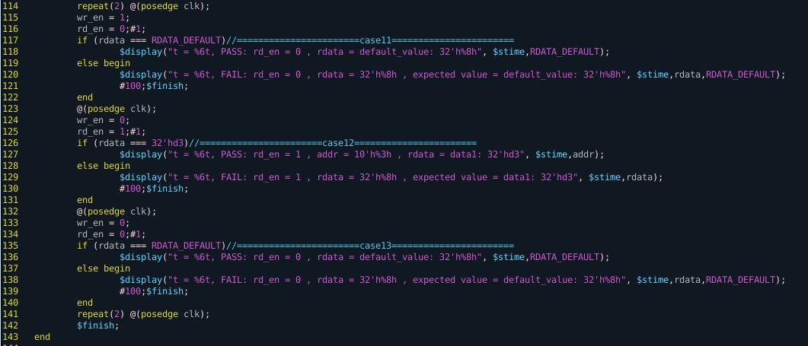

Part 7: Result

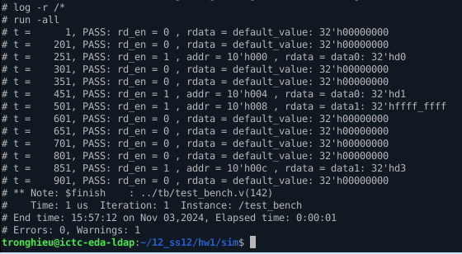

 |  |  |  |  |  |  |  |  |  |  |  |  |  |  |  |  | Part 7: Result

