Transient Test Results
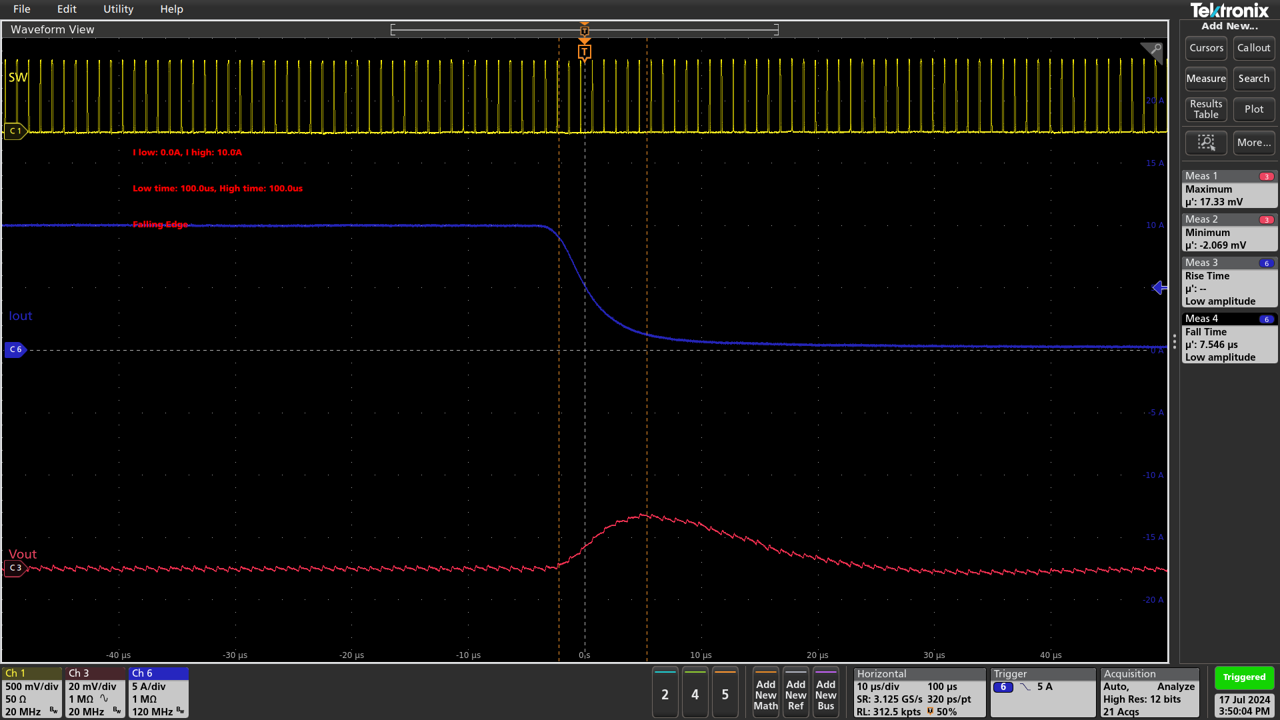
Transient Test Results

Test Date: 2024-07-17 14:48:43
IC: TDA48820A

Test Settings
Input Voltage: 12.0 V
Input Current Limit: 3.0 A
Low Load Current: 0.0 A
High Load Current: 10.0 A
Low Time: 100.0 µs
High Time: 100.0 µs

Test Results
Overshoot: 18.04 mV
Undershoot: -19.62 mV
Rise Time: 8.19 µs
Fall Time: 7.81 µs

Full Cycle

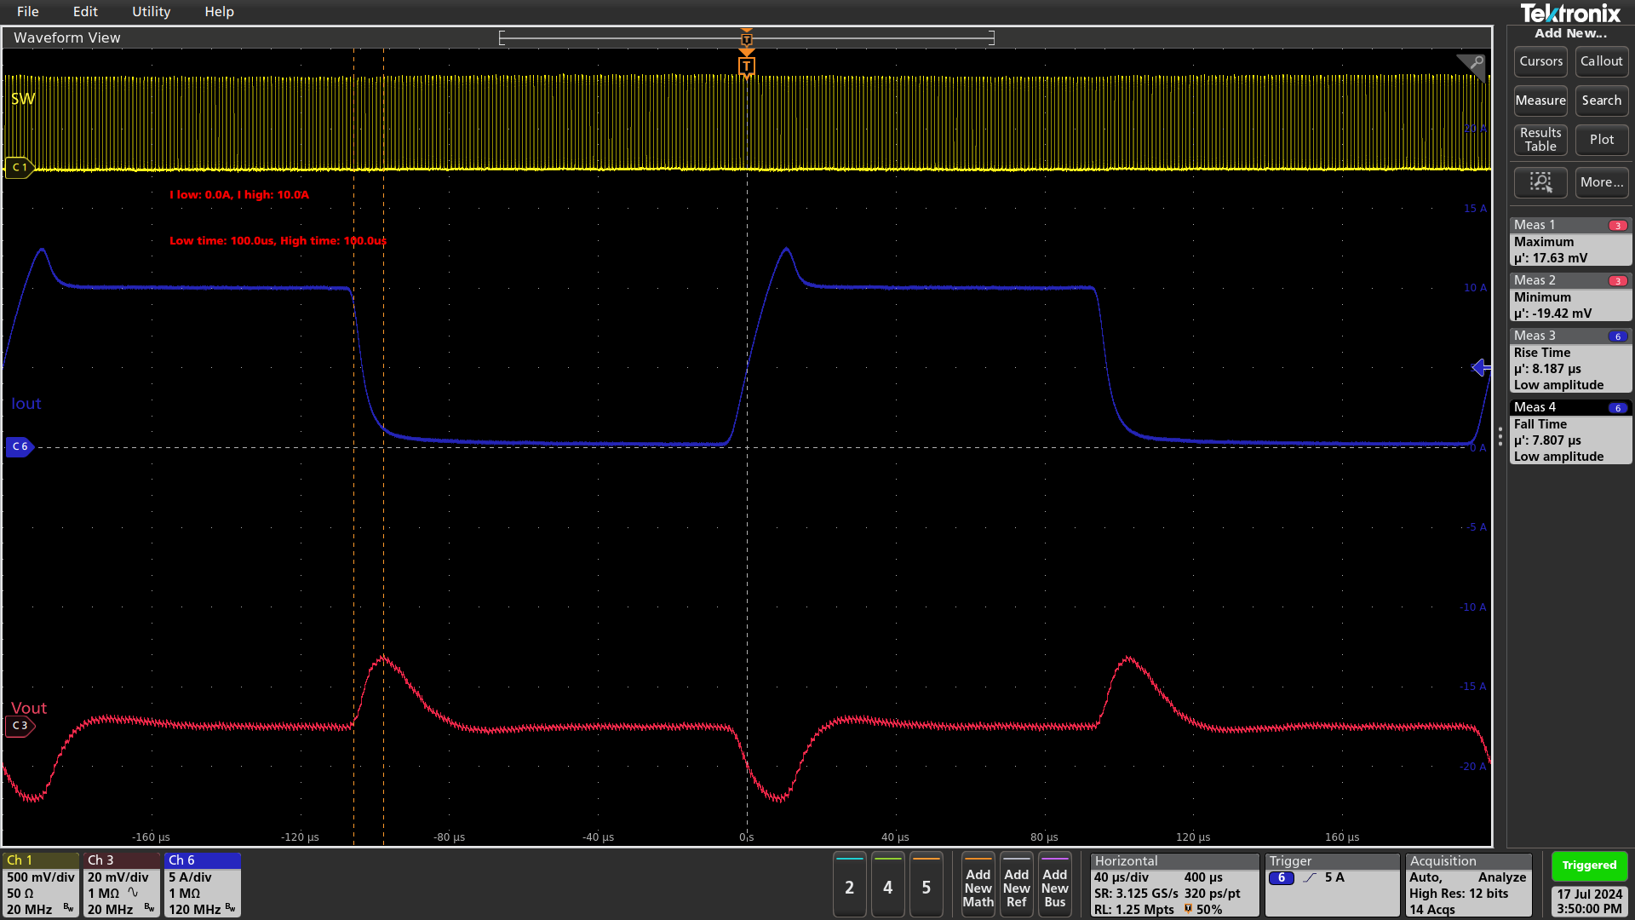

Rising Edge

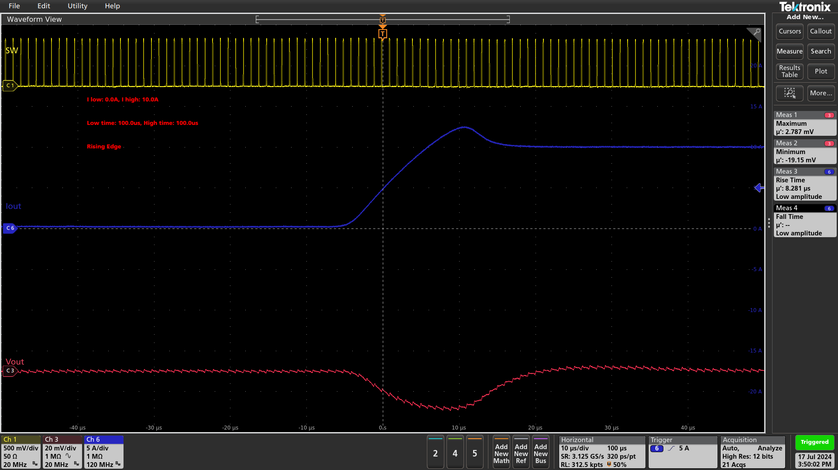

Falling Edge

