Transient Test Results
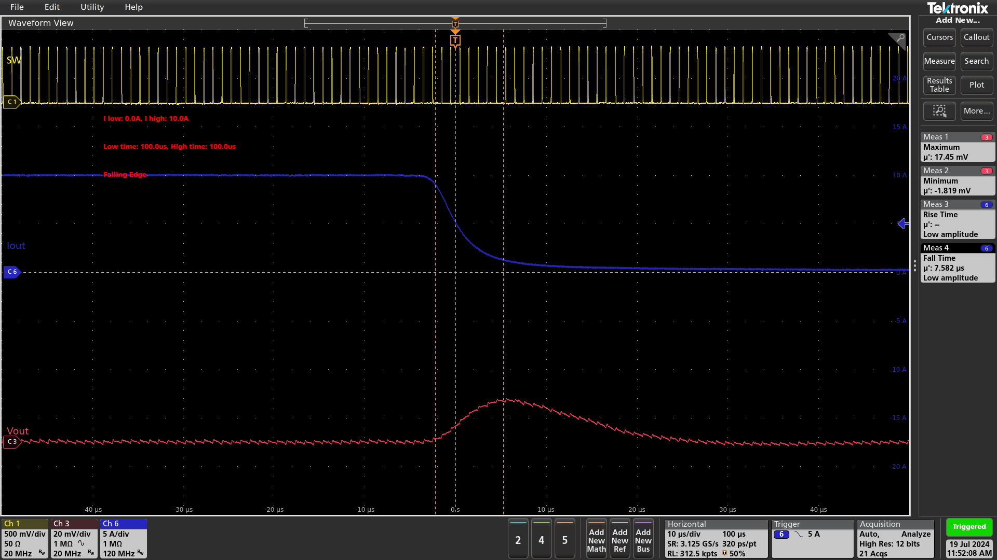
Transient Test Results

Test Date: 2024-07-19 10:50:49
IC: TDA48820A

Test Settings
Input Voltage: 12.0 V
Input Current Limit: 3.0 A
Low Load Current: 0.0 A
High Load Current: 10.0 A
Low Time: 100.0 µs
High Time: 100.0 µs
Overshoot Limit: 1.0%
Undershoot Limit: 1.0%

Test Results
Rise Time: 8.27 µs
Fall Time: 7.81 µs
Overshoot: 18.469 mV (1.84%) | FAIL
Undershoot: 18.475 mV (1.94%) | FAIL

Full Cycle

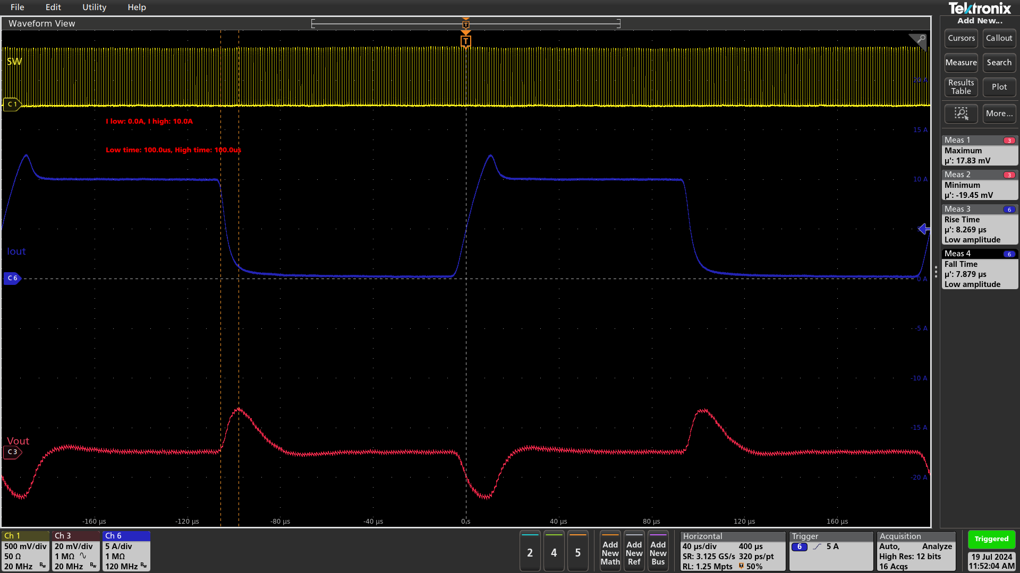

Rising Edge

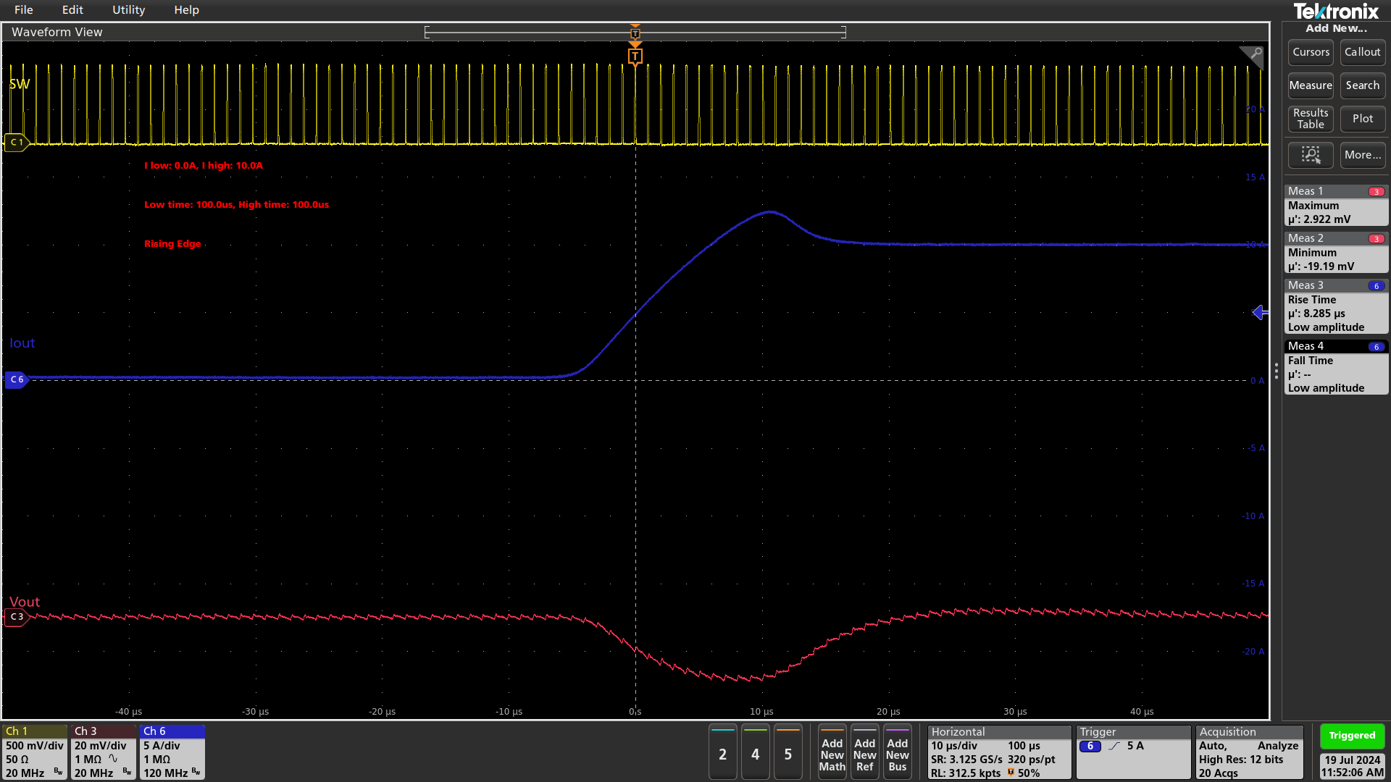

Falling Edge

