Sheet1
input_voltage_setpoint | VCC | PG | v_input_shunt | v_output_shunt | v_input_voltage | v_output_voltage | i_input_current | i_output_current | p_input_power | p_output_power | p_power_loss | efficiency | electronic_load_setpoint | electronic_load_current | electronic_load_voltage | switching_frequency
5 |  |  | 0 | 0 | 0 | 0 | 0 | 0 | 0 | 0 | 0 | 0 | 0 | 0 | 0 | 0
5 |  |  | 0.00113967879 | 2.96304563E-07 | 4.99650059 | 1.0001963 | 0.0569839395 | 5.9550566556E-05 | 0.28472028733 | 5.9562256332E-05 | 0.28466072508 | 0.020919568777 | 0 | 0.0001511 | 1.0005 | 992908.1493
5 |  |  | 0.00195152404 | 0.000996260966 | 4.99643386 | 1.00013659 | 0.097576202 | 0.20022609292 | 0.4875330396 | 0.2002534418 | 0.28727959781 | 41.074845299 | 0.2 | 0.2000991 | 0.9966828 | 992921.68073
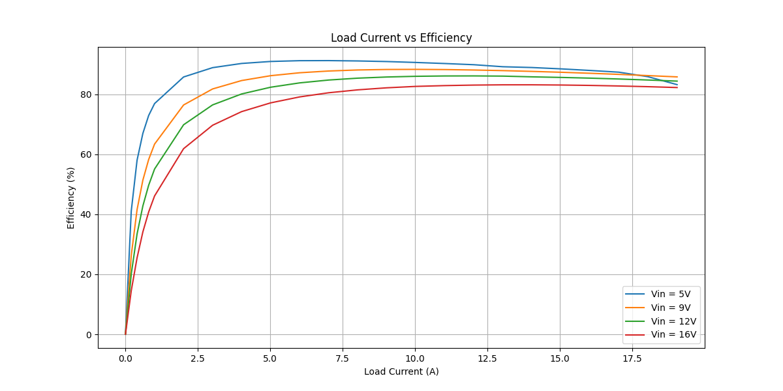
5 |  |  | 0.00276574449 | 0.00199324808 | 4.99459246 | 1.00009733 | 0.1382872245 | 0.40059812528 | 0.6906883288 | 0.4006371155 | 0.29005121331 | 58.005485078 | 0.4 | 0.4001009 | 0.9926953 | 992852.34924
5 |  |  | 0.00358353537 | 0.00298976385 | 4.99333616 | 0.996621096 | 0.1791767685 | 0.60087542808 | 0.89468983718 | 0.59884512769 | 0.29584470949 | 66.933265899 | 0.6 | 0.6001164 | 0.9889481 | 993150.37666
5 |  |  | 0.00440216807 | 0.00398623616 | 4.99303373 | 1.00002294 | 0.2201084035 | 0.8011439964 | 1.0990086829 | 0.80116237464 | 0.29784630829 | 72.898639209 | 0.8 | 0.8001375 | 0.9851084 | 992910.50613
5 |  |  | 0.00524070671 | 0.00500353705 | 4.99162407 | 0.999987134 | 0.2620353355 | 1.0055986418 | 1.3079818879 | 1.0055857038 | 0.30239618411 | 76.880705542 | 1 | 1.0032 | 0.9808574 | 992947.17039
5 |  |  | 0.00938808975 | 0.00998737489 | 4.98710123 | 0.999851001 | 0.4694044875 | 2.0072381845 | 2.340967697 | 2.006939108 | 0.33402858893 | 85.731174789 | 2 | 2.0031 | 0.9614193 | 992959.1236
5 |  |  | 0.0135965291 | 0.0149694392 | 4.98023408 | 0.999747817 | 0.679826455 | 3.0085212875 | 3.3856948797 | 3.0077625896 | 0.37793229006 | 88.837378928 | 3 | 3.003 | 0.942023 | 992975.04255
5 |  |  | 0.0178646507 | 0.0199549111 | 4.97394633 | 0.999640334 | 0.893232535 | 4.0104892397 | 4.4428906893 | 4.009046803 | 0.43384388626 | 90.235098799 | 4 | 4.0031 | 0.9227257 | 992740.84597
5 |  |  | 0.0221866835 | 0.0249391299 | 4.96815512 | 0.99951918 | 1.109334175 | 5.0122053468 | 5.5113442613 | 5.0097953782 | 0.50154888309 | 90.899699614 | 5 | 5.0032 | 0.9032769 | 992784.69608
5 |  |  | 0.0265690338 | 0.0299245166 | 4.96327361 | 0.999411976 | 1.32845169 | 6.0141561756 | 6.5934692151 | 6.0106197075 | 0.58284950767 | 91.160199757 | 6 | 6.0034 | 0.8837924 | 992565.69355
5 |  |  | 0.0310181288 | 0.0349092606 | 4.9575203 | 0.999282757 | 1.55090644 | 7.0159778362 | 7.6886501597 | 7.0109456752 | 0.6777044845 | 91.185650661 | 7 | 7.0034 | 0.8643672 | 992732.0881
5 |  |  | 0.0355245161 | 0.0398955404 | 4.95255637 | 0.999169718 | 1.776225805 | 8.0181081581 | 8.7968584251 | 8.0114508672 | 0.78540755791 | 91.071726747 | 8 | 8.0032 | 0.8448216 | 992629.38896
5 |  |  | 0.0401031366 | 0.0448810989 | 4.94554179 | 0.999046715 | 2.00515683 | 9.0200935149 | 9.9165868983 | 9.011494795 | 0.90509210326 | 90.872947391 | 9 | 9.0032 | 0.8252753 | 992402.52195
5 |  |  | 0.0447687228 | 0.049870436 | 4.938851 | 0.998966958 | 2.23843614 | 10.022838285 | 11.055302568 | 10.012484273 | 1.042818296 | 90.567256848 | 10 | 10.003 | 0.805662 | 992313.38836
5 |  |  | 0.0494923508 | 0.0548569909 | 4.93290639 | 0.998859969 | 2.47461754 | 11.025023896 | 12.207056676 | 11.012455027 | 1.1946016487 | 90.213843678 | 11 | 11.003 | 0.7858311 | 992452.66745
5 |  |  | 0.0543050466 | 0.0598457968 | 4.92547386 | 0.99871848 | 2.71525233 | 12.027661908 | 13.373904375 | 12.012248218 | 1.3616561565 | 89.818559201 | 12 | 12.003 | 0.7658792 | 992451.86015
5 |  |  | 0.0591820763 | 0.064835582 | 4.92003771 | 0.995998455 | 2.959103815 | 13.030496736 | 14.558902358 | 12.978354617 | 1.5805477405 | 89.14377127 | 13 | 13.003 | 0.7456664 | 992524.2957
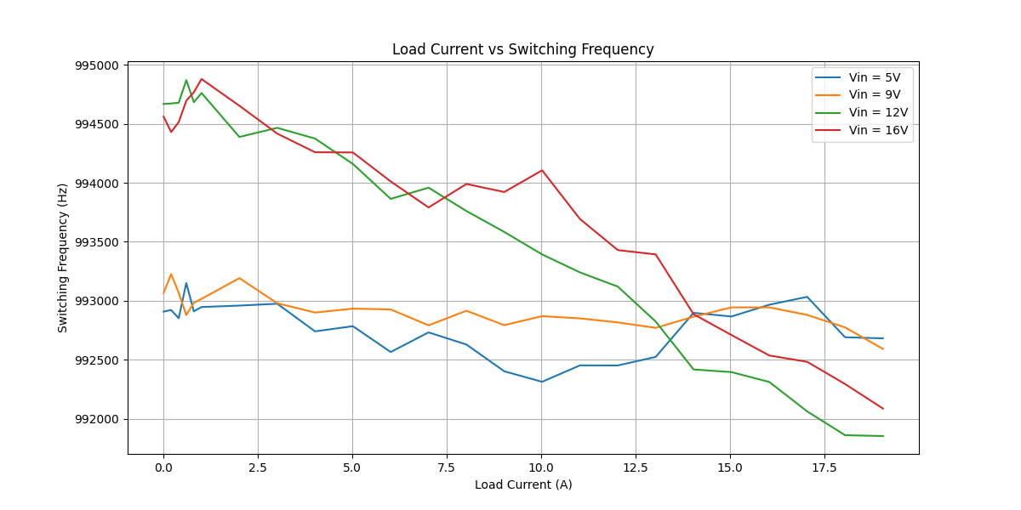
5 |  |  | 0.0641528236 | 0.0698228013 | 4.91454882 | 0.998475112 | 3.20764118 | 14.032815876 | 15.764109176 | 14.011417404 | 1.7526917723 | 88.881758223 | 14 | 14.003 | 0.7253788 | 992897.78508
5 |  |  | 0.0691977181 | 0.074812462 | 4.90607598 | 0.99838647 | 3.459885905 | 15.035625683 | 16.974463132 | 15.01136525 | 1.9630978818 | 88.434992809 | 15 | 15.003 | 0.7046192 | 992866.73546
5 |  |  | 0.0743528576 | 0.0798028485 | 4.89907729 | 0.998264799 | 3.71764288 | 16.03858136 | 18.213019806 | 16.010751197 | 2.2022686084 | 87.908273137 | 16 | 16.003 | 0.6838457 | 992966.35762
5 |  |  | 0.0796231037 | 0.0847922439 | 4.89269586 | 0.998131482 | 3.981155185 | 17.041337847 | 19.478581492 | 17.009495801 | 2.4690856909 | 87.324099078 | 17 | 17.003 | 0.6633464 | 993033.43962
5 |  |  | 0.0859056207 | 0.0897824051 | 4.88555551 | 0.998004941 | 4.295281035 | 18.044248243 | 20.984833928 | 18.008248904 | 2.9765850239 | 85.815541671 | 18 | 18.003 | 0.6424636 | 992691.11896
5 |  |  | 0.0937609811 | 0.0947714633 | 4.87399077 | 0.99787093 | 4.688049055 | 19.046936961 | 22.849507823 | 19.006384699 | 3.8431231241 | 83.180718142 | 19 | 19.003 | 0.6214313 | 992681.45369
9 |  |  | 0.0989412808 | 0.0997583435 | 4.8685927 | 0.997694236 | 4.94706404 | 20.04918795 | 24.085239872 | 20.002959254 | 4.0822806172 | 83.050695617 | 20 | 20.003 | 0.6004495 | 992078.72815
9 |  |  | 0.00123676132 | 1.71204386E-06 | 9.00761127 | 1.00038134 | 0.061838066 | 0.00034408238874 | 0.55701326022 | 0.00034421360112 | 0.55666904662 | 0.061796302835 | 0 | 0.0001467 | 1.0007 | 993066.66164
9 |  |  | 0.00168965631 | 0.000997448135 | 9.0056208 | 1.00032828 | 0.0844828155 | 0.20046468724 | 0.76082020051 | 0.20053049579 | 0.56028970472 | 26.357146623 | 0.2 | 0.2000928 | 0.9968023 | 993226.11106
9 |  |  | 0.00214387087 | 0.00199392738 | 9.00516809 | 1.00028919 | 0.1071935435 | 0.40073464933 | 0.96529587738 | 0.40085053779 | 0.56444533959 | 41.526183544 | 0.4 | 0.4001018 | 0.9928755 | 993066.68015
9 |  |  | 0.00259965839 | 0.00299056552 | 9.00390245 | 1.00028549 | 0.1299829195 | 0.60103654576 | 1.1703535273 | 0.60120813568 | 0.56914539166 | 51.36978884 | 0.6 | 0.6001116 | 0.9890625 | 992878.66502
9 |  |  | 0.00305649315 | 0.00398703699 | 9.00364789 | 1.00022079 | 0.1528246575 | 0.80130494525 | 1.375979405 | 0.80148186537 | 0.57449753967 | 58.248100403 | 0.8 | 0.8001374 | 0.9851664 | 992983.04509
9 |  |  | 0.00352488128 | 0.00500324743 | 9.00310328 | 1.00019089 | 0.176244064 | 1.0055404347 | 1.5867435107 | 1.0057323823 | 0.58101112839 | 63.383424953 | 1 | 1.003 | 0.980858 | 993016.4514
9 |  |  | 0.00583852422 | 0.00998837251 | 9.00038593 | 1.00005239 | 0.291926211 | 2.0074386838 | 2.6274485621 | 2.0075438535 | 0.61990470861 | 76.406590121 | 2 | 2.0031 | 0.9612393 | 993191.8373
9 |  |  | 0.008181027 | 0.0149707086 | 8.99747351 | 0.999921673 | 0.40905135 | 3.0087764085 | 3.6804286859 | 3.00854074 | 0.67188794583 | 81.744302004 | 3 | 3.0031 | 0.9415467 | 992978.9797
9 |  |  | 0.0105479127 | 0.0199560283 | 8.99349676 | 0.999795266 | 0.527395635 | 4.0107137718 | 4.7431309346 | 4.0098926423 | 0.7332382923 | 84.541048889 | 4 | 4.0029 | 0.9220372 | 992900.10283
9 |  |  | 0.0129355761 | 0.024941477 | 8.99232694 | 0.999665559 | 0.646778805 | 5.0126770612 | 5.8160464724 | 5.0110006165 | 0.80504585593 | 86.158194235 | 5 | 5.0031 | 0.9023049 | 992933.60219
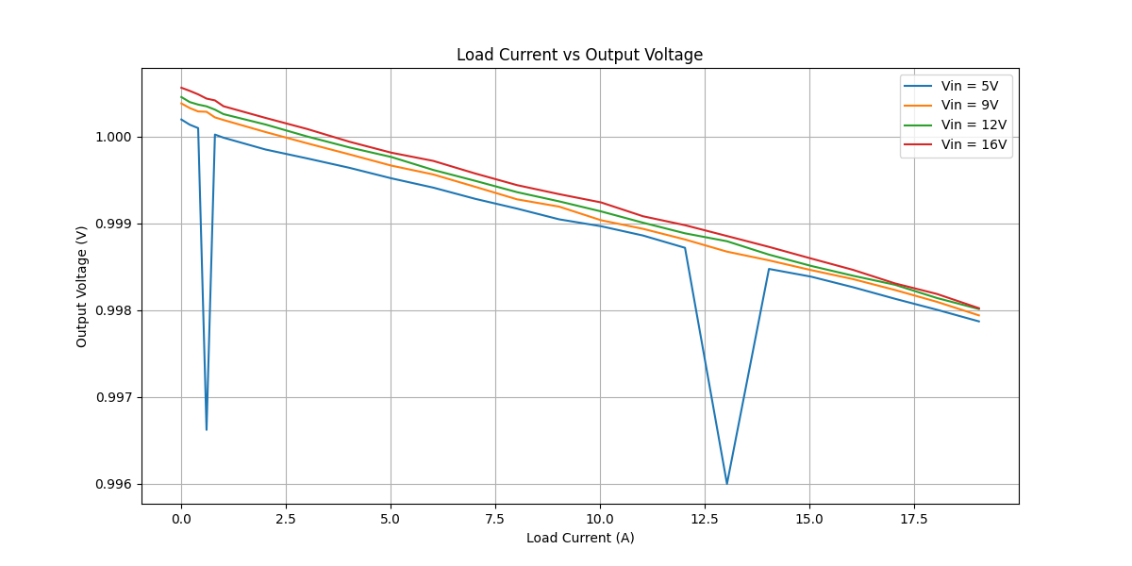
9 |  |  | 0.0153499644 | 0.0299265631 | 8.98949203 | 0.99956346 | 0.76749822 | 6.0145674762 | 6.8994191317 | 6.0119418769 | 0.88747725481 | 87.136927937 | 6 | 6.0032 | 0.8826815 | 992926.42986
9 |  |  | 0.0177929497 | 0.0349131109 | 8.98608998 | 0.999421246 | 0.889647485 | 7.0167516601 | 7.9944523507 | 7.012690687 | 0.98176166371 | 87.71946319 | 7 | 7.0032 | 0.8630139 | 992791.81451
9 |  |  | 0.020260489 | 0.0398990698 | 8.98196892 | 0.999276493 | 1.01302445 | 8.0188174883 | 9.0989541251 | 8.0130158177 | 1.0859383074 | 88.065240329 | 8 | 8.0032 | 0.843268 | 992915.29192
9 |  |  | 0.0227558452 | 0.0448850423 | 8.97884369 | 0.999192966 | 1.13779226 | 9.0208860497 | 10.216058854 | 9.013605888 | 1.2024529662 | 88.229776439 | 9 | 9.0031 | 0.8234728 | 992793.44856
9 |  |  | 0.0252794494 | 0.0498745149 | 8.97599276 | 0.999035965 | 1.26397247 | 10.023658053 | 11.34540774 | 10.013994896 | 1.331412844 | 88.264742224 | 10 | 10.003 | 0.8038146 | 992869.87314
9 |  |  | 0.0278348957 | 0.0548598909 | 8.97239976 | 0.998936952 | 1.391744785 | 11.025606731 | 12.487290575 | 11.013885982 | 1.473404593 | 88.200766338 | 11 | 11.003 | 0.7840413 | 992850.75346
9 |  |  | 0.0304243723 | 0.0598492094 | 8.96936034 | 0.998814396 | 1.521218615 | 12.028347764 | 13.644357914 | 12.014086906 | 1.6302710076 | 88.051683943 | 12 | 12.003 | 0.7641689 | 992816.5325
9 |  |  | 0.033044936 | 0.064839757 | 8.96604528 | 0.998674103 | 1.6522468 | 13.031335817 | 14.814119623 | 13.014057608 | 1.8000620142 | 87.849011213 | 13 | 13.003 | 0.7439995 | 992770.32035
9 |  |  | 0.0357004305 | 0.0698273292 | 8.96266994 | 0.998573796 | 1.785021525 | 14.033725883 | 15.998558764 | 14.013710927 | 1.9848478377 | 87.593583479 | 14 | 14.003 | 0.7237572 | 992865.11829
9 |  |  | 0.0383926341 | 0.0748162223 | 8.95829277 | 0.998461897 | 1.919631705 | 15.036381419 | 17.196622824 | 15.013253916 | 2.1833689081 | 87.303501795 | 15 | 15.003 | 0.7029617 | 992943.96837
9 |  |  | 0.0411208983 | 0.0798074762 | 8.95561496 | 0.998357978 | 2.056044915 | 16.039511424 | 18.413146599 | 16.013174193 | 2.3999724063 | 86.965984367 | 16 | 16.003 | 0.6821081 | 992943.97748
9 |  |  | 0.0438926498 | 0.08479594 | 8.95174397 | 0.998232739 | 2.19463249 | 17.04208068 | 19.645788159 | 17.011962876 | 2.6338252828 | 86.593435389 | 17 | 17.003 | 0.6616652 | 992880.25018
9 |  |  | 0.0467076313 | 0.0897852458 | 8.94767159 | 0.998096082 | 2.335381565 | 18.04481916 | 20.896227281 | 18.010463304 | 2.8857639766 | 86.19002398 | 18 | 18.003 | 0.6405127 | 992774.2984
9 |  |  | 0.0495609505 | 0.0947738906 | 8.94410161 | 0.997940113 | 2.478047525 | 19.047424794 | 22.163908858 | 19.008189251 | 3.1557196065 | 85.761899551 | 19 | 19.003 | 0.6194145 | 992592.23292
12 |  |  | 0.0524612288 | 0.0997608918 | 8.94046481 | 0.997819494 | 2.62306144 | 20.049700101 | 23.451388499 | 20.00598161 | 3.4454068889 | 85.30830322 | 20 | 20.003 | 0.5983469 | 992465.04459
12 |  |  | 0.00134490441 | 5.30449279E-07 | 11.9874214 | 1.00045487 | 0.0672452205 | 0.00010660839905 | 0.80609679527 | 0.00010665689202 | 0.80599013838 | 0.013231276026 | 0 | 0.0001498 | 1.0008 | 994667.87426
12 |  |  | 0.00166235308 | 0.000996654831 | 11.9883469 | 1.00039722 | 0.083117654 | 0.20030525094 | 0.99644326967 | 0.20038481619 | 0.79605845347 | 20.110007493 | 0.2 | 0.2000896 | 0.9969091 | 994671.87089
12 |  |  | 0.00199998531 | 0.00199321156 | 11.9887995 | 1.00036849 | 0.0999992655 | 0.40059078558 | 1.1988711442 | 0.40073839928 | 0.79813274495 | 33.426311177 | 0.4 | 0.4000938 | 0.9929752 | 994678.34672
12 |  |  | 0.00234554223 | 0.00299033555 | 11.9883257 | 1.00034826 | 0.1172771115 | 0.60099032695 | 1.4059562098 | 0.60119962784 | 0.80475658198 | 42.760907036 | 0.6 | 0.60011 | 0.9891187 | 994869.37904
12 |  |  | 0.00269227015 | 0.00398680033 | 11.9875439 | 1.00031009 | 0.1346135075 | 0.80125738191 | 1.6136853307 | 0.80150584381 | 0.81217948688 | 49.669277434 | 0.8 | 0.8001345 | 0.9851713 | 994683.06858
12 |  |  | 0.00304671426 | 0.00500249232 | 11.9871976 | 1.0002584 | 0.152335713 | 1.0053886745 | 1.8260782933 | 1.0056484669 | 0.82042982632 | 55.071486839 | 1 | 1.0027 | 0.9808829 | 994760.60129
12 |  |  | 0.00479836048 | 0.00998666967 | 11.9850999 | 1.00013912 | 0.239918024 | 2.0070964511 | 2.8754414855 | 2.0073756784 | 0.86806580705 | 69.811042532 | 2 | 2.0029 | 0.9612298 | 994388.1065
12 |  |  | 0.00657027922 | 0.0149700896 | 11.9827893 | 1.00000033 | 0.328513961 | 3.0086520033 | 3.9365135768 | 3.0086529962 | 0.92786058057 | 76.429381927 | 3 | 3.0028 | 0.9415371 | 994465.63707
12 |  |  | 0.0083610149 | 0.01995586 | 11.9794168 | 0.999874884 | 0.418050745 | 4.0106799473 | 5.0080041179 | 4.010178147 | 0.99782597087 | 80.07537639 | 4 | 4.0028 | 0.9220243 | 994374.53203
12 |  |  | 0.0101657227 | 0.0249411807 | 11.9773359 | 0.999764664 | 0.508286135 | 5.0126175116 | 6.0879137722 | 5.0114378622 | 1.07647591 | 82.317819367 | 5 | 5.0031 | 0.902319 | 994159.67157
12 |  |  | 0.0119872011 | 0.0299263061 | 11.9754674 | 0.999615531 | 0.599360055 | 6.014515825 | 7.1776167995 | 6.0122034301 | 1.1654133694 | 83.763226681 | 6 | 6.0029 | 0.8826329 | 993863.43368
12 |  |  | 0.0138306892 | 0.0349126744 | 11.970975 | 0.999490092 | 0.69153446 | 7.0166639334 | 8.2783417323 | 7.0130860803 | 1.265255652 | 84.716073667 | 7 | 7.0031 | 0.8628745 | 993958.55301
12 |  |  | 0.015694146 | 0.0398987872 | 11.9669386 | 0.999359174 | 0.7847073 | 8.018760692 | 9.3905440781 | 8.0136220617 | 1.3769220164 | 85.337143354 | 8 | 8.0031 | 0.8431304 | 993760.36823
12 |  |  | 0.0175767083 | 0.0448854175 | 11.9652138 | 0.999253593 | 0.878835415 | 9.0209614565 | 10.515453635 | 9.0142281477 | 1.5012254877 | 85.72362601 | 9 | 9.003 | 0.8234169 | 993583.27409
12 |  |  | 0.0194799899 | 0.0498742897 | 11.9623334 | 0.999137691 | 0.973999495 | 10.023612793 | 11.651306691 | 10.014969341 | 1.6363373495 | 85.955761075 | 10 | 10.003 | 0.8036129 | 993392.74962
12 |  |  | 0.0214005802 | 0.0548607601 | 11.9603068 | 0.999007574 | 1.07002901 | 11.025781421 | 12.797875245 | 11.014839149 | 1.7830360958 | 86.067717791 | 11 | 11.003 | 0.7837597 | 993240.3806
12 |  |  | 0.0233448524 | 0.0598493725 | 11.957326 | 0.998885344 | 1.16724262 | 12.028380543 | 13.957100528 | 12.014973036 | 1.942127492 | 86.085021828 | 12 | 12.002 | 0.7637752 | 993120.01512
12 |  |  | 0.0253156769 | 0.0648399039 | 11.9537545 | 0.998793969 | 1.265783845 | 13.031365341 | 15.130869333 | 13.01564911 | 2.1152202228 | 86.020497724 | 13 | 13.003 | 0.7438248 | 992823.69351
12 |  |  | 0.0273400881 | 0.0698281499 | 11.9522895 | 0.998639812 | 1.367004405 | 14.033890825 | 16.338832396 | 14.014802095 | 2.3240303013 | 85.776031941 | 14 | 14.003 | 0.7234193 | 992417.86565
12 |  |  | 0.0293618509 | 0.0748171329 | 11.9496626 | 0.998510175 | 1.468092545 | 15.036564429 | 17.543210578 | 15.01416258 | 2.5290479985 | 85.583893055 | 15 | 15.003 | 0.7027126 | 992395.54113
12 |  |  | 0.0314104243 | 0.0798074547 | 11.9472458 | 0.998396935 | 1.570521215 | 16.039507103 | 18.76340299 | 16.01379473 | 2.7496082596 | 85.34589775 | 16 | 16.003 | 0.6818499 | 992311.67812
12 |  |  | 0.0334868445 | 0.0847961594 | 11.9462067 | 0.998292658 | 1.674342225 | 17.042124775 | 20.002038306 | 17.01302804 | 2.9890102669 | 85.05647164 | 17 | 17.003 | 0.6613761 | 992062.38972
12 |  |  | 0.0356000387 | 0.0897858376 | 11.9436812 | 0.998139988 | 1.780001935 | 18.044938099 | 21.259775647 | 18.011374298 | 3.2484013495 | 84.720434479 | 18 | 18.003 | 0.6402814 | 991860.84746
12 |  |  | 0.0377455329 | 0.0947742053 | 11.940914 | 0.998013536 | 1.887276645 | 19.047488042 | 22.535808112 | 19.009650893 | 3.5261572196 | 84.353091746 | 19 | 19.003 | 0.6190713 | 991853.59775
16 |  |  | 0.0399324553 | 0.0997616899 | 11.9365548 | 0.99788582 | 1.996622765 | 20.049860501 | 23.832797049 | 20.007471487 | 3.8253255619 | 83.949321794 | 20 | 20.003 | 0.597919 | 991443.87611
16 |  |  | 0.00148545173 | 1.52082568E-06 | 15.9916148 | 1.00056239 | 0.0742725865 | 0.00030565182648 | 1.1877385935 | 0.00030582372201 | 1.1874327698 | 0.0257484032 | 0 | 0.0001447 | 1.0009 | 994560.77014
16 |  |  | 0.0017254339 | 0.00099769566 | 15.9906652 | 1.00052617 | 0.086271695 | 0.20051443421 | 1.379541791 | 0.20061993889 | 1.1789218521 | 14.542505359 | 0.2 | 0.2000687 | 0.997009 | 994429.71534
16 |  |  | 0.00196758163 | 0.00199409295 | 15.9916918 | 1.00048621 | 0.0983790815 | 0.40076792519 | 1.5732479509 | 0.40096278256 | 1.1722851684 | 25.486305724 | 0.4 | 0.4000808 | 0.9930435 | 994514.37317
16 |  |  | 0.00220387882 | 0.00299077346 | 15.9909431 | 1.0004372 | 0.110193941 | 0.60107833703 | 1.7621050405 | 0.60134112848 | 1.160763912 | 34.126292966 | 0.6 | 0.6000949 | 0.9892117 | 994695.03351
16 |  |  | 0.00245945754 | 0.00398647894 | 15.9903298 | 1.00041661 | 0.122972877 | 0.80119278973 | 1.9663768597 | 0.80152657466 | 1.164850285 | 40.761595149 | 0.8 | 0.8001244 | 0.9852447 | 994767.81701
16 |  |  | 0.00272787799 | 0.00500040118 | 15.9903005 | 1.00034949 | 0.1363938995 | 1.0049684023 | 2.1809794394 | 1.0053196287 | 1.1756598107 | 46.094869606 | 1 | 1.0027 | 0.9810514 | 994878.98018
16 |  |  | 0.00405960764 | 0.0099856648 | 15.9903681 | 1.00021522 | 0.202980382 | 2.0068944948 | 3.2457310253 | 2.0073264187 | 1.2384046066 | 61.845125275 | 2 | 2.0026 | 0.9613162 | 994652.66594
16 |  |  | 0.00540337487 | 0.014969173 | 15.9890758 | 1.00008649 | 0.2701687435 | 3.0084677873 | 4.3197485186 | 3.0087279897 | 1.3110205289 | 69.650535829 | 3 | 3.0026 | 0.9416864 | 994416.87082
16 |  |  | 0.00676180098 | 0.0199547988 | 15.9877186 | 0.999940758 | 0.338090049 | 4.0104666699 | 5.4052885649 | 4.0102290818 | 1.3950594831 | 74.190841686 | 4 | 4.0025 | 0.9221143 | 994258.76017
16 |  |  | 0.00813128936 | 0.0249391868 | 15.9855374 | 0.999814377 | 0.406564468 | 5.0122167824 | 6.4991515087 | 5.0112863997 | 1.487865109 | 77.106779139 | 5 | 5.0027 | 0.9023672 | 994257.0897
16 |  |  | 0.0095124103 | 0.0299252544 | 15.9837203 | 0.999719802 | 0.475620515 | 6.0143044569 | 7.6021852807 | 6.0126192608 | 1.5895660199 | 79.090669838 | 6 | 6.0028 | 0.8826725 | 994011.1345
16 |  |  | 0.0109066336 | 0.0349119878 | 15.9813815 | 0.999574656 | 0.54533168 | 7.0165259422 | 8.7151536221 | 7.013541505 | 1.7016121171 | 80.475248161 | 7 | 7.0031 | 0.8630091 | 993790.77207
16 |  |  | 0.0123155365 | 0.0398975565 | 15.9799994 | 0.999440231 | 0.615776825 | 8.0185133489 | 9.840113294 | 8.0140248337 | 1.8260884603 | 81.442404109 | 8 | 8.0029 | 0.8432909 | 993989.61438
16 |  |  | 0.013739729 | 0.0448839433 | 15.978484 | 0.999336688 | 0.68698645 | 9.0206651754 | 10.977002 | 9.01468166 | 1.9623203396 | 82.123348983 | 9 | 9.0029 | 0.8236339 | 993921.78809
16 |  |  | 0.0151810936 | 0.0498720779 | 15.9753942 | 0.999241271 | 0.75905468 | 10.02316827 | 12.126197732 | 10.015563402 | 2.1106343303 | 82.594425912 | 10 | 10.003 | 0.8037585 | 994105.39729
16 |  |  | 0.0166448087 | 0.0548590327 | 15.9739809 | 0.999081881 | 0.832240435 | 11.025434252 | 13.294192813 | 11.015311592 | 2.2788812214 | 82.858070035 | 11 | 11.003 | 0.7837961 | 993692.75066
16 |  |  | 0.0181205545 | 0.0598484069 | 15.9723458 | 0.998978934 | 0.906027725 | 12.028186479 | 14.471388128 | 12.015904907 | 2.4554832213 | 83.032151445 | 12 | 12.003 | 0.7638477 | 993429.45588
16 |  |  | 0.0196107556 | 0.0648370713 | 15.9700005 | 0.998854259 | 0.98053778 | 13.030796052 | 15.659188837 | 13.015866135 | 2.6433227022 | 83.119670312 | 13 | 13.003 | 0.743703 | 993392.77042
16 |  |  | 0.0211183622 | 0.0698247846 | 15.9679382 | 0.998729079 | 1.05591811 | 14.033214475 | 16.860835125 | 14.015379368 | 2.8454557565 | 83.123874141 | 14 | 14.003 | 0.7234321 | 992886.12863
16 |  |  | 0.0226457099 | 0.0748143686 | 15.9665251 | 0.998595725 | 1.132285495 | 15.036008867 | 18.078664776 | 15.014894176 | 3.0637706005 | 83.053114605 | 15 | 15.003 | 0.702795 | 992709.88758
16 |  |  | 0.0241939262 | 0.079805564 | 15.9648545 | 0.998464744 | 1.20969631 | 16.039127114 | 19.312625578 | 16.014502948 | 3.2981226302 | 82.922453414 | 16 | 16.003 | 0.682125 | 992536.28038
16 |  |  | 0.025764632 | 0.0847936303 | 15.962829 | 0.998308716 | 1.2882316 | 17.041616483 | 20.563820743 | 17.012794269 | 3.5510264739 | 82.731679495 | 17 | 17.003 | 0.6614403 | 992482.63017
16 |  |  | 0.0273578181 | 0.0897835065 | 15.9610929 | 0.998186971 | 1.367890905 | 18.0444696 | 21.833033812 | 18.011754453 | 3.8212793583 | 82.497717032 | 18 | 18.003 | 0.6404242 | 992294.68161
16 |  |  | 0.0289776942 | 0.0947724202 | 15.9583854 | 0.998023026 | 1.44888471 | 19.047129277 | 23.121860602 | 19.009473597 | 4.1123870049 | 82.214290296 | 19 | 19.003 | 0.6191851 | 992086.84497

