Sheet1
input_voltage_setpoint | VCC | PG | v_input_shunt | v_output_shunt | v_input_voltage | v_output_voltage | i_input_current | i_output_current | p_input_power | p_output_power | p_power_loss | efficiency | electronic_load_setpoint | electronic_load_current | electronic_load_voltage | switching_frequency
5 |  |  | 0.00118154888 | 7.47033141E-08 | 4.99752865 | 1.00044333 | 0.059077444 | 1.5013689405E-05 | 0.29524121896 | 1.5020345424E-05 | 0.29522619861 | 0.005087482526 | 0 | 0.0001683 | 1.0007 | 992462.20458
5 |  |  | 0.00199814142 | 0.00099609595 | 4.9973919 | 1.00042263 | 0.099907071 | 0.2001929284 | 0.49927478737 | 0.20027753594 | 0.29899725143 | 40.113689096 | 0.2 | 0.2001255 | 0.997241 | 992472.55354
5 |  |  | 0.00281720755 | 0.00199326759 | 4.99549931 | 1.00039886 | 0.1408603775 | 0.40060204635 | 0.70366791861 | 0.40076183049 | 0.30290608812 | 56.953261601 | 0.4 | 0.4001207 | 0.993799 | 992351.57063
5 |  |  | 0.0036375389 | 0.00298988482 | 4.9937738 | 1.00036453 | 0.181876945 | 0.60089974034 | 0.90825232277 | 0.60111878632 | 0.30713353645 | 66.184117701 | 0.6 | 0.6001262 | 0.9903749 | 992321.35278
5 |  |  | 0.00445975513 | 0.0039862972 | 4.99372398 | 1.00034946 | 0.2229877565 | 0.80115626407 | 1.1135393069 | 0.80143623614 | 0.31210307074 | 71.971975411 | 0.8 | 0.8001526 | 0.9869232 | 992552.14646
5 |  |  | 0.00530488634 | 0.00500561982 | 4.99169172 | 1.00033102 | 0.265244317 | 1.0060172318 | 1.3240178609 | 1.0063502436 | 0.31766761731 | 76.00730121 | 1 | 1.0035 | 0.9831737 | 992381.82226
5 |  |  | 0.00946538678 | 0.00998981334 | 4.98625242 | 1.00019348 | 0.473269339 | 2.0077282582 | 2.3598403869 | 2.0081167135 | 0.35172367339 | 85.095446483 | 2 | 2.0037 | 0.9658075 | 992424.00186
5 |  |  | 0.0136911813 | 0.0149716282 | 4.97963221 | 1.00003341 | 0.684559065 | 3.0089612274 | 3.4088523697 | 3.0090617568 | 0.39979061292 | 88.271988061 | 3 | 3.0034 | 0.9482601 | 992186.89685
5 |  |  | 0.0179838747 | 0.0199571177 | 4.97402674 | 0.999910572 | 0.899193735 | 4.0109327167 | 4.4726136823 | 4.010574027 | 0.46203965529 | 89.669582752 | 4 | 4.0036 | 0.9310378 | 992280.77166
5 |  |  | 0.0223407527 | 0.0249411664 | 4.96755512 | 0.999778587 | 1.117037635 | 5.0126146376 | 5.548946023 | 5.0115047796 | 0.53744124342 | 90.314534667 | 5 | 5.0035 | 0.9136781 | 992129.9536
5 |  |  | 0.0267666657 | 0.0299259424 | 4.96176735 | 0.999672138 | 1.338333285 | 6.0144427294 | 6.6404983969 | 6.0124708222 | 0.62802757472 | 90.542463273 | 6 | 6.0035 | 0.8963696 | 991948.5086
5 |  |  | 0.0312606675 | 0.0349109846 | 4.95541665 | 0.999542838 | 1.563033375 | 7.0163243215 | 7.745481611 | 7.0131167246 | 0.73236488634 | 90.544617841 | 7 | 7.0036 | 0.8788877 | 992016.46854
5 |  |  | 0.0358389852 | 0.0398953238 | 4.94994334 | 0.999429997 | 1.79194926 | 8.0180646263 | 8.8700473052 | 8.0134943055 | 0.8565529997 | 90.343309678 | 8 | 8.0035 | 0.8615626 | 991771.12787
5 |  |  | 0.0404796215 | 0.0448800531 | 4.94321519 | 0.999318433 | 2.023981075 | 9.0198833325 | 10.004973994 | 9.0137356777 | 0.99123831651 | 90.092544797 | 9 | 9.0034 | 0.8441157 | 991943.6983
5 |  |  | 0.045213207 | 0.0498680043 | 4.93597286 | 0.999181965 | 2.26066035 | 10.022349568 | 11.158558133 | 10.014150936 | 1.1444071977 | 89.744130164 | 10 | 10.003 | 0.8267311 | 991902.93705
5 |  |  | 0.0500271621 | 0.0548527816 | 4.92906875 | 0.999089283 | 2.501358105 | 11.024177921 | 12.329366068 | 11.014138015 | 1.3152280527 | 89.332557363 | 11 | 11.003 | 0.8092179 | 991976.46843
5 |  |  | 0.0549234967 | 0.0598396209 | 4.92165719 | 0.998990259 | 2.746174835 | 12.02642069 | 13.515731122 | 12.01427712 | 1.5014540015 | 88.891063399 | 12 | 12.003 | 0.7917006 | 992017.26216
5 |  |  | 0.0599195666 | 0.0648282778 | 4.91536492 | 0.998856818 | 2.99597833 | 13.029028756 | 14.726326784 | 13.014134205 | 1.7121925796 | 88.373254208 | 13 | 13.003 | 0.7740686 | 991976.48668
5 |  |  | 0.0650030467 | 0.0698151219 | 4.90716286 | 0.998743568 | 3.250152335 | 14.031272489 | 15.949026828 | 14.01364315 | 1.935383678 | 87.865192661 | 14 | 14.003 | 0.7563154 | 992344.43596
5 |  |  | 0.0701884539 | 0.0748025443 | 4.89898983 | 0.998610409 | 3.509422695 | 15.033632448 | 17.192626092 | 15.012741848 | 2.1798842441 | 87.320818632 | 15 | 15.003 | 0.7384504 | 992650.09014
5 |  |  | 0.0754836206 | 0.0797925391 | 4.89143766 | 0.998484777 | 3.77418103 | 16.036509402 | 18.461171226 | 16.012210514 | 2.448960712 | 86.734532268 | 16 | 16.003 | 0.720822 | 992936.8814
5 |  |  | 0.0809779578 | 0.084781971 | 4.88409071 | 0.998357153 | 4.04889789 | 17.039273225 | 19.77518457 | 17.011280306 | 2.7639042642 | 86.023370581 | 17 | 17.003 | 0.7029183 | 992342.21148
5 |  |  | 0.088112441 | 0.0897716345 | 4.87565301 | 0.998219918 | 4.40562205 | 18.042083595 | 21.480284409 | 18.009967206 | 3.4703172026 | 83.844174795 | 18 | 18.003 | 0.6851977 | 992354.1317
5 |  |  | 0.0952296194 | 0.094761249 | 4.85722291 | 0.998064922 | 4.76148097 | 19.044884116 | 23.127574453 | 19.00803078 | 4.1195436729 | 82.187740088 | 19 | 19.003 | 0.6678222 | 991716.80184
9 |  |  | 0.00118981363 | 1.07149082E-06 | 9.00599642 | 1.00057571 | 0.0594906815 | 0.00021534560502 | 0.53577286461 | 0.00021546958164 | 0.53555739503 | 0.040216590998 | 0 | 0.0001645 | 1.0008 | 992644.27175
9 |  |  | 0.00163965498 | 0.000997234339 | 9.00658149 | 1.00052906 | 0.081982749 | 0.20042171904 | 0.73838430964 | 0.20052775416 | 0.53785655549 | 27.157640207 | 0.2 | 0.200118 | 0.9973929 | 992590.65813
9 |  |  | 0.00209729029 | 0.00199415622 | 9.00563574 | 1.00049535 | 0.1048645145 | 0.40078064104 | 0.94437161964 | 0.40097916773 | 0.54339245191 | 42.459891783 | 0.4 | 0.4001143 | 0.9938635 | 992660.20051
9 |  |  | 0.00255653394 | 0.0029907506 | 9.00363769 | 1.00044896 | 0.127826697 | 0.60107374268 | 1.1509052669 | 0.60134360075 | 0.54956166615 | 52.249617588 | 0.6 | 0.6001272 | 0.9904246 | 992555.41286
9 |  |  | 0.00301638527 | 0.00398695364 | 9.00331671 | 1.00042789 | 0.1508192635 | 0.80128819377 | 1.3578735953 | 0.80163105698 | 0.55624253828 | 59.035764432 | 0.8 | 0.8001407 | 0.9869857 | 992588.21504
9 |  |  | 0.00348871707 | 0.00500703696 | 9.00243268 | 1.00042018 | 0.1744358535 | 1.0063020451 | 1.5703470281 | 1.0067248731 | 0.56362215497 | 64.108433048 | 1 | 1.0031 | 0.9831423 | 992601.85055
9 |  |  | 0.00581055508 | 0.00999191033 | 8.99943113 | 1.00027835 | 0.290527754 | 2.0081497062 | 2.6145845135 | 2.0087086746 | 0.60587583884 | 76.82707001 | 2 | 2.0035 | 0.9657447 | 992583.46524
9 |  |  | 0.00816078407 | 0.0149750459 | 8.99739669 | 1.00014751 | 0.4080392035 | 3.0096481084 | 3.671290579 | 3.0100920616 | 0.66119851737 | 81.990024948 | 3 | 3.0035 | 0.9483255 | 992637.91385
9 |  |  | 0.0105384098 | 0.0199604631 | 8.99244123 | 1.00001034 | 0.52692049 | 4.011605067 | 4.7383015392 | 4.011646547 | 0.72665499217 | 84.664230713 | 4 | 4.0033 | 0.9309053 | 992564.98558
9 |  |  | 0.0129427677 | 0.0249449674 | 8.99122496 | 0.999880901 | 0.647138385 | 5.0133785533 | 5.8185667998 | 5.0127814649 | 0.80578533488 | 86.151480896 | 5 | 5.0034 | 0.9135741 | 992445.80195
9 |  |  | 0.0153782491 | 0.0299298526 | 8.98817083 | 0.999751553 | 0.768912455 | 6.0152285919 | 6.9111164989 | 6.0137341264 | 0.89738237248 | 87.015377723 | 6 | 6.0036 | 0.8962229 | 992248.3164
9 |  |  | 0.0178470619 | 0.0349157955 | 8.98439135 | 0.999641366 | 0.892353095 | 7.0172912044 | 8.0172494279 | 7.0147745652 | 1.0024748627 | 87.496025019 | 7 | 7.0037 | 0.8787187 | 992295.51146
9 |  |  | 0.0203431809 | 0.0398993291 | 8.98016812 | 0.999507678 | 1.017159045 | 8.0188696017 | 9.1342592289 | 8.0149217358 | 1.1193374931 | 87.745722286 | 8 | 8.0034 | 0.8613594 | 992218.67837
9 |  |  | 0.0228735069 | 0.0448841674 | 8.97688362 | 0.999389088 | 1.143675345 | 9.0207102145 | 10.266640471 | 9.0151993544 | 1.2514411168 | 87.810607372 | 9 | 9.0032 | 0.8439258 | 992246.66872
9 |  |  | 0.0254368382 | 0.049872438 | 8.97373751 | 0.999264519 | 1.27184191 | 10.023240642 | 11.413175455 | 10.015868739 | 1.3973067151 | 87.757073212 | 10 | 10.003 | 0.8265852 | 992185.88952
9 |  |  | 0.0280352674 | 0.0548568911 | 8.96995385 | 0.999151131 | 1.40176337 | 11.025003839 | 12.573752738 | 11.015645055 | 1.5581076828 | 87.608252561 | 11 | 11.003 | 0.8091846 | 992292.24482
9 |  |  | 0.0306697642 | 0.0598439537 | 8.96629819 | 0.999021722 | 1.53348821 | 12.027291486 | 13.749712562 | 12.015525451 | 1.7341871106 | 87.387466445 | 12 | 12.003 | 0.7918863 | 992300.25779
9 |  |  | 0.0333432917 | 0.0648324542 | 8.96288875 | 0.998921995 | 1.667164585 | 13.029868119 | 14.942610703 | 13.015821856 | 1.9267888477 | 87.105406906 | 13 | 13.003 | 0.7744928 | 992484.21647
9 |  |  | 0.0360542934 | 0.0698189109 | 8.95879689 | 0.998777616 | 1.80271467 | 14.032033993 | 16.150154579 | 14.01488146 | 2.1352731197 | 86.778621163 | 14 | 14.003 | 0.7571403 | 992401.02823
9 |  |  | 0.0388059026 | 0.0748067823 | 8.95509426 | 0.998666796 | 1.94029513 | 15.034484191 | 17.375525781 | 15.014440157 | 2.3610856247 | 86.411429188 | 15 | 15.003 | 0.7397743 | 992473.82184
9 |  |  | 0.0416065698 | 0.0797966467 | 8.95077186 | 0.998541184 | 2.08032849 | 16.037334937 | 18.620545708 | 16.013939416 | 2.6066062915 | 86.001450589 | 16 | 16.003 | 0.7223737 | 992289.0774
9 |  |  | 0.0444398222 | 0.0847850277 | 8.94677101 | 0.998422943 | 2.22199111 | 17.039887553 | 19.879645647 | 17.013014679 | 2.8666309683 | 85.580070092 | 17 | 17.003 | 0.7047894 | 992425.05727
9 |  |  | 0.0473232122 | 0.089774411 | 8.94307868 | 0.998261362 | 2.36616061 | 18.042641609 | 21.160760505 | 18.011271986 | 3.1494885183 | 85.116373688 | 18 | 18.003 | 0.6871872 | 992222.68136
9 |  |  | 0.0502571632 | 0.0947644827 | 8.93832182 | 0.998132865 | 2.51285816 | 19.045534017 | 22.460734922 | 19.009973434 | 3.4507614878 | 84.636471158 | 19 | 19.004 | 0.6697688 | 992153.13339
12 |  |  | 0.00124044659 | 7.43130729E-07 | 11.9876096 | 1.00065461 | 0.0620223295 | 0.00014935259683 | 0.74349947253 | 0.00014945036453 | 0.74335002216 | 0.020100937533 | 0 | 0.0001643 | 1.0008 | 994215.55214
12 |  |  | 0.00156321509 | 0.000997683674 | 11.9873614 | 1.00059337 | 0.0781607545 | 0.20051202529 | 0.93694121149 | 0.20063100311 | 0.73631020838 | 21.4134036 | 0.2 | 0.200122 | 0.9974054 | 994163.64478
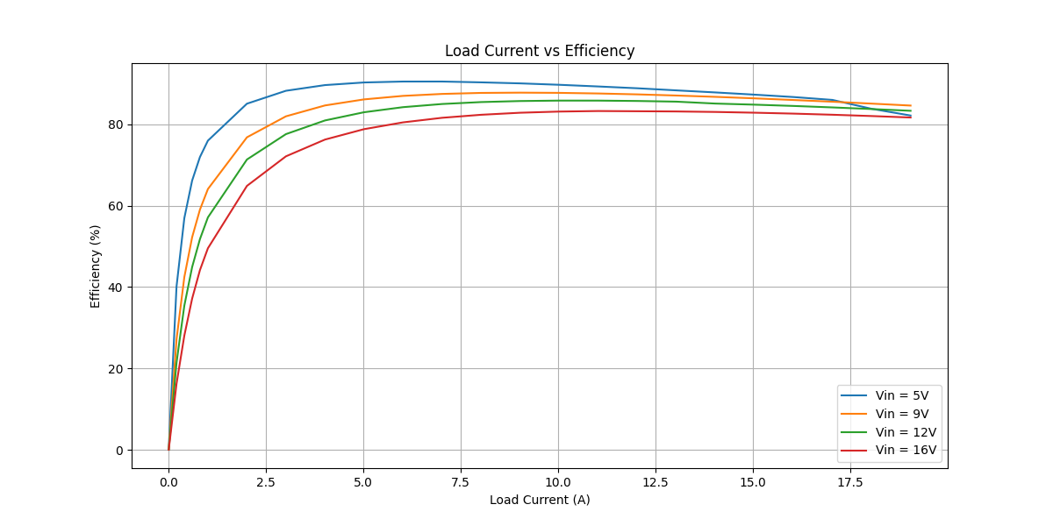
12 |  |  | 0.00188784588 | 0.00199402772 | 11.9884075 | 1.00057409 | 0.094392294 | 0.40075481542 | 1.1316132853 | 0.40098488475 | 0.73062840058 | 35.434798261 | 0.4 | 0.4001191 | 0.9940225 | 994272.25788
12 |  |  | 0.00223401241 | 0.00299100036 | 11.9877584 | 1.00054068 | 0.1117006205 | 0.60112393884 | 1.3390400517 | 0.60144895453 | 0.73759109715 | 44.916427539 | 0.6 | 0.600131 | 0.9904573 | 994189.19987
12 |  |  | 0.00258292373 | 0.00398752033 | 11.98714 | 1.00051803 | 0.1291461865 | 0.80140208575 | 1.548093418 | 0.80181723607 | 0.74627618197 | 51.793853441 | 0.8 | 0.8001461 | 0.9870806 | 994124.50856
12 |  |  | 0.0029396644 | 0.00500655111 | 11.9866674 | 1.00046804 | 0.14698322 | 1.0062044002 | 1.7618389715 | 1.0066753441 | 0.75516362741 | 57.137761191 | 1 | 1.0034 | 0.9833332 | 994241.11983
12 |  |  | 0.00469692145 | 0.00999111619 | 11.9843608 | 1.00032126 | 0.2348460725 | 2.0079901019 | 2.8144800653 | 2.0086351888 | 0.80584487655 | 71.367895389 | 2 | 2.0032 | 0.9658428 | 993932.07799
12 |  |  | 0.00647432755 | 0.0149747574 | 11.9807891 | 1.00019036 | 0.3237163775 | 3.0095901264 | 3.878377647 | 3.010163032 | 0.86821461509 | 77.613974344 | 3 | 3.0036 | 0.9485143 | 993881.81177
12 |  |  | 0.0082722615 | 0.0199600395 | 11.978587 | 1.00007663 | 0.413613075 | 4.011519933 | 4.9545002032 | 4.0118273357 | 0.9426728675 | 80.973401376 | 4 | 4.0034 | 0.931218 | 993624.04725
12 |  |  | 0.0100876491 | 0.0249454187 | 11.9760501 | 0.999935632 | 0.504382455 | 5.0134692545 | 6.0405095506 | 5.0131465475 | 1.0273630032 | 82.992113586 | 5 | 5.0036 | 0.913815 | 993592.0316
12 |  |  | 0.0119243689 | 0.029930041 | 11.9740592 | 0.999812339 | 0.596218445 | 6.015266456 | 7.1391549566 | 6.0141376251 | 1.1250173314 | 84.24158968 | 6 | 6.0036 | 0.8965198 | 993446.9598
12 |  |  | 0.0137874998 | 0.0349159457 | 11.9691613 | 0.99969913 | 0.68937499 | 7.0173213912 | 8.2512404515 | 7.0152100898 | 1.2360303617 | 85.020066146 | 7 | 7.0038 | 0.8790449 | 993126.45908
12 |  |  | 0.0156714008 | 0.0399009079 | 11.9650688 | 0.999538807 | 0.78357004 | 8.0191869051 | 9.3754694382 | 8.0154885122 | 1.359980926 | 85.494263141 | 8 | 8.0035 | 0.8617508 | 993017.89614
12 |  |  | 0.0175779953 | 0.0448857713 | 11.963303 | 0.999435879 | 0.878899765 | 9.0210325624 | 10.514544195 | 9.0159436085 | 1.4986005869 | 85.747355672 | 9 | 9.0033 | 0.8442641 | 992777.92889
12 |  |  | 0.0195087516 | 0.0498729866 | 11.9604781 | 0.9993239 | 0.97543758 | 10.023350899 | 11.666699814 | 10.016574111 | 1.6501257023 | 85.856105594 | 10 | 10.003 | 0.8270154 | 992832.26521
12 |  |  | 0.0214611008 | 0.0548580066 | 11.9580152 | 0.999187457 | 1.07305504 | 11.025228029 | 12.831608479 | 11.016269557 | 1.8153389215 | 85.85260044 | 11 | 11.003 | 0.8096308 | 992691.42881
12 |  |  | 0.0234389209 | 0.0598447899 | 11.9553247 | 0.999070406 | 1.171946045 | 12.027459543 | 14.010995499 | 12.016278889 | 1.9947166099 | 85.763205691 | 12 | 12.003 | 0.7922587 | 992424.28916
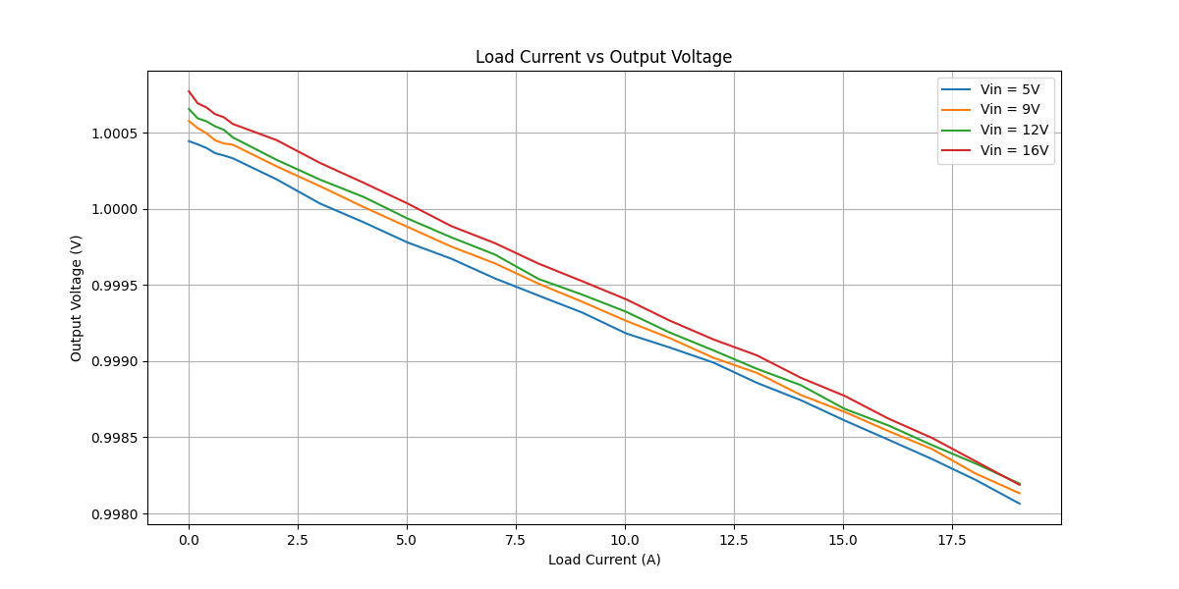
12 |  |  | 0.025447273 | 0.0648335834 | 11.9511182 | 0.998948644 | 1.27236365 | 13.030095062 | 15.206168375 | 13.016395794 | 2.1897725808 | 85.599445391 | 13 | 13.003 | 0.7749504 | 992180.39138
12 |  |  | 0.0275587361 | 0.0698195988 | 11.948643 | 0.998842087 | 1.377936805 | 14.032172246 | 16.46447496 | 14.015924211 | 2.4485507484 | 85.128279193 | 14 | 14.003 | 0.7576983 | 992000.46845
12 |  |  | 0.0296217798 | 0.0748083734 | 11.9465938 | 0.998686662 | 1.48108899 | 15.034803966 | 17.693968545 | 15.015058187 | 2.6789103581 | 84.859754039 | 15 | 15.003 | 0.7403285 | 991764.99139
12 |  |  | 0.0317191936 | 0.0797982052 | 11.9442376 | 0.99857778 | 1.58595968 | 16.037648161 | 18.943079242 | 16.014839097 | 2.9282401453 | 84.541899932 | 16 | 16.003 | 0.7230271 | 991845.5295
12 |  |  | 0.0338478967 | 0.084786839 | 11.9423645 | 0.998448652 | 1.692394835 | 17.040251584 | 20.211195997 | 17.013816223 | 3.197379774 | 84.180155522 | 17 | 17.003 | 0.7055316 | 991643.48992
12 |  |  | 0.0360151653 | 0.0897770056 | 11.9394884 | 0.998327211 | 1.800758265 | 18.043163065 | 21.500132416 | 18.01298066 | 3.4871517557 | 83.780789401 | 18 | 18.003 | 0.6879608 | 991535.71162
12 |  |  | 0.0382168211 | 0.0947662045 | 11.9366622 | 0.998195828 | 1.910841055 | 19.045880061 | 22.809064191 | 19.011518017 | 3.7975461743 | 83.350714688 | 19 | 19.004 | 0.6706338 | 991168.49285
16 |  |  | 0.00130830591 | 1.30201187E-06 | 15.9909504 | 1.00077061 | 0.0654152955 | 0.00026167516199 | 1.0460527457 | 0.00026187681148 | 1.0457908689 | 0.025034761636 | 0 | 0.0001602 | 1.001 | 994090.21135
16 |  |  | 0.00154560044 | 0.000997720747 | 15.9899981 | 1.00069203 | 0.077280022 | 0.20051947613 | 1.2357074049 | 0.20065824162 | 1.0350491633 | 16.238329626 | 0.2 | 0.200119 | 0.9975589 | 994165.23604
16 |  |  | 0.00178720992 | 0.00199490883 | 15.9911348 | 1.00066487 | 0.089360496 | 0.40093189876 | 1.4289757373 | 0.40119846635 | 1.027777271 | 28.075946698 | 0.4 | 0.4001185 | 0.9941022 | 993900.1745
16 |  |  | 0.00202427337 | 0.00299109792 | 15.9899805 | 1.00062048 | 0.1012136685 | 0.60114354621 | 1.6184045856 | 0.60151654376 | 1.0168880419 | 37.167254041 | 0.6 | 0.6001289 | 0.9906232 | 994010.29486
16 |  |  | 0.00227063459 | 0.00398754932 | 15.9905045 | 1.0006002 | 0.1135317295 | 0.80140791208 | 1.8154296315 | 0.80188891711 | 1.0135407143 | 44.170751827 | 0.8 | 0.8001498 | 0.9871688 | 993908.94242
16 |  |  | 0.0025415406 | 0.00500686553 | 15.9892862 | 1.00055637 | 0.12707703 | 1.0062675916 | 2.0318710021 | 1.0068274487 | 1.0250435535 | 49.551740618 | 1 | 1.0034 | 0.983463 | 993927.27433
16 |  |  | 0.00387315735 | 0.0099919159 | 15.9895921 | 1.00045044 | 0.1936578675 | 2.0081508256 | 3.0965103083 | 2.0090553771 | 1.0874549312 | 64.881275276 | 2 | 2.0034 | 0.9660358 | 993908.16409
16 |  |  | 0.00521938867 | 0.0149750445 | 15.9880323 | 1.0003 | 0.2609694335 | 3.009647827 | 4.1723877321 | 3.0105507214 | 1.1618370107 | 72.154145652 | 3 | 3.0033 | 0.9487369 | 993806.7288
16 |  |  | 0.00658113016 | 0.0199602962 | 15.9865352 | 1.00016991 | 0.329056508 | 4.0115715239 | 5.2604734479 | 4.01225313 | 1.2482203179 | 76.271711467 | 4 | 4.0032 | 0.9314045 | 993693.4499
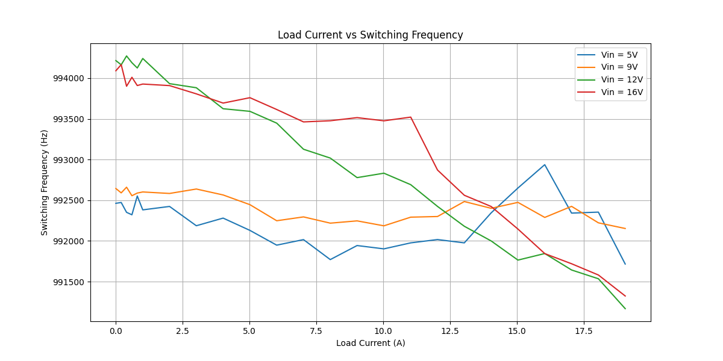
16 |  |  | 0.00795799465 | 0.0249457574 | 15.9842031 | 1.00003422 | 0.3978997325 | 5.0135373256 | 6.3601101377 | 5.0137088888 | 1.3464012489 | 78.830535639 | 5 | 5.0035 | 0.9141829 | 993759.6789
16 |  |  | 0.00934963454 | 0.0299304243 | 15.9820791 | 0.999886122 | 0.467481727 | 6.0153434907 | 7.4713299387 | 6.0146584755 | 1.4566714633 | 80.503183835 | 6 | 6.0036 | 0.8968016 | 993614.48958
16 |  |  | 0.0107573959 | 0.0349168606 | 15.9799403 | 0.999773962 | 0.537869795 | 7.0175052656 | 8.5951272133 | 7.0159190428 | 1.5792081705 | 81.62670393 | 7 | 7.0038 | 0.8794765 | 993462.19466
16 |  |  | 0.012181713 | 0.0399010704 | 15.9783461 | 0.999639339 | 0.60908565 | 8.019219564 | 9.7321813202 | 8.0163273442 | 1.715853976 | 82.369276531 | 8 | 8.0035 | 0.8620721 | 993476.49312
16 |  |  | 0.0136211545 | 0.0448867081 | 15.9758811 | 0.999523961 | 0.681057725 | 9.0212208382 | 10.880497237 | 9.0169263852 | 1.8635708516 | 82.872374203 | 9 | 9.0033 | 0.8446805 | 993514.78522
16 |  |  | 0.015082576 | 0.0498744263 | 15.9738635 | 0.999405843 | 0.7541288 | 10.023640246 | 12.046350513 | 10.01768463 | 2.0286658825 | 83.159498137 | 10 | 10.003 | 0.8273418 | 993475.68679
16 |  |  | 0.016562935 | 0.0548600493 | 15.972338 | 0.999265662 | 0.82814675 | 11.025638566 | 13.227439805 | 11.017542021 | 2.209897784 | 83.293080017 | 11 | 11.003 | 0.8100839 | 993521.20142
16 |  |  | 0.0180815671 | 0.0598475314 | 15.9693699 | 0.999142079 | 0.904078355 | 12.028010523 | 14.43756167 | 12.01769144 | 2.4198702292 | 83.239065677 | 12 | 12.003 | 0.7927149 | 992870.82048
16 |  |  | 0.0196006919 | 0.0648356386 | 15.9680651 | 0.999036821 | 0.980034595 | 13.030508111 | 15.649256213 | 13.0179574 | 2.6312988135 | 83.185789934 | 13 | 13.003 | 0.7754307 | 992561.07652
16 |  |  | 0.021138476 | 0.0698225318 | 15.9659662 | 0.998890292 | 1.0569238 | 14.032761713 | 16.874809667 | 14.017189445 | 2.8576202217 | 83.06576324 | 14 | 14.003 | 0.758162 | 992423.46391
16 |  |  | 0.022699105 | 0.0748111402 | 15.9641132 | 0.998771973 | 1.13495525 | 15.035360031 | 18.118554088 | 15.016896203 | 3.1016578848 | 82.881316744 | 15 | 15.003 | 0.7409144 | 992145.96327
16 |  |  | 0.0242791473 | 0.0798007554 | 15.9617327 | 0.998622675 | 1.213957365 | 16.038160694 | 19.376862969 | 16.016070934 | 3.3607920354 | 82.655644308 | 16 | 16.003 | 0.7235256 | 991844.63769
16 |  |  | 0.0258833443 | 0.0847888011 | 15.9595956 | 0.998495778 | 1.294167215 | 17.040645922 | 20.65438539 | 17.015013007 | 3.6393723829 | 82.379662652 | 17 | 17.003 | 0.7060845 | 991720.02451
16 |  |  | 0.027513433 | 0.0897790011 | 15.9576571 | 0.998342037 | 1.37567165 | 18.043564116 | 21.952496473 | 18.013648554 | 3.9388479187 | 82.05740325 | 18 | 18.003 | 0.6886441 | 991581.82639
16 |  |  | 0.0291703971 | 0.0947682235 | 15.9549201 | 0.998187992 | 1.458519855 | 19.046285834 | 23.270567751 | 19.011773812 | 4.2587939388 | 81.69879659 | 19 | 19.003 | 0.6712635 | 991324.05002

